Arg
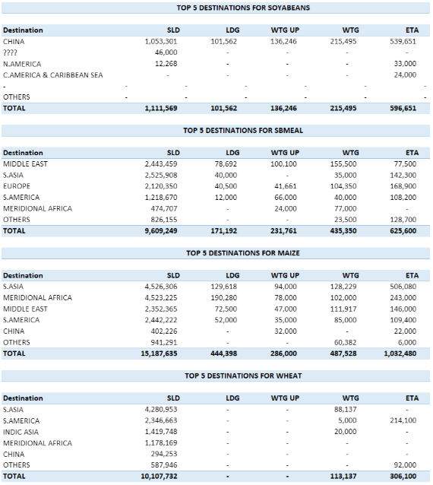
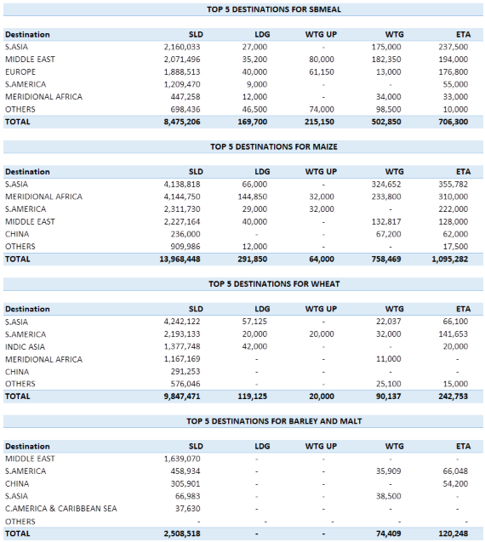
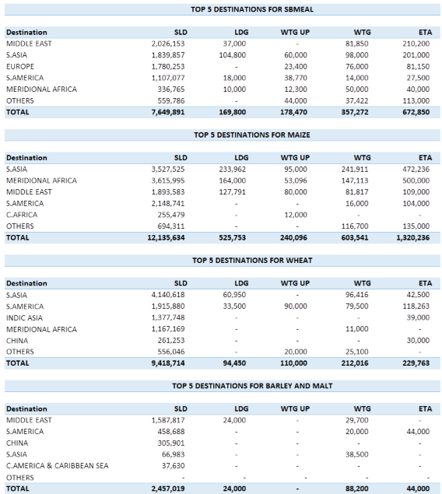
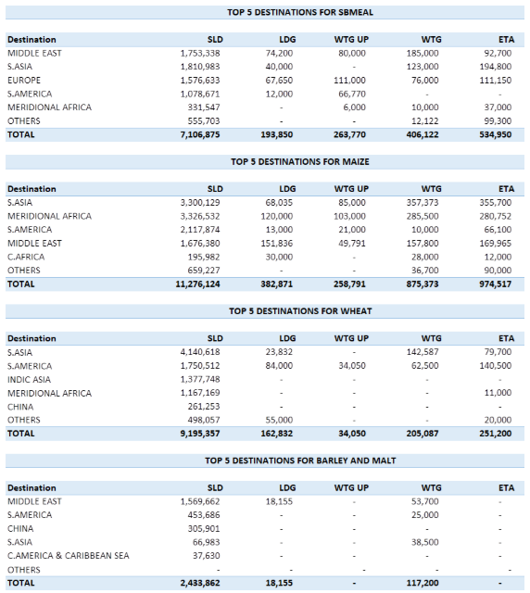
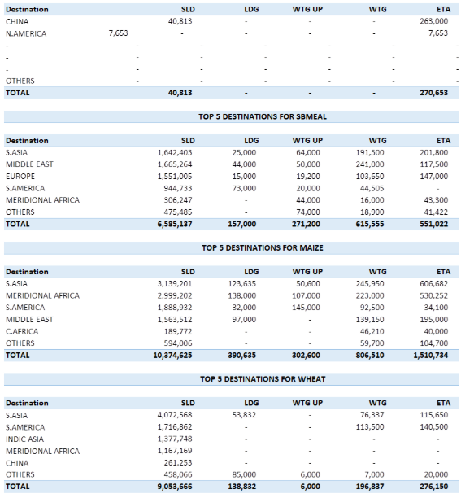
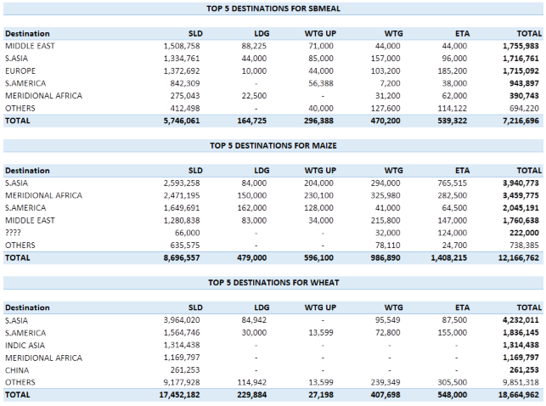
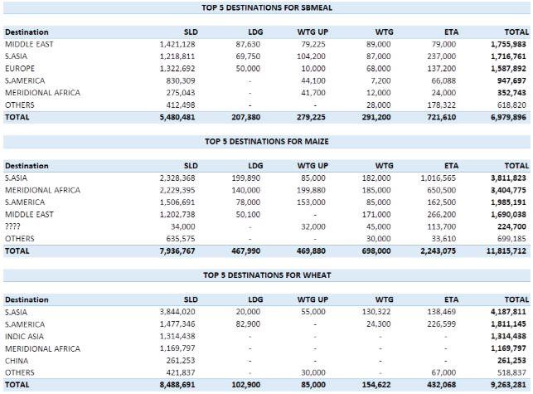
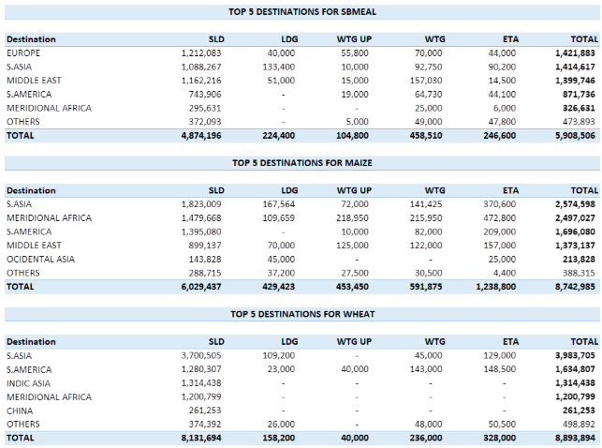
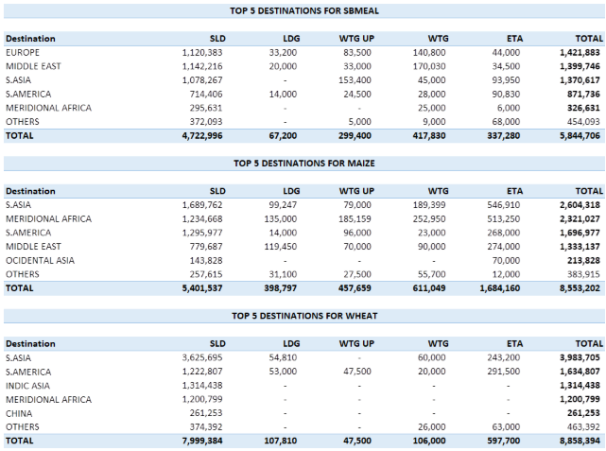
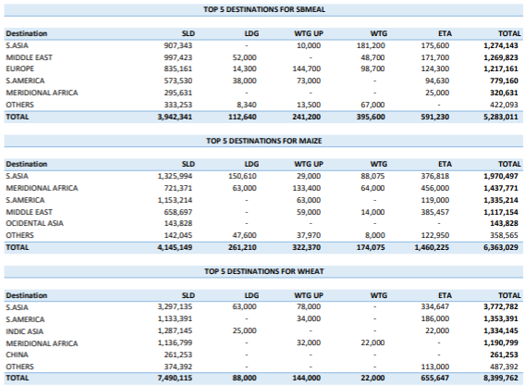
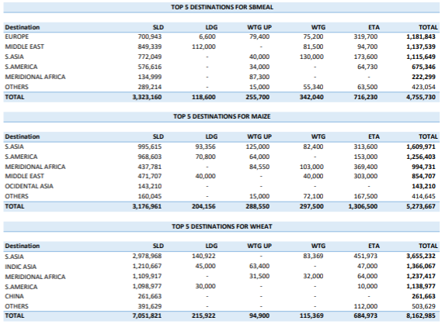
2026-05-20 | 2026-05-14 | 2026-05-07 | 2026-04-28 | 2026-04-21 | 2026-04-14 | 2026-04-07 | 2026-04-01 | 2026-03-24 | 2026-03-17 | 2026-03-10 | 2026-03-04

Summary

 | Vessel Line Up Trends by Country

 |  |  |  |  |  |  |  |  | 2026-04-28 |  |  | 2026-04-21 |  |  | 2026-04-14 |  |  | 2026-04-07 |  |  | 2026-04-01 |  |  | 2026-03-24 |  |  | 2026-03-17 |  |  | 2026-03-10 |  |  | 2026-03-04 |  |  | 2026-02-25 |  |  | 2026-02-19 |  |  | 2026-02-12 |  |  | 2026-02-02 |  |  | 2026-01-26 |  |  | 2026-01-20 |  |  | 2026-01-12 |  |  | 2026-01-05
US Gulf |  |  | USG Weekly Changes |  |  | USG Monthly Changes |  |  | US Gulf |  |  | US Gulf |  |  | US Gulf |  |  | US Gulf |  |  | US Gulf |  |  | US Gulf |  |  | US Gulf |  |  | US Gulf |  |  | US Gulf |  |  | US Gulf LW |  |  | US Gulf |  |  | US Gulf |  |  | US Gulf |  |  | US Gulf LW |  |  | US Gulf |  |  | US Gulf LW |  |  | US Gulf
Commodity | Vessels | MT | Commodity | Vessels | MT | Commodity | Vessels | MT | Commodity | Vessels | MT | Commodity | Vessels | MT | Commodity | Vessels | MT | Commodity | Vessels | MT | Commodity | Vessels | MT | Commodity | Vessels | MT | Commodity | Vessels | MT | Commodity | Vessels | MT | Commodity | Vessels | MT | Commodity | Vessels | MT | Commodity | Vessels | MT | Commodity | Vessels | MT | Commodity | Vessels | MT | Commodity | Vessels | MT | Commodity | Vessels | MT | Commodity | Vessels | MT | Commodity | Vessels | MT
CORN | 11 | 508 | CORN | -4 | -161 | CORN | -2 | -143 | CORN | 11 | 508 | CORN | 15 | 669 | CORN | 9 | 424 | CORN | 13 | 651 | CORN | 16 | 662 | CORN | 13 | 651 | CORN | 17 | 634 | CORN | 19 | 770 | CORN | 20 | 721 | CORN | 18 | 577 | CORN | 19 | 753 | CORN | 18 | 577 | CORN | 20 | 725 | CORN | 15 | 615 | CORN | 16 | 732 | CORN | 16 | 742 | CORN | 9 | 405
YSB | 9 | 460 | YSB | -3 | -185 | YSB | -5 | -303 | YSB | 9 | 460 | YSB | 12 | 645 | YSB | 10 | 532 | YSB | 14 | 763 | YSB | 14 | 798 | YSB | 14 | 763 | YSB | 8 | 450 | YSB | 16 | 1459 | YSB | 18 | 1043 | YSB | 20 | 1179 | YSB | 21 | 1185 | YSB | 20 | 1179 | YSB | 22 | 1285 | YSB | 24 | 1411 | YSB | 24 | 1423 | YSB | 32 | 1766 | YSB | 30 | 1779
SBM | 1 | 52 | SBM | 0 | 22 | SBM | -2 | -11 | SBM | 1 | 52 | SBM | 1 | 30 | SBM | 2 | 61 | SBM | 3 | 63 | SBM | 2 | 33 | SBM | 3 | 63 | SBM | 4 | 134 | SBM | 5 | 211 | SBM | 3 | 104 | SBM | 4 | 200 | SBM | 3 | 135 | SBM | 4 | 200 | SBM | 3 | 118 | SBM | 2 | 87 | SBM | 1 | 64 | SBM | 2 | 61 | SBM | 2 | 60
WHT | 2 | 22 | WHT | -2 | -31 | WHT | 2 | 22 | WHT | 2 | 22 | WHT | 4 | 53 | WHT | 1 | 7 | WHT | 0 | 0 | WHT |  |  | WHT | 0 | 0 | WHT | 0 | 0 | WHT | 2 | 80 | WHT | 3 | 87 | WHT | 2 | 95 | WHT | 2 | 85 | WHT | 2 | 95 | WHT | 1 | 30 | WHT | 3 | 62 | WHT | 2 | 32 | WHT | 0 | 0 | WHT | 0 | 0
CORN/SBM | 6 | 254 | CORN/SBM | -3 | -130 | CORN/SBM | -1 | -28 | CORN/SBM | 6 | 254 | CORN/SBM | 9 | 384 | CORN/SBM | 6 | 222 | CORN/SBM | 7 | 282 | CORN/SBM | 6 | 253 | CORN/SBM | 7 | 282 | CORN/SBM | 8 | 341 | CORN/SBM | 9 | 358 | CORN/SBM | 6 | 221 | CORN/SBM | 2 | 32 | CORN/SBM | 3 | 128 | CORN/SBM | 2 | 32 | CORN/SBM | 7 | 295 | CORN/SBM | 5 | 234 | CORN/SBM | 5 | 150 | CORN/SBM | 6 | 241 | CORN/SBM | 5 | 210
CORN/SBM/WHT | 2 | 65 | CORN/SBM/WHT | 1 | 35 | CORN/SBM/WHT | 0 | 32 | CORN/SBM/WHT | 2 | 65 | CORN/SBM/WHT | 1 | 30 | CORN/SBM/WHT | 2 | 64 | CORN/SBM/WHT | 2 | 33 | CORN/SBM/WHT | 3 | 114 | CORN/SBM/WHT | 2 | 33 | CORN/SBM/WHT | 3 | 62 | CORN/SBM/WHT | 2 | 66 | CORN/SBM/WHT | 2 | 72 | CORN/SBM/WHT | 2 | 84 | CORN/SBM/WHT | 2 | 84 | CORN/SBM/WHT | 2 | 84 | CORN/SBM/WHT | 4 | 128 | CORN/SBM/WHT | 5 | 184 | CORN/SBM/WHT | 3 | 116 | CORN/SBM/WHT | 2 | 84 | CORN/SBM/WHT | 1 | 34
RVT | 8 | 0 | RVT | 5 | 0 | RVT | 0 | 0 | RVT | 8 | 0 | RVT | 3 | 0 | RVT | 4 | 30 | RVT | 8 | 0 | RVT | 14 | 0 | RVT | 8 | 0 | RVT | 18 | 29 | RVT | 18 | 79 | RVT | 12 | 0 | RVT | 16 | 49 | RVT | 6 | 0 | RVT | 16 | 49 | RVT | 7 | 49 | RVT | 12 | 0 | RVT | 13 | 0 | RVT | 13 | 0 | RVT | 17 | 0
Grand Total | 57 | 2042 | Total | -11 | -615 | Grand Total | -15 | -738 | Grand Total | 57 | 2042 | Grand Total | 68 | 2657 | Grand Total | 54 | 2067 | Grand Total | 72 | 2780 | Grand Total | 76 | 2702 | Grand Total | 72 | 2780 | Grand Total | 80 | 2510 | Grand Total | 92 | 3846 | Grand Total | 84 | 3003 | Grand Total | 85 | 3000 | Grand Total | 80 | 3236 | Grand Total | 85 | 3000 | Grand Total | 84 | 3340 | Grand Total | 86 | 3362 | Grand Total | 86 | 3335 | Grand Total | 95 | 3782 | Grand Total | 78 | 2904
2026-04-28 |  |  |  |  |  |  |  |  | 2026-04-28 |  |  | 2026-04-21 |  |  | 2026-04-14 |  |  | 2026-04-07 |  |  | 2026-04-01 |  |  | 2026-03-24 |  |  | 2026-03-17 |  |  | 2026-03-10 |  |  | 2026-03-04 |  |  | 2026-02-25 |  |  | 2026-02-19 |  |  | 2026-08-11 |  |  | 2026-02-02 |  |  | 2026-01-26 |  |  | 2026-01-20 |  |  | 2026-01-12 |  |  | 2026-01-05
PNW |  |  | PNW Weekly Changes |  |  | PNW Monthly Changes |  |  | PNW |  |  | PNW |  |  | PNW |  |  | PNW |  |  | PNW |  |  | PNW |  |  | PNW |  |  | PNW |  |  | PNW |  |  | PNW |  |  | PNW |  |  | PNW |  |  | PNW |  |  | PNW LW |  |  | PNW |  |  | PNW LW |  |  | PNW
Commodity | Vessels | MT | Commodity | Vessels | MT | Commodity | Vessels | MT | Commodity | Vessels | MT | Commodity | Vessels | MT | Commodity | Vessels | MT | Commodity | Vessels | MT | Commodity | Vessels | MT | Commodity | Vessels | MT | Commodity | Vessels | MT | Commodity | Vessels | MT | Commodity | Vessels | MT | Commodity | Vessels | MT | Commodity | Vessels | MT | Commodity | Vessels | MT | Commodity | Vessels | MT | Commodity | Vessels | MT | Commodity | Vessels | MT | Commodity | Vessels | MT | Commodity | Vessels | MT
CORN | 25 | 1585 | CORN | -8 | -572 | CORN | -2 | -169 | CORN | 25 | 1585 | CORN | 33 | 2157 | CORN | 33 | 2157 | CORN | 27 | 1754 | CORN | 32 | 2104 | CORN | 27 | 1754 | CORN | 31 | 2043 | CORN | 23 | 1514 | CORN | 28 | 1831 | CORN | 29 | 1512 | CORN | 27 | 1707 | CORN | 29 | 1512 | CORN | 20 | 1277 | CORN | 19 | 1253 | CORN | 24 | 911 | CORN | 20 | 1175 | CORN | 18 | 1189
SBM | 8 | 313 | SBM | 1 | 24 | SBM | 6 | 220 | SBM | 8 | 313 | SBM | 7 | 289 | SBM | 7 | 289 | SBM | 2 | 93 | SBM | 3 | 48 | SBM | 2 | 93 | SBM | 2 | 90 | SBM | 4 | 189 | SBM | 6 | 279 | SBM | 6 | 331 | SBM | 3 | 153 | SBM | 6 | 331 | SBM | 6 | 226 | SBM | 7 | 201 | SBM | 7 | 108 | SBM | 6 | 254 | SBM | 5 | 212
WHT | 16 | 596 | WHT | 1 | -111 | WHT | 7 | 150 | WHT | 16 | 596 | WHT | 15 | 707 | WHT | 15 | 707 | WHT | 9 | 446 | WHT | 16 | 752 | WHT | 9 | 446 | WHT | 6 | 257 | WHT | 6 | 255 | WHT | 10 | 507 | WHT | 13 | 567 | WHT | 12 | 540 | WHT | 13 | 567 | WHT | 16 | 641 | WHT | 9 | 393 | WHT | 12 | 535 | WHT | 12 | 606 | WHT | 12 | 585
YSB | 6 | 400 | YSB | 2 | 159 | YSB | -2 | -104 | YSB | 6 | 400 | YSB | 4 | 241 | YSB | 4 | 241 | YSB | 8 | 504 | YSB | 8 | 528 | YSB | 8 | 504 | YSB | 8 | 503 | YSB | 7 | 457 | YSB | 11 | 723 | YSB | 6 | 311 | YSB | 10 | 671 | YSB | 6 | 311 | YSB | 7 | 386 | YSB | 6 | 397 | YSB | 9 | 467 | YSB | 12 | 801 | YSB | 11 | 666
Sorghum | 1 | 69 | CORN/SBM | -1 | -66 | CORN/SBM | 1 | 69 | Sorghum | 1 | 69 | Sorghum | 2 | 135 | Sorghum | 2 | 135 | Sorghum | 0 | 0 | Sorghum | 0 | 0 | Sorghum | 0 | 0 | Sorghum | 0 | 0 | Sorghum | 0 | 0 | Sorghum | 0 | 0 | Sorghum | 7 | 460 | Sorghum | 0 | 0 | Sorghum | 7 | 460 | CORN/SBM | 0 | 0 | CORN/SBM | 1 | 70 | CORN/SBM | 1 | 0 | CORN/SBM | 1 | 70 | CORN/SBM | 1 | 70
RVT | 2 | 0 | RVT | 1 | 0 | RVT | 0 | 0 | RVT | 2 | 0 | RVT | 1 | 0 | RVT | 1 | 0 | RVT | 2 | 0 | RVT | 4 | 0 | RVT | 2 | 0 | RVT | 0 | 0 | RVT | 2 | 0 | RVT | 2 | 0 | RVT | 4 | 0 | RVT | 0 | 0 | RVT | 4 | 0 | RVT | 5 | 0 | RVT | 2 | 0 | RVT | 2 | 0 | RVT | 2 | 0 | RVT | 3 | 0
Grand Total | 58 | 2963 | Grand Total | -4 | -566 | Grand Total | 10 | 166 | Grand Total | 58 | 2963 | Grand Total | 62 | 3529 | Grand Total | 62 | 3529 | Grand Total | 48 | 2797 | Grand Total | 63 | 3432 | Grand Total | 48 | 2797 | Grand Total | 48 | 2943 | Grand Total | 41 | 2465 | Grand Total | 58 | 3390 | Grand Total | 63 | 2993 | Grand Total | 53 | 3121 | Grand Total | 63 | 2993 | Grand Total | 54 | 2530 | Grand Total | 44 | 2314 | Grand Total | 55 | 2021 | Grand Total | 53 | 2906 | Grand Total | 50 | 2722
2026-04-28 |  |  |  |  |  |  |  |  | 2026-04-28 |  |  | 2026-04-21 |  |  | 2026-04-14 |  |  | 2026-04-07 |  |  | 2026-04-01 |  |  | 2026-03-24 |  |  | 2026-03-17 |  |  | 2026-03-10 |  |  | 2026-03-04 |  |  | 2026-02-25 |  |  | 2026-02-19 |  |  | 2026-08-11 |  |  | 2026-02-02 |  |  | 2026-01-26 |  |  | 2026-01-20 |  |  | 2026-01-12 |  |  | 2026-01-05
Texas Gulf |  |  | TXG Weekly Changes |  |  | TXG Weekly Changes |  |  | Texas Gulf |  |  | Texas Gulf |  |  | Texas Gulf |  |  | Texas Gulf |  |  | Texas Gulf |  |  | Texas Gulf |  |  | Texas Gulf |  |  | Texas Gulf |  |  | Texas Gulf |  |  | Texas Gulf |  |  | Texas Gulf |  |  | Texas Gulf |  |  | Texas Gulf |  |  | Texas Gulf LW |  |  | Texas Gulf |  |  | Texas Gulf LW |  |  | Texas Gulf
Commodity | Vessels | MT | Commodity | Vessels | MT | Commodity | Vessels | MT | Commodity | Vessels | MT | Commodity | Vessels | MT | Commodity | Vessels | MT | Commodity | Vessels | MT | Commodity | Vessels | MT | Commodity | Vessels | MT | Commodity | Vessels | MT | Commodity | Vessels | MT | Commodity | Vessels | MT | Commodity | Vessels | MT | Commodity | Vessels | MT | Commodity | Vessels | MT | Commodity | Vessels | MT | Commodity | Vessels | MT | Commodity | Vessels | MT | Commodity | Vessels | MT | Commodity | Vessels | MT
WHT | 3 | 69 | WHT | -1 | -30 | WHT | -2 | -105 | WHT | 3 | 69 | WHT | 4 | 99 | WHT | 3 | 80 | WHT | 5 | 174 | WHT | 2 | 60 | WHT | 5 | 174 | WHT | 4 | 107 | WHT | 9 | 259 | WHT | 7 | 222 | WHT | 4 | 164 | WHT | 5 | 156 | WHT | 4 | 164 | WHT | 3 | 119 | WHT | 6 | 216 | WHT | 5 | 172 | WHT | 2 | 85 | WHT | 1 | 30
SORGHUM | 2 | 120 | SORGHUM | -1 | -60 | SORGHUM | -5 | -309 | SORGHUM | 2 | 120 | SORGHUM | 3 | 180 | SORGHUM | 2 | 120 | SORGHUM | 7 | 429 | SORGHUM | 7 | 433 | SORGHUM | 7 | 429 | SORGHUM | 8 | 487 | SORGHUM | 11 | 687 | SORGHUM | 8 | 517 | SORGHUM | 9 | 575 | SORGHUM | 8 | 503 | SORGHUM | 9 | 575 | SORGHUM | 8 | 510 | SORGHUM | 8 | 506 | SORGHUM | 5 | 324 | SORGHUM | 4 | 258 | SORGHUM | 5 | 284
Corn | 0 | 0 | Corn | -2 | -67 | Corn | -2 | -52 | Corn | 0 | 0 | Corn | 2 | 67 | Corn | 3 | 122 | Corn | 2 | 52 | Corn | 2 | 52 | Corn | 2 | 52 | Corn | 1 | 45 | Corn | 0 | 0 | Corn | 1 | 35 | Corn | 2 | 63 | Corn | 1 | 33 | Corn | 2 | 63 | Corn | 4 | 126 | Corn | 3 | 93 | Corn | 1 | 33 | Corn | 0 | 0 | Corn | 0 | 0
Soybeans | 0 | 0 | Soybeans | 0 | 0 | Soybeans | 0 | 0 | Soybeans | 0 | 0 | Soybeans | 0 | 0 | Soybeans | 0 | 0 | Soybeans | 0 | 0 | Soybeans | 0 | 0 | Soybeans | 0 | 0 | Soybeans | 0 | 0 | Soybeans | 0 | 0 | Soybeans | 0 | 0 | Soybeans | 0 | 0 | Soybeans | 0 | 0 | Soybeans | 0 | 0 | Soybeans | 0 | 0 | Soybeans | 0 | 0 | Soybeans | 0 | 0 | Soybeans | 0 | 0 | Soybeans | 1 | 55
RVT | 1 | 0 | RVT | -1 | 0 | RVT | 1 | 0 | RVT | 1 | 0 | RVT | 2 | 0 | RVT | 1 | 0 | RVT | 0 | 0 | RVT | 3 | 0 | RVT | 0 | 0 | RVT | 1 | 0 | RVT | 1 | 51 | RVT | 1 | 0 | RVT | 1 | 0 | RVT | 1 | 0 | RVT | 1 | 0 | RVT | 2 | 0 | RVT | 2 | 0 | RVT | 2 | 0 | RVT | 2 | 0 | RVT | 2 | 0
Grand Total | 6 | 189 | Grand Total | -5 | -157 | Grand Total | -8 | -466 | Grand Total | 6 | 189 | Grand Total | 11 | 346 | Grand Total | 9 | 322 | Grand Total | 14 | 655 | Grand Total | 14 | 545 | Grand Total | 14 | 655 | Grand Total | 14 | 639 | Grand Total | 22 | 997 | Grand Total | 17 | 774 | Grand Total | 16 | 802 | Grand Total | 16 | 700 | Grand Total | 16 | 802 | Grand Total | 17 | 755 | Grand Total | 19 | 815 | Grand Total | 13 | 529 | Grand Total | 8 | 343 | Grand Total | 9 | 369
2026-04-28 |  |  |  |  |  |  |  |  | 2026-04-28 |  |  | 2026-04-21 |  |  | 2026-04-14 |  |  | 2026-04-07 |  |  | 2026-04-01 |  |  | 2026-03-24 |  |  | 2026-03-17 |  |  | 2026-03-10 |  |  | 2026-03-04 |  |  | 2026-02-25 |  |  | 2026-02-19 |  |  | 2026-08-11 |  |  | 2026-02-02 |  |  | 2026-01-26 |  |  |  |  |  | 2026-01-12
Brazil |  |  | Brazil Weekly Change |  |  | Brazil Monthly Change |  |  | Brazil |  |  | Brazil |  |  | Brazil |  |  | Brazil |  |  | Brazil |  |  | Brazil |  |  | Brazil |  |  | Brazil |  |  | Brazil |  |  | Brazil |  |  | Brazil |  |  | Brazil |  |  | Brazil |  |  | Brazil |  |  | Brazil |  |  | Brazil |  |  | Brazil
Commodity | Vessels | Week Est | Commodity | Vessels | Week Est | Commodity | Vessels | Week Est | Commodity | Vessels | Week Est | Commodity | Vessels | Week Est | Commodity | Vessels | Week Est | Commodity | Vessels | Week Est | Commodity | Vessels | Week Est | Commodity | Vessels | Week Est | Commodity | Vessels | Week Est | Commodity | Vessels | Week Est | Commodity | Vessels | Week Est | Commodity | Vessels | Mon Est | Commodity | Vessels | Mon Est | Commodity | Vessels | Mon Est | Commodity | Vessels | Mon Est | Commodity | Vessels | Mon Est | Commodity | Vessels | Mon Est | Commodity | Vessels | Mon Est | Commodity | Vessels | MT
Soybeans | 38 | 4790 | Soybeans | 1 | -586 | Soybeans | -5 | 221 | Soybeans | 38 | 4790 | Soybeans | 37 | 5376 | Soybeans | 42 | 4775 | Soybeans | 36 | 4696 | Soybeans | 57 | 4756 | Soybeans | 43 | 4569 | Soybeans | 41 | 4625 | Soybeans | 61 | 4736 | Soybeans | 46 | 4849 | Soybeans | 54 | 12029 | Soybeans | 64 | 11527 | Soybeans | 54 | 12029 | Soybeans | 31 | 9836 | Soybeans | 52 | 7180 | Soybeans | 42 | 4036 | Soybeans | 19 | 3458 | Soybeans | 23 | 2281
Corn | 1 | 43 | Corn | -1 | -22 | Corn | -2 | -177 | Corn | 1 | 43 | Corn | 2 | 65 | Corn | 0 | 44 | Corn | 0 | 45 | Corn | 7 | 64 | Corn | 3 | 220 | Corn | 3 | 240 | Corn | 2 | 285 | Corn | 5 | 221 | Corn | 3 | 991 | Corn | 1 | 1159 | Corn | 3 | 991 | Corn | 5 | 791 | Corn | 7 | 565 | Corn | 1 | 3435 | Corn | 14 | 3359 | Corn | 10 | 3304
Meal | 2 | 750 | Meal | -9 | -74 | Meal | -9 | 147 | Meal | 2 | 750 | Meal | 11 | 824 | Meal | 14 | 725 | Meal | 5 | 768 | Meal | 3 | 821 | Meal | 11 | 603 | Meal | 7 | 765 | Meal | 11 | 600 | Meal | 12 | 571 | Meal | 9 | 1675 | Meal | 7 | 1500 | Meal | 9 | 1675 | Meal | 5 | 1273 | Meal | 15 | 1070 | Meal | 4 | 1570 | Meal | 8 | 1519 | Meal | 9 | 1612
Sugar | 12 | 689 | Sugar | 8 | 145 | Sugar | 9 | 1 | Sugar | 12 | 689 | Sugar | 4 | 544 | Sugar | 6 | 456 | Sugar | 3 | 254 | Sugar | 7 | 336 | Sugar | 3 | 688 | Sugar | 3 | 644 | Sugar | 4 | 598 | Sugar | 4 | 382 | Sugar | 12 | 1561 | Sugar | 5 | 1678 | Sugar | 120 | 1561 | Sugar | 6 | 1554 | Sugar | 6 | 411 | Sugar | 8 | 1983 | Sugar | 8 | 1563 | Sugar | 4 | 1554
DDGs | 0 | 0 | DDGs | 0 | 0 | DDGs | 0 | 0 | DDGs | 0 | 0 | DDGs | 0 | 0 | DDGs | 0 | 0 | DDGs | 0 | 0 | DDGs | 0 | 0 | DDGs | 0 | 0 | DDGs | 0 | 0 | DDGs | 0 | 0 | DDGs | 0 | 0 | DDGs | 0 | 0 | DDGs | 0 | 0 | DDGs | 0 | 0 | DDGs | 0 |  | DDGs | 0 |  | DDGs | 0 | 0 | DDGs | 0 | 0 | DDGs | 0
Grand Total | 53 | 6174 | Grand Total | -1 | -635 | Grand Total | -4 | 93 | Grand Total | 53 | 6174 | Grand Total | 54 | 6809 | Grand Total | 62 | 6001 | Grand Total | 44 | 5763 | Grand Total | 74 | 5977 | Grand Total | 57 | 6081 | Grand Total | 54 | 6275 | Grand Total | 78 | 6213 | Grand Total | 66 | 6024 | Grand Total | 78 | 16258 | Grand Total | 77 | 15872 | Grand Total | 78 | 16258 | Grand Total | 47 | 12922 | Grand Total | 80 | 9227 | Grand Total | 55 | 11024 | Grand Total | 49 | 9899 | Grand Total | 46 | 8752
2026-04-28 |  |  |  |  |  |  |  |  | 2026-04-28 |  |  | 2026-04-21 |  |  | 2026-04-14 |  |  | 2026-04-07 |  |  | 2026-04-01 |  |  | 2026-03-24 |  |  | 2026-03-17 |  |  | 2026-03-10 |  |  | 2026-03-04 |  |  | 2026-02-25 |  |  | 2026-02-19 |  |  |  |  |  |  |  |  |  |  |  | 2026-01-20
Argentina |  |  | Arg Weekly Change |  |  | Arg Monthly Change |  |  | Argentina |  |  | Argentina |  |  | Argentina |  |  | Argentina |  |  | Argentina |  |  | Argentina |  |  | Argentina |  |  | Argentina |  |  | Argentina |  |  | Argentina |  |  | Argentina |  |  | Argentina |  |  | Argentina |  |  | Argentina |  |  | Argentina |  |  | Argentina |  |  | Argentina
Commodity | Vessels | MT | Commodity | Vessels | Mt | Commodity | Vessels | MT | Commodity | Vessels | MT | Commodity | Vessels | MT | Commodity | Vessels | MT | Commodity | Vessels | MT | Commodity | Vessels | MT | Commodity | Vessels | MT | Commodity | Vessels | MT | Commodity | Vessels | MT | Commodity | Vessels | MT | Commodity | Vessels | MT | Commodity | Vessels | MT | Commodity | Vessels | MT | Commodity | Vessels | Mon Est | Commodity | Vessels | Mon Est | Commodity | Vessels | MT | Commodity | Vessels | Mon Est | Commodity | Vessels | MT
Soybeans |  | 710 | Soybeans |  | 244 | Soybeans | 0 | 710 | Soybeans |  | 710 | Soybeans |  | 466 | Soybeans |  | 263 | Soybeans |  | 44 | Soybeans |  | 0 | Soybeans |  | 0 | Soybeans |  | 0 | Soybeans |  | 0 | Soybeans |  | 0 | Soybeans |  | 0 | Soybeans |  | 0 | Soybeans |  | 0 | Soybeans |  | 0 | Soybeans | 52 | 7180 | Soybeans |  |  | Soybeans |  |  | Soybeans | 23 | 2281
Corn |  | 2690 | Corn |  | 199 | Corn | 0 | -248 | Corn |  | 2690 | Corn |  | 2491 | Corn |  | 3011 | Corn |  | 3470 | Corn |  | 3879 | Corn |  | 2938 | Corn |  | 2869 | Corn |  | 2218 | Corn |  | 2195 | Corn |  | 1263 | Corn |  | 945 | Corn |  | 1263 | Corn |  | 889 | Corn | 7 | 565 | Corn |  |  | Corn |  |  | Corn | 10 | 3304
Wheat |  | 646 | Meal |  |  | Meal | 0 | -134 | Wheat |  | 646 | Wheat |  | 653 | Wheat |  | 618 | Wheat |  | 606 | Wheat |  | 775 | Wheat |  | 780 | Wheat |  | 968 | Wheat |  | 910 | Wheat |  | 1001 | Wheat |  | 1688 | Wheat |  | 1591 | Wheat |  | 1688 |  |  | 1818 |  |  |  | Wheat
Meal |  | 1380 | Sugar |  | -18 | Sugar | 0 | 360 | Meal |  | 1380 | Meal |  | 1398 | Meal |  | 1595 | Meal |  | 1542 | Meal |  | 1550 | Meal |  | 1020 | Meal |  | 1340 | Meal |  | 1410 | Meal |  | 1465 | Meal |  | 1236 | Meal |  | 1394 | Meal |  | 1236 | Meal |  | 1818 | Meal | 15 | 1070 | Meal |  |  | Meal |  |  | Meal | 9 | 1612
SBO |  | 337 | DDGs |  | -22 | DDGs | 0 | 81 | SBO |  | 337 | SBO |  | 359 | SBO |  | 337 | SBO |  | 286 | SBO |  | 425 | SBO |  | 256 | SBO |  | 287 | SBO |  | 370 | SBO |  | 381 | SBO |  | 268 | SBO |  | 203 | SBO |  | 268 | Sugar |  | 237 | Sugar | 6 | 411 | SBO |  |  | Sugar |  |  | Sugar | 4 | 1554
Grand Total |  | 6296 | Grand Total |  | 374 | Grand Total | 0 | 709 | Grand Total |  | 6296 | Grand Total |  | 5922 | Grand Total |  | 6301 | Grand Total |  | 6386 | Grand Total |  | 7151 | Grand Total |  | 5587 | Grand Total |  | 6083 | Grand Total |  | 5640 | Grand Total |  | 5753 | Grand Total |  | 5249 | Grand Total |  | 4802 | Grand Total |  | 5249 | Grand Total |  | 4742 | Grand Total | 80 | 9227 | Grand Total |  |  | Grand Total |  |  | Grand Total | 46 | 8752
2026-04-28 |  |  |  |  |  |  |  |  | 2026-04-28 |  |  | 2026-04-21 |  |  | 2026-04-14 |  |  | 2026-04-07 |  |  | 2026-04-01 |  |  | 2026-03-24 |  |  | 2026-03-17 |  |  | 2026-03-10 |  |  | 2026-03-04 |  |  | 2026-02-25 |  |  | 2026-02-19 |  |  |  |  |  |  |  |  |  |  |  | 2026-01-20
Ukraine |  |  | UKR Weekly Change |  |  | UKR Monthly Change |  |  | Ukraine |  |  | Ukraine |  |  | Ukraine |  |  | Ukraine |  |  | Ukraine |  |  | Ukraine |  |  | Ukraine |  |  | Ukraine |  |  | Ukraine |  |  | Ukraine |  |  | Ukraine |  |  | Ukraine |  |  | Ukraine |  |  | Ukraine |  |  | Ukraine |  |  | Ukraine |  |  | UKR
Commodity | Vessels | MT | Commodity | Vessels | Mon Est | Commodity | Vessels | Mon Est | Commodity | Vessels | MT | Commodity | Vessels | MT | Commodity | Vessels | MT | Commodity | Vessels | MT | Commodity | Vessels | MT | Commodity | Vessels | MT | Commodity | Vessels | MT | Commodity | Vessels | MT | Commodity | Vessels | MT | Commodity | Vessels | Mon Est | Commodity | Vessels | Mon Est | Commodity | Vessels | Mon Est | Commodity | Vessels | Mon Est | Commodity | Vessels | Mon Est | Commodity | Vessels | Mon Est | Commodity | Vessels | Mon Est | Commodity | Vessels | MT
Wheat | 5 | 141 | Wheat |  |  | Wheat | 4 | 131 | Wheat | 5 | 141 | Wheat | 3 | 107 | Wheat | 7 | 273 | Wheat | 9 | 447 | Wheat | 5 | 258 | Wheat | 1 | 10 | Wheat | 9 | 217 | Wheat | 6 | 132 | Wheat | 2 | 60 | Wheat | 5 | 161 | Wheat | 5 | 161 | Wheat | 5 | 161 | Wheat | 2 | 87 | Wheat |  |  | Wheat | 2 | 73 | Wheat | 5 | 53 | Soybeans | 23 | 2281
Soybeans | 3 | 42 | Soybeans | 1 | 18 | Soybeans | 2 | 12 | Soybeans | 3 | 42 | Soybeans | 2 | 24 | Soybeans | 2 | 15 | Soybeans | 2 | 32 | Soybeans | 1 | 29 | Soybeans | 1 | 30 | Soybeans | 0 | 0 | Soybeans | 0 | 0 | Soybeans | 1 | 64 | Soybeans | 6 | 73 | Soybeans | 6 | 73 | Soybeans | 6 | 73 | Soybeans | 5 | 75 | Soybeans | 52 | 7180 | Soybeans | 7 | 49 | Soybeans | 6 | 62 | Corn | 10 | 3304
Rapeseed | 0 | 0 | Rapeseed |  |  | Rapeseed | 0 | 0 | Rapeseed | 0 | 0 | Rapeseed | 0 | 0 | Rapeseed | 0 | 0 | Rapeseed | 0 | 0 | Rapeseed | 0 | 0 | Rapeseed | 0 | 0 | Rapeseed | 2 | 61 | Rapeseed | 1 | 30 | Rapeseed | 0 | 0 | Rapeseed | 1 | 30 | Rapeseed | 1 | 30 | Rapeseed | 1 | 30 | Rapeseed | 2 | 70 | Rapeseed |  |  | Rapeseed | 0 | 0 | Rapeseed | 0 | 0 | Meal | 9 | 1612
Corn | 13 | 365 | Corn | 0 | 7 | Corn | 3 | 61 | Corn | 13 | 365 | Corn | 13 | 358 | Corn | 15 | 443 | Corn | 16 | 428 | Corn | 10 | 311 | Corn | 10 | 304 | Corn | 14 | 383 | Corn | 7 | 182 | Corn | 7 | 201 | Corn | 26 | 752 | Corn | 26 | 752 | Corn | 26 | 752 | Corn | 24 | 923 | Corn | 7 | 565 | Corn | 21 | 730 | Corn | 26 | 922 | Sugar | 4 | 1554
Sugar | 0 | 0 | Sugar | 0 | 0 | Sugar | -1 | -5 | Sugar | 0 | 0 | Sugar | 0 | 0 | Sugar | 0 | 0 | Sugar | 0 | 0 | Sugar | 1 | 5 | Sugar | 1 | 5 | Sugar | 0 | 0 | Sugar | 0 | 0 | Sugar | 0 | 0 | Sugar | 2 | 12 | Sugar | 2 | 12 | Sugar | 2 | 12 | Sugar | 3 | 17 | Sugar | 6 | 411 | Sugar | 0 | 0 | Sugar | 0 | 0 | Grand Total | 46 | 8752
Sunoil | 15 | 109 | Sunoil | 4 | 37 | Sunoil | 6 | 26 | Sunoil | 15 | 109 | Sunoil | 11 | 72 | Sunoil | 9 | 79 | Sunoil | 12 | 127 | Sunoil | 9 | 85 | Sunoil | 9 | 83 | Sunoil | 10 | 135 | Sunoil | 10 | 142 | Sunoil | 13 | 142 | Sunoil | 13 | 105 | Sunoil | 13 | 105 | Sunoil | 13 | 105 | Sunoil | 10 | 61 | Sunoil | 0 |  | Sunoil | 7 | 97 | Sunoil | 5 | 82
Grand Total | 40 | 702 | Grand Total | 5 | 50 | Grand Total | 13 | 172 | Grand Total | 40 | 702 | Grand Total | 35 | 652 | Grand Total | 42 | 1043 | Grand Total | 40 | 1040 | Grand Total | 31 | 731 | Grand Total | 27 | 530 | Grand Total | 39 | 811 | Grand Total | 26 | 501 | Grand Total | 26 | 501 | Grand Total | 61 | 1303 | Grand Total | 61 | 1302 | Grand Total | 61 | 1303 | Grand Total | 53 | 1292 | Grand Total | 80 | 9227 | Grand Total | 43 | 1094 | Grand Total | 49 | 1152

5-20-26
MT: | COMMODITY: | DESTINATION: | MT: | COMMODITY: | DESTINATION: | MT | COMMODITY | DESTINATION
RVT | RVT | RVT | RVT | RVT | RVT | 1900-02-28 | WHT | VIETNAM
RVT | RVT | RVT | 60 | SORGHUM | CHINA | 1900-02-04 | WHT | JAPAN
38 | CORN/WHT | GUATEMALA | 60 | SORGHUM | CHINA | 20 | WHT | TAIWAN
50 | CORN | COLOMBIA | 30 | WHT | VENEZUELA | 26 | WHT | VIETNAM
RVT | RVT | RVT | 27 | WHT | DOM REP | 35 | WHT | JAPAN
50 | CORN | HONDURAS | 12 | WHT | HAITI | 1900-02-28 | WHT | PHILIPPINES
69 | YSB | CHINA |  |  |  | 33 | WHT | S. KOREA
35 | CORN | PORTUGAL |  |  |  | 65 | CORN | INDONESIA
65 | YSB | RVT |  |  |  | 40 | WHT | S. KOREA
30 | CORN/SBM | COLOMBIA |  |  |  | 61 | WHT | S. KOREA
40 | RICE | IRAQ |  |  |  | 20 | WHT | S. KOREA
18 | CGFP/GDDG/SBM | UNITED KINGDOM |  |  |  | 20 | WHT | TAIWAN
41 | CGM/GDDG | EGYPT |  |  |  | 65 | CORN | S. KOREA
66 | YSB | CHINA |  |  |  | 67 | CORN | S. KOREA
RVT | RVT | RVT |  |  |  | 67 | YSB | CHINA
66 | YSB | CHINA |  |  |  | 66 | YSB | CHINA
50 | CORN/SBM | COLOMBIA |  |  |  | 70 | WHT | INDONESIA
32 | CORN/SBM | VENEZUELA |  |  |  | 65 | CORN | S. KOREA
55 | CORN | NETHERLANDS |  |  |  | 65 | CORN | JAPAN
55 | CORN | NETHERLANDS |  |  |  | 35 | WHT | JAPAN
37 | CORN/YSB | MEXICO |  |  |  | 35 | WHT | RVT
32 | CORN/GDDG/SBM | EL SALVADOR/GUATEMALA |  |  |  | 34 | WHT | JAPAN
32 | CORN/SBM/WHT | EL SALVADOR |  |  |  | 60 | CORN | JAPAN
48 | CORN | MEXICO |  |  |  | 12 | WHT | PHILIPPINES
29 | CORN/SBM/YSB | VENEZUELA |  |  |  | 65 | CORN | S. KOREA
7 | WHT | HAITI |  |  |  | 65 | CORN | JAPAN
60 | CORN/SBM/WHT/YSB | COLOMBIA |  |  |  | 65 | CORN | S. KOREA
15 | WHT | JAMAICA |  |  |  | 65 | CORN | JAPAN
33 | CORN/SBM/WHT | GUATEMALA |  |  |  | 65 | CORN | S. KOREA
48 | CORN/WHT | MEXICO |  |  |  | 65 | CORN | JAPAN
58 | YSB | EGYPT |  |  |  | 24 | SBM | PHILIPPINES
50 | CORN/WHT | COLOMBIA/DOM REP |  |  |  | 66 | YSB | ASIA
18 | CGFP/GDDG/SBM | UNITED KINGDOM |  |  |  | 65 | CORN | ASIA
50 | YSB | JAPAN |  |  |  | 65 | CORN | S. KOREA
33 | DDGS/SBM | GUATEMALA |  |  |  | 65 | YSB | ASIA
43 | CORN/DDGS/SBM | PANAMA |  |  |  | 61 | CORN | JAPAN
42 | CORN/SBM/YSB | COLOMBIA |  |  |  | 69 | SORGHUM | CHINA
55 | CORN | COLOMBIA |  |  |  | RVT | RVT | RVT
RVT | RVT | RVT |  |  |  | 60 | CORN | JAPAN
50 | CORN/SBM | COLOMBIA |  |  |  | 30 | SBM | JAPAN
33 | CORN/SBM | REP DOM |  |  |  | RVT | RVT | RVT
25 | YSB | INDONESIA |  |  |  | 61 | CORN | JAPAN
RVT | RVT | RVT |  |  |  | 65 | SBM | S. KOREA
32 | CORN | UNITED KINGDOM |  |  |  | 30 | SBM | JAPAN
RVT | RVT | RVT |  |  |  | 1900-02-19 | SBM | PHILIPPINES
50 | CORN/WHT/YSB | COLOMBIA |  |  |  | 1900-02-17 | SBM | RVT
36 | YSB | INDONESIA |  |  |  | 33 | SBM | RVT
60 | CORN | RVT |  |  |  | 33 | SBM | RVT
25 | YSB | INDONESIA |  |  |  | 1900-03-07 | CORN | S. KOREA
RVT | RVT | RVT |  |  |  | 1900-03-08 | YSB | CHINA
52 | SBM | ITALY |  |  |  | 1900-02-28 | CORN | JAPAN
34 | CORN/SBM/RICE | HONDURAS |  |  |  | 1900-03-08 | YSB | CHINA
27 | RICE | COLOMBIA |  |  |  | 1900-03-06 | CORN | RVT
41 | DDGS | TURKEY |  |  |  | 34 | CORN | S. KOREA
59 | CORN/SBM | NETHERLANDS |  |  |  | 68 | CORN | S. KOREA
32 | CORN | VENEZUELA |  |  |  | 65 | CORN | JAPAN
36 | CORN | GUATEMALA |  |  |  | 68 | CORN | TAIWAN
 |  |  |  |  |  | 68 | CORN | TAIWAN

Row Labels | Count of MT: | Sum of MT:2 | Row Labels | Count of MT: | Sum of MT:2 | Row Labels | Count of MT | Sum of MT2 | US Gulf
CORN | 11 | 508 | SORGHUM | 2 | 120 | CORN | 25 | 1585 | Commodity | Vessels | MT
CORN/SBM | 6 | 254 | WHT | 3 | 69 | SBM | 8 | 313 | CORN | 11 | 508
CORN/SBM/WHT | 2 | 65 | (blank) |  |  | WHT | 16 | 596 | YSB | 9 | 460
CORN/YSB | 1 | 37 | RVT | 1 | 0 | YSB | 6 | 400 | SBM | 1 | 52
RVT | 8 | 0 | Grand Total | 6 | 189 | RVT | 2 | 0 | WHT | 2 | 22
SBM | 1 | 52 |  |  |  | SORGHUM | 1 | 69 | CORN/SBM | 6 | 254
YSB | 9 | 460 |  |  |  | (blank) |  |  | CORN/SBM/WHT | 2 | 65
CORN/SBM/YSB | 2 | 71 |  |  |  | Grand Total | 58 | 2963 | RVT | 8 | 0
RICE | 2 | 67 |  |  |  |  |  |  | Grand Total | 57 | 2042
CORN/GDDG/SBM | 1 | 32 |  |  |  |  |  |  | 2026-04-28
CORN/WHT | 3 | 136 |  |  |  |  |  |  | PNW
(blank) |  |  |  |  |  |  |  |  | Commodity | Vessels | MT
CORN/SBM/RICE | 1 | 34 |  |  |  |  |  |  | CORN | 25 | 1585
CORN/DDGS/SBM | 1 | 43 |  |  |  |  |  |  | SBM | 8 | 313
CORN/WHT/YSB | 1 | 50 |  |  |  |  |  |  | WHT | 16 | 596
WHT | 2 | 22 |  |  |  |  |  |  | YSB | 6 | 400
CGFP/GDDG/SBM | 2 | 36 |  |  |  |  |  |  | Sorghum | 1 | 69
CGM/GDDG | 1 | 41 |  |  |  |  |  |  | RVT | 2 | 0
CORN/SBM/WHT/YSB | 1 | 60 |  |  |  |  |  |  | Grand Total | 58 | 2963
DDGS/SBM | 1 | 33 |  |  |  |  |  |  | 2026-04-28
DDGS | 1 | 41 |  |  |  |  |  |  | Texas Gulf
Grand Total | 57 | 2042 |  |  |  |  |  |  | Commodity | Vessels | MT
 |  |  |  |  |  |  |  |  | WHT | 3 | 69
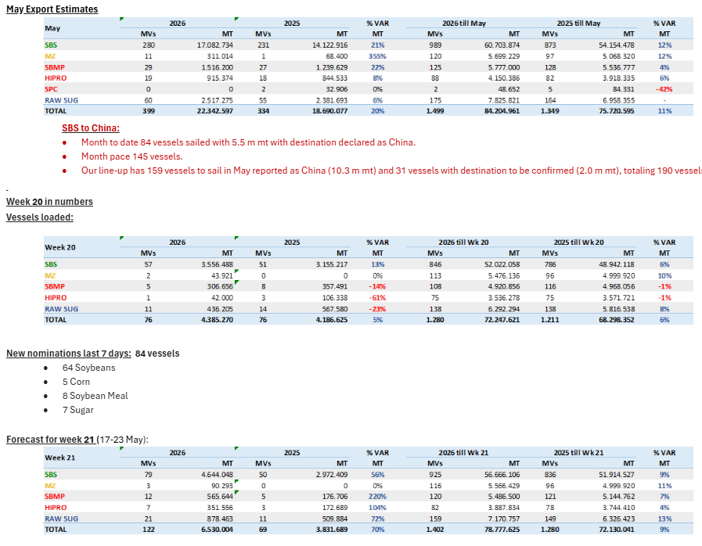
 |  |  |  |  |  |  |  |  | SORGHUM | 2 | 120
 |  |  |  |  |  |  |  |  | Corn | 0 | 0
 |  |  |  |  |  |  |  |  | Soybeans | 0 | 0
 |  |  |  |  |  |  |  |  | RVT | 1 | 0
 |  |  |  |  |  |  |  |  | Grand Total | 6 | 189
 |  |  |  |  |  |  |  |  | 2026-04-28
 |  |  |  |  |  |  |  |  | Brazil
 |  |  |  |  |  |  |  |  | Commodity | Vessels | Week Est
 |  |  |  |  |  |  |  |  | Soybeans | 38 | 4790
 |  |  |  |  |  |  |  |  | Corn | 1 | 43
 |  |  |  |  |  |  |  |  | Meal | 2 | 750
 |  |  |  |  |  |  |  |  | Sugar | 12 | 689
 |  |  |  |  |  |  |  |  | DDGs | 0 | 0
 |  |  |  |  |  |  |  |  | Grand Total | 53 | 6174
 |  |  |  |  |  |  |  |  | 2026-04-28
 |  |  |  |  |  |  |  |  | Argentina
 |  |  |  |  |  |  |  |  | Commodity | Vessels | MT
 |  |  |  |  |  |  |  |  | Soybeans |  | 710
 |  |  |  |  |  |  |  |  | Corn |  | 2690
 |  |  |  |  |  |  |  |  | Wheat |  | 646
 |  |  |  |  |  |  |  |  | Meal |  | 1380
 |  |  |  |  |  |  |  |  | SBO |  | 337
 |  |  |  |  |  |  |  |  | Grand Total |  | 6296 |  |  |  | CM | Vol | Dest
 |  |  |  |  |  |  |  |  | 2026-04-28 |  |  | Row Labels | Count of Vol | Sum of Vol2 | Sunoil | 6,300 | Turkey
 |  |  |  |  |  |  |  |  | Ukraine |  |  | Corn | 13 | 364,635 | Corn | 26,600 | Turkey
 |  |  |  |  |  |  |  |  | Commodity | Vessels | MT | Sunmeal | 2 | 8,700 | Soybean | 16,500 | Tba
 |  |  |  |  |  |  |  |  | Wheat | 5 | 141 | Sunoil | 15 | 108,710 | Sunmeal | 5,700 | Turkey
 |  |  |  |  |  |  |  |  | Soybeans | 3 | 42 | Wheat | 5 | 140,800 | Wheat | 28,800 | Algeria
 |  |  |  |  |  |  |  |  | Rapeseed | 0 | 0 | Soybean | 3 | 41,500 | Corn | 28,300 | Egypt
 |  |  |  |  |  |  |  |  | Corn | 13 | 365 | Barley | 2 | 37,200 | Corn | 28,000 | Turkey
 |  |  |  |  |  |  |  |  | Sugar | 0 | 0 | (blank) |  |  | Corn | 15,000 | Syria
 |  |  |  |  |  |  |  |  | Sunoil | 15 | 109 | Grand Total | 40 | 701,545 | Wheat | 25,000 | Turkey
 |  |  |  |  |  |  |  |  | Grand Total | 40 | 702 |  |  |  | Barley | 30,000 | Libya
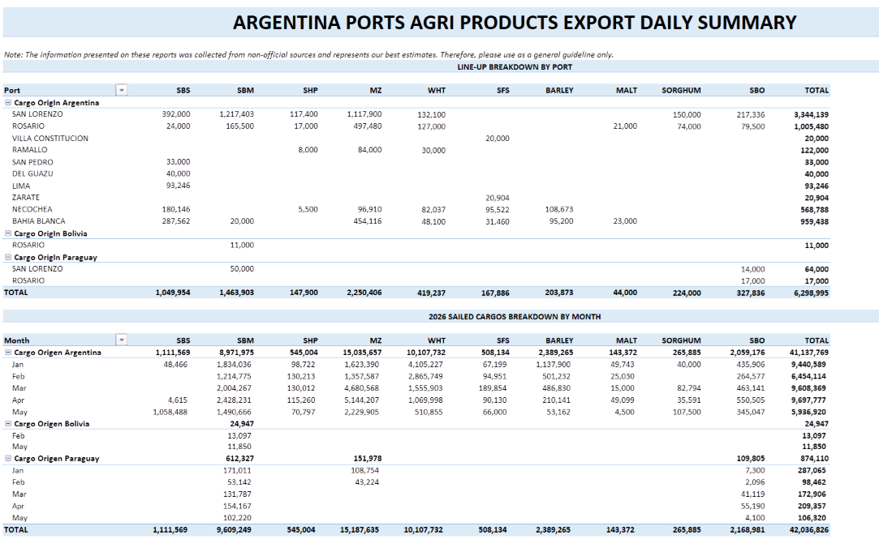
 |  |  |  |  |  |  |  |  |  |  |  |  |  |  | Soybean | 11,000 | Turkey
 |  |  |  |  |  |  |  |  |  |  |  |  |  |  | Soybean | 14,000 | Egypt
 |  |  |  |  |  |  |  |  |  |  |  |  |  |  | Wheat | 50,000 | Tba
 |  |  |  |  |  |  |  |  |  |  |  |  |  |  | Corn | 12,000 | Turkey
 |  |  |  |  |  |  |  |  |  |  |  |  |  |  | Wheat | 15,000 | Algeria
 |  |  |  |  |  |  |  |  |  |  |  |  |  |  | Sunoil | 6,000 | Spain
 |  |  |  |  |  |  |  |  |  |  |  |  |  |  | Sunoil | 6,000 | France
 |  |  |  |  |  |  |  |  |  |  |  |  |  |  | Corn | 27,600 | Egypt
 |  |  |  |  |  |  |  |  |  |  |  |  |  |  | Sunoil | 25,000 | France
 |  |  |  |  |  |  |  |  |  |  |  |  |  |  | Sunoil | 6,000 | France
 |  |  |  |  |  |  |  |  |  |  |  |  |  |  | Corn | 65,000 | Spain
 |  |  |  |  |  |  |  |  |  |  |  |  |  |  | Corn | 21,500 | Turkey
 |  |  |  |  |  |  |  |  |  |  |  |  |  |  | Sunoil | 6,100 | Turkey
 |  |  |  |  |  |  |  |  |  |  |  |  |  |  | Sunmeal | 3,000 | Italy
 |  |  |  |  |  |  |  |  |  |  |  |  |  |  | Corn | 46,135 | Israel
 |  |  |  |  |  |  |  |  |  |  |  |  |  |  | Corn | 25,000 | N/A
 |  |  |  |  |  |  |  |  |  |  |  |  |  |  | Barley | 7,200 | N/A
 |  |  |  |  |  |  |  |  |  |  |  |  |  |  | Sunoil | 2,500 | Italy
 |  |  |  |  |  |  |  |  |  |  |  |  |  |  | Sunoil | 5,100 | N/A
 |  |  |  |  |  |  |  |  |  |  |  |  |  |  | Sunoil | 16,000 | Netherlands
 |  |  |  |  |  |  |  |  |  |  |  |  |  |  | Sunoil | 5,500 | Lebanon
 |  |  |  |  |  |  |  |  |  |  |  |  |  |  | Corn | 33,000 | Saudi Arabia
 |  |  |  |  |  |  |  |  |  |  |  |  |  |  | Corn | 30,000 | Turkey
 |  |  |  |  |  |  |  |  |  |  |  |  |  |  | Sunoil | 3,500 | Turkey
 |  |  |  |  |  |  |  |  |  |  |  |  |  |  | Sunoil | 5,860 | Italy
 |  |  |  |  |  |  |  |  |  |  |  |  |  |  | Sunoil | 3,000 | Turkey
 |  |  |  |  |  |  |  |  |  |  |  |  |  |  | Corn | 6,500 | Cyprus
 |  |  |  |  |  |  |  |  |  |  |  |  |  |  | Sunoil | 5,850 | Spain
 |  |  |  |  |  |  |  |  |  |  |  |  |  |  | Wheat | 22,000 | Syria
 |  |  |  |  |  |  |  |  |  |  |  |  |  |  | Sunoil | 6,000 | Spain

5-7-26
MT: | COMMODITY: | DESTINATION: | MT: | COMMODITY: | DESTINATION: | MT | COMMODITY | DESTINATION
RVT | RVT | RVT | RVT | RVT | RVT | 1900-02-28 | WHT | VIETNAM
RVT | RVT | RVT | 60 | SORGHUM | CHINA | 1900-02-04 | WHT | JAPAN
38 | CORN/WHT | GUATEMALA | 60 | SORGHUM | CHINA | 20 | WHT | TAIWAN
50 | CORN | COLOMBIA | 30 | WHT | VENEZUELA | 26 | WHT | VIETNAM
RVT | RVT | RVT | 27 | WHT | DOM REP | 35 | WHT | JAPAN
50 | CORN | HONDURAS | 12 | WHT | HAITI | 1900-02-28 | WHT | PHILIPPINES
69 | YSB | CHINA |  |  |  | 33 | WHT | S. KOREA
35 | CORN | PORTUGAL |  |  |  | 65 | CORN | INDONESIA
65 | YSB | RVT |  |  |  | 40 | WHT | S. KOREA
30 | CORN/SBM | COLOMBIA |  |  |  | 61 | WHT | S. KOREA
40 | RICE | IRAQ |  |  |  | 20 | WHT | S. KOREA
18 | CGFP/GDDG/SBM | UNITED KINGDOM |  |  |  | 20 | WHT | TAIWAN
41 | CGM/GDDG | EGYPT |  |  |  | 65 | CORN | S. KOREA
66 | YSB | CHINA |  |  |  | 67 | CORN | S. KOREA
RVT | RVT | RVT |  |  |  | 67 | YSB | CHINA
66 | YSB | CHINA |  |  |  | 66 | YSB | CHINA
50 | CORN/SBM | COLOMBIA |  |  |  | 70 | WHT | INDONESIA
32 | CORN/SBM | VENEZUELA |  |  |  | 65 | CORN | S. KOREA
55 | CORN | NETHERLANDS |  |  |  | 65 | CORN | JAPAN
55 | CORN | NETHERLANDS |  |  |  | 35 | WHT | JAPAN
37 | CORN/YSB | MEXICO |  |  |  | 35 | WHT | RVT
32 | CORN/GDDG/SBM | EL SALVADOR/GUATEMALA |  |  |  | 34 | WHT | JAPAN
32 | CORN/SBM/WHT | EL SALVADOR |  |  |  | 60 | CORN | JAPAN
48 | CORN | MEXICO |  |  |  | 12 | WHT | PHILIPPINES
29 | CORN/SBM/YSB | VENEZUELA |  |  |  | 65 | CORN | S. KOREA
7 | WHT | HAITI |  |  |  | 65 | CORN | JAPAN
60 | CORN/SBM/WHT/YSB | COLOMBIA |  |  |  | 65 | CORN | S. KOREA
15 | WHT | JAMAICA |  |  |  | 65 | CORN | JAPAN
33 | CORN/SBM/WHT | GUATEMALA |  |  |  | 65 | CORN | S. KOREA
48 | CORN/WHT | MEXICO |  |  |  | 65 | CORN | JAPAN
58 | YSB | EGYPT |  |  |  | 24 | SBM | PHILIPPINES
50 | CORN/WHT | COLOMBIA/DOM REP |  |  |  | 66 | YSB | ASIA
18 | CGFP/GDDG/SBM | UNITED KINGDOM |  |  |  | 65 | CORN | ASIA
50 | YSB | JAPAN |  |  |  | 65 | CORN | S. KOREA
33 | DDGS/SBM | GUATEMALA |  |  |  | 65 | YSB | ASIA
43 | CORN/DDGS/SBM | PANAMA |  |  |  | 61 | CORN | JAPAN
42 | CORN/SBM/YSB | COLOMBIA |  |  |  | 69 | SORGHUM | CHINA
55 | CORN | COLOMBIA |  |  |  | RVT | RVT | RVT
RVT | RVT | RVT |  |  |  | 60 | CORN | JAPAN
50 | CORN/SBM | COLOMBIA |  |  |  | 30 | SBM | JAPAN
33 | CORN/SBM | REP DOM |  |  |  | RVT | RVT | RVT
25 | YSB | INDONESIA |  |  |  | 61 | CORN | JAPAN
RVT | RVT | RVT |  |  |  | 65 | SBM | S. KOREA
32 | CORN | UNITED KINGDOM |  |  |  | 30 | SBM | JAPAN
RVT | RVT | RVT |  |  |  | 1900-02-19 | SBM | PHILIPPINES
50 | CORN/WHT/YSB | COLOMBIA |  |  |  | 1900-02-17 | SBM | RVT
36 | YSB | INDONESIA |  |  |  | 33 | SBM | RVT
60 | CORN | RVT |  |  |  | 33 | SBM | RVT
25 | YSB | INDONESIA |  |  |  | 1900-03-07 | CORN | S. KOREA
RVT | RVT | RVT |  |  |  | 1900-03-08 | YSB | CHINA
52 | SBM | ITALY |  |  |  | 1900-02-28 | CORN | JAPAN
34 | CORN/SBM/RICE | HONDURAS |  |  |  | 1900-03-08 | YSB | CHINA
27 | RICE | COLOMBIA |  |  |  | 1900-03-06 | CORN | RVT
41 | DDGS | TURKEY |  |  |  | 34 | CORN | S. KOREA
59 | CORN/SBM | NETHERLANDS |  |  |  | 68 | CORN | S. KOREA
32 | CORN | VENEZUELA |  |  |  | 65 | CORN | JAPAN
36 | CORN | GUATEMALA |  |  |  | 68 | CORN | TAIWAN
 |  |  |  |  |  | 68 | CORN | TAIWAN

Row Labels | Count of MT: | Sum of MT:2 | Row Labels | Count of MT: | Sum of MT:2 | Row Labels | Count of MT | Sum of MT2 | US Gulf
CORN | 11 | 508 | SORGHUM | 2 | 120 | CORN | 25 | 1585 | Commodity | Vessels | MT
CORN/SBM | 6 | 254 | WHT | 3 | 69 | SBM | 8 | 313 | CORN | 11 | 508
CORN/SBM/WHT | 2 | 65 | (blank) |  |  | WHT | 16 | 596 | YSB | 9 | 460
CORN/YSB | 1 | 37 | RVT | 1 | 0 | YSB | 6 | 400 | SBM | 1 | 52
RVT | 8 | 0 | Grand Total | 6 | 189 | RVT | 2 | 0 | WHT | 2 | 22
SBM | 1 | 52 |  |  |  | SORGHUM | 1 | 69 | CORN/SBM | 6 | 254
YSB | 9 | 460 |  |  |  | (blank) |  |  | CORN/SBM/WHT | 2 | 65
CORN/SBM/YSB | 2 | 71 |  |  |  | Grand Total | 58 | 2963 | RVT | 8 | 0
RICE | 2 | 67 |  |  |  |  |  |  | Grand Total | 57 | 2042
CORN/GDDG/SBM | 1 | 32 |  |  |  |  |  |  | 2026-04-28
CORN/WHT | 3 | 136 |  |  |  |  |  |  | PNW
(blank) |  |  |  |  |  |  |  |  | Commodity | Vessels | MT
CORN/SBM/RICE | 1 | 34 |  |  |  |  |  |  | CORN | 25 | 1585
CORN/DDGS/SBM | 1 | 43 |  |  |  |  |  |  | SBM | 8 | 313
CORN/WHT/YSB | 1 | 50 |  |  |  |  |  |  | WHT | 16 | 596
WHT | 2 | 22 |  |  |  |  |  |  | YSB | 6 | 400
CGFP/GDDG/SBM | 2 | 36 |  |  |  |  |  |  | Sorghum | 1 | 69
CGM/GDDG | 1 | 41 |  |  |  |  |  |  | RVT | 2 | 0
CORN/SBM/WHT/YSB | 1 | 60 |  |  |  |  |  |  | Grand Total | 58 | 2963
DDGS/SBM | 1 | 33 |  |  |  |  |  |  | 2026-04-28
DDGS | 1 | 41 |  |  |  |  |  |  | Texas Gulf
Grand Total | 57 | 2042 |  |  |  |  |  |  | Commodity | Vessels | MT
 |  |  |  |  |  |  |  |  | WHT | 3 | 69
 |  |  |  |  |  |  |  |  | SORGHUM | 2 | 120
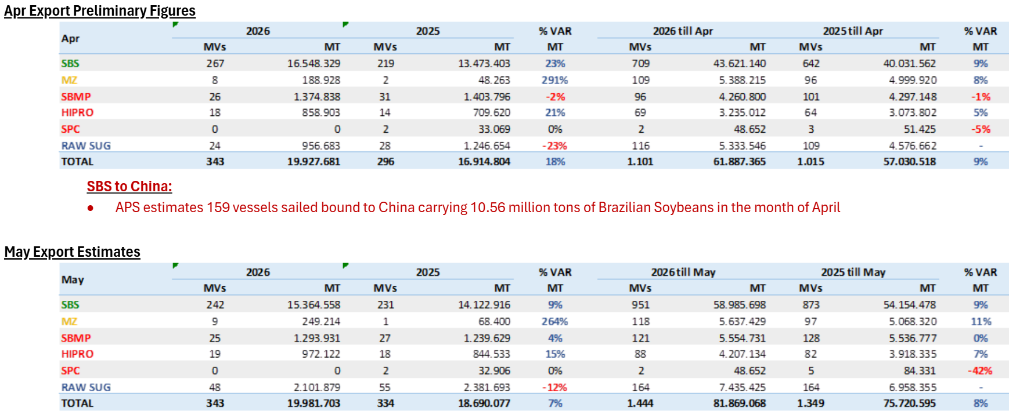
 |  |  |  |  |  |  |  |  | Corn | 0 | 0
 |  |  |  |  |  |  |  |  | Soybeans | 0 | 0
 |  |  |  |  |  |  |  |  | RVT | 1 | 0
 |  |  |  |  |  |  |  |  | Grand Total | 6 | 189
 |  |  |  |  |  |  |  |  | 2026-04-28
 |  |  |  |  |  |  |  |  | Brazil
 |  |  |  |  |  |  |  |  | Commodity | Vessels | Week Est
 |  |  |  |  |  |  |  |  | Soybeans | 38 | 4790
 |  |  |  |  |  |  |  |  | Corn | 1 | 43
 |  |  |  |  |  |  |  |  | Meal | 2 | 750
 |  |  |  |  |  |  |  |  | Sugar | 12 | 689
 |  |  |  |  |  |  |  |  | DDGs | 0 | 0
 |  |  |  |  |  |  |  |  | Grand Total | 53 | 6174
 |  |  |  |  |  |  |  |  | 2026-04-28
 |  |  |  |  |  |  |  |  | Argentina
 |  |  |  |  |  |  |  |  | Commodity | Vessels | MT
 |  |  |  |  |  |  |  |  | Soybeans |  | 710
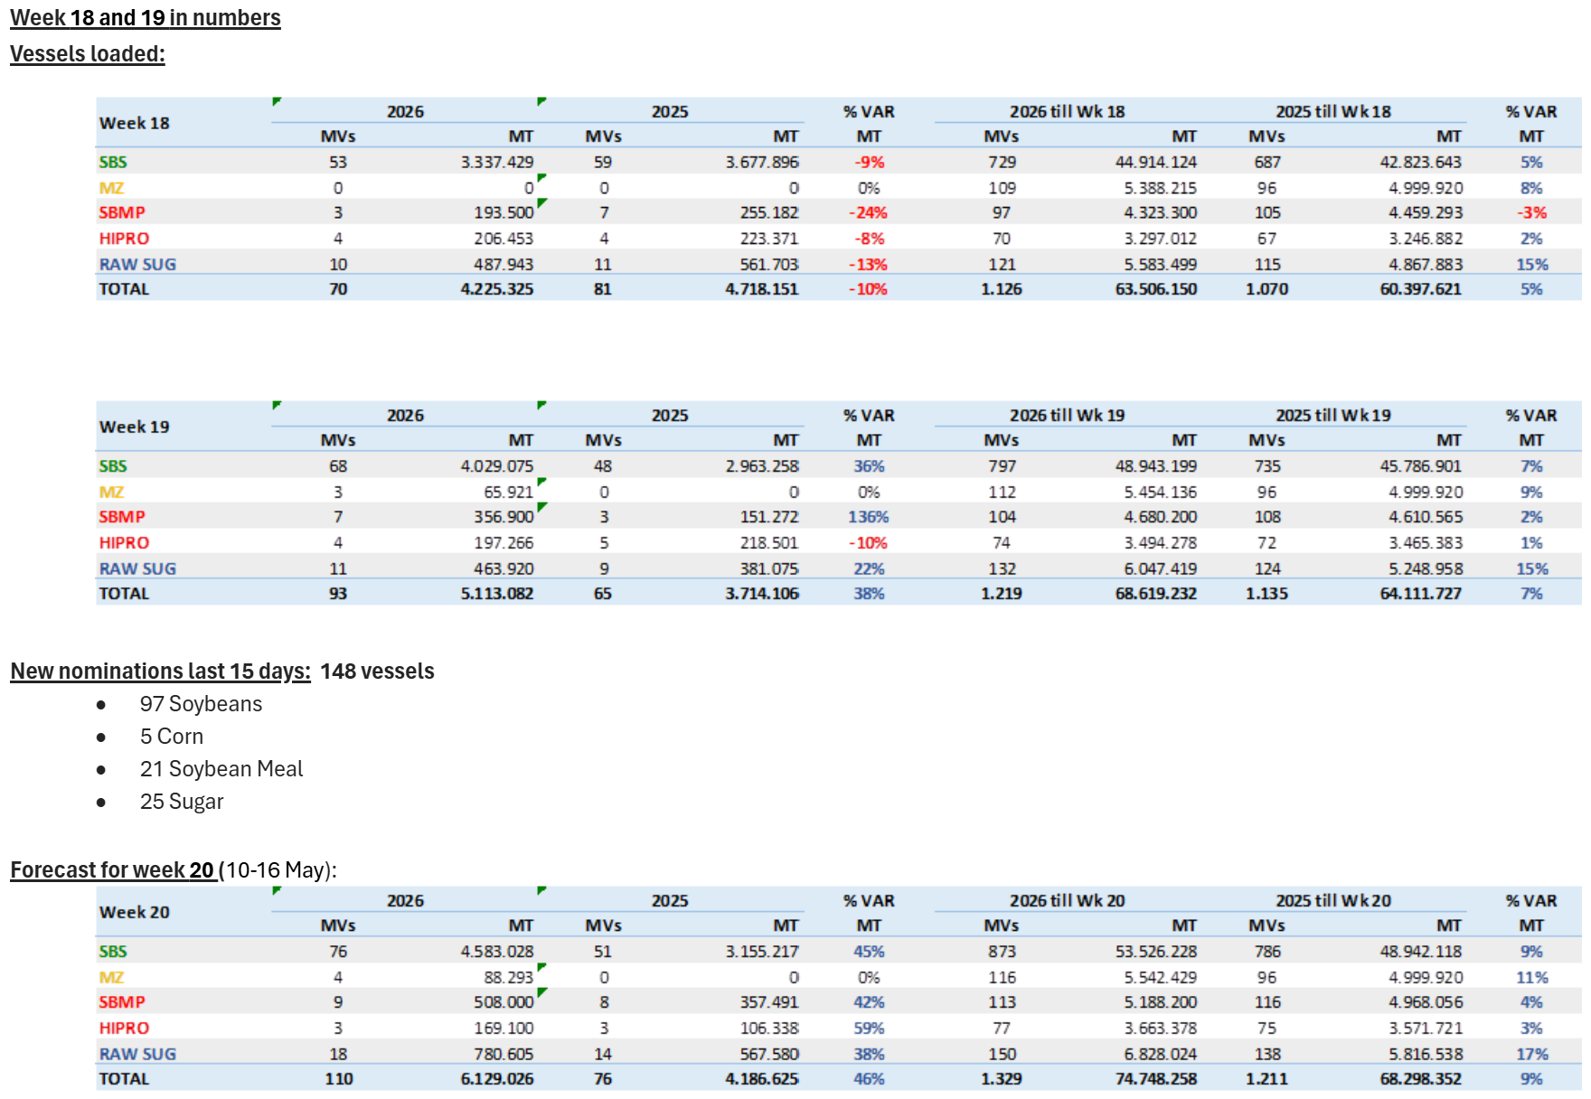
 |  |  |  |  |  |  |  |  | Corn |  | 2690
 |  |  |  |  |  |  |  |  | Wheat |  | 646
 |  |  |  |  |  |  |  |  | Meal |  | 1380
 |  |  |  |  |  |  |  |  | SBO |  | 337
 |  |  |  |  |  |  |  |  | Grand Total |  | 6296 |  |  |  | CM | Vol | Dest
 |  |  |  |  |  |  |  |  | 2026-04-28 |  |  | Row Labels | Count of Vol | Sum of Vol2 | Sunoil | 6,300 | Turkey
 |  |  |  |  |  |  |  |  | Ukraine |  |  | Corn | 13 | 364,635 | Corn | 26,600 | Turkey
 |  |  |  |  |  |  |  |  | Commodity | Vessels | MT | Sunmeal | 2 | 8,700 | Soybean | 16,500 | Tba
 |  |  |  |  |  |  |  |  | Wheat | 5 | 141 | Sunoil | 15 | 108,710 | Sunmeal | 5,700 | Turkey
 |  |  |  |  |  |  |  |  | Soybeans | 3 | 42 | Wheat | 5 | 140,800 | Wheat | 28,800 | Algeria
 |  |  |  |  |  |  |  |  | Rapeseed | 0 | 0 | Soybean | 3 | 41,500 | Corn | 28,300 | Egypt
 |  |  |  |  |  |  |  |  | Corn | 13 | 365 | Barley | 2 | 37,200 | Corn | 28,000 | Turkey
 |  |  |  |  |  |  |  |  | Sugar | 0 | 0 | (blank) |  |  | Corn | 15,000 | Syria
 |  |  |  |  |  |  |  |  | Sunoil | 15 | 109 | Grand Total | 40 | 701,545 | Wheat | 25,000 | Turkey
 |  |  |  |  |  |  |  |  | Grand Total | 40 | 702 |  |  |  | Barley | 30,000 | Libya
 |  |  |  |  |  |  |  |  |  |  |  |  |  |  | Soybean | 11,000 | Turkey
 |  |  |  |  |  |  |  |  |  |  |  |  |  |  | Soybean | 14,000 | Egypt
 |  |  |  |  |  |  |  |  |  |  |  |  |  |  | Wheat | 50,000 | Tba
 |  |  |  |  |  |  |  |  |  |  |  |  |  |  | Corn | 12,000 | Turkey
 |  |  |  |  |  |  |  |  |  |  |  |  |  |  | Wheat | 15,000 | Algeria
 |  |  |  |  |  |  |  |  |  |  |  |  |  |  | Sunoil | 6,000 | Spain
 |  |  |  |  |  |  |  |  |  |  |  |  |  |  | Sunoil | 6,000 | France
 |  |  |  |  |  |  |  |  |  |  |  |  |  |  | Corn | 27,600 | Egypt
 |  |  |  |  |  |  |  |  |  |  |  |  |  |  | Sunoil | 25,000 | France
 |  |  |  |  |  |  |  |  |  |  |  |  |  |  | Sunoil | 6,000 | France
 |  |  |  |  |  |  |  |  |  |  |  |  |  |  | Corn | 65,000 | Spain
 |  |  |  |  |  |  |  |  |  |  |  |  |  |  | Corn | 21,500 | Turkey
 |  |  |  |  |  |  |  |  |  |  |  |  |  |  | Sunoil | 6,100 | Turkey
 |  |  |  |  |  |  |  |  |  |  |  |  |  |  | Sunmeal | 3,000 | Italy
 |  |  |  |  |  |  |  |  |  |  |  |  |  |  | Corn | 46,135 | Israel
 |  |  |  |  |  |  |  |  |  |  |  |  |  |  | Corn | 25,000 | N/A
 |  |  |  |  |  |  |  |  |  |  |  |  |  |  | Barley | 7,200 | N/A
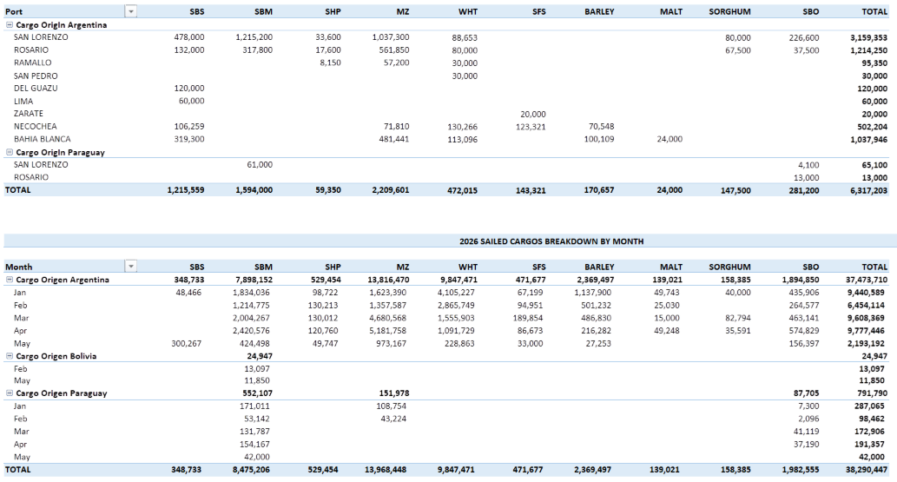
 |  |  |  |  |  |  |  |  |  |  |  |  |  |  | Sunoil | 2,500 | Italy
 |  |  |  |  |  |  |  |  |  |  |  |  |  |  | Sunoil | 5,100 | N/A
 |  |  |  |  |  |  |  |  |  |  |  |  |  |  | Sunoil | 16,000 | Netherlands
 |  |  |  |  |  |  |  |  |  |  |  |  |  |  | Sunoil | 5,500 | Lebanon
 |  |  |  |  |  |  |  |  |  |  |  |  |  |  | Corn | 33,000 | Saudi Arabia
 |  |  |  |  |  |  |  |  |  |  |  |  |  |  | Corn | 30,000 | Turkey
 |  |  |  |  |  |  |  |  |  |  |  |  |  |  | Sunoil | 3,500 | Turkey
 |  |  |  |  |  |  |  |  |  |  |  |  |  |  | Sunoil | 5,860 | Italy
 |  |  |  |  |  |  |  |  |  |  |  |  |  |  | Sunoil | 3,000 | Turkey
 |  |  |  |  |  |  |  |  |  |  |  |  |  |  | Corn | 6,500 | Cyprus
 |  |  |  |  |  |  |  |  |  |  |  |  |  |  | Sunoil | 5,850 | Spain
 |  |  |  |  |  |  |  |  |  |  |  |  |  |  | Wheat | 22,000 | Syria
 |  |  |  |  |  |  |  |  |  |  |  |  |  |  | Sunoil | 6,000 | Spain

4-28-26
MT: | COMMODITY: | DESTINATION: | MT: | COMMODITY: | DESTINATION: | MT | COMMODITY | DESTINATION
RVT | RVT | RVT | RVT | RVT | RVT | 1900-02-28 | WHT | VIETNAM
RVT | RVT | RVT | 60 | SORGHUM | CHINA | 1900-02-04 | WHT | JAPAN
38 | CORN/WHT | GUATEMALA | 60 | SORGHUM | CHINA | 20 | WHT | TAIWAN
50 | CORN | COLOMBIA | 30 | WHT | VENEZUELA | 26 | WHT | VIETNAM
RVT | RVT | RVT | 27 | WHT | DOM REP | 35 | WHT | JAPAN
50 | CORN | HONDURAS | 12 | WHT | HAITI | 1900-02-28 | WHT | PHILIPPINES
69 | YSB | CHINA |  |  |  | 33 | WHT | S. KOREA
35 | CORN | PORTUGAL |  |  |  | 65 | CORN | INDONESIA
65 | YSB | RVT |  |  |  | 40 | WHT | S. KOREA
30 | CORN/SBM | COLOMBIA |  |  |  | 61 | WHT | S. KOREA
40 | RICE | IRAQ |  |  |  | 20 | WHT | S. KOREA
18 | CGFP/GDDG/SBM | UNITED KINGDOM |  |  |  | 20 | WHT | TAIWAN
41 | CGM/GDDG | EGYPT |  |  |  | 65 | CORN | S. KOREA
66 | YSB | CHINA |  |  |  | 67 | CORN | S. KOREA
RVT | RVT | RVT |  |  |  | 67 | YSB | CHINA
66 | YSB | CHINA |  |  |  | 66 | YSB | CHINA
50 | CORN/SBM | COLOMBIA |  |  |  | 70 | WHT | INDONESIA
32 | CORN/SBM | VENEZUELA |  |  |  | 65 | CORN | S. KOREA
55 | CORN | NETHERLANDS |  |  |  | 65 | CORN | JAPAN
55 | CORN | NETHERLANDS |  |  |  | 35 | WHT | JAPAN
37 | CORN/YSB | MEXICO |  |  |  | 35 | WHT | RVT
32 | CORN/GDDG/SBM | EL SALVADOR/GUATEMALA |  |  |  | 34 | WHT | JAPAN
32 | CORN/SBM/WHT | EL SALVADOR |  |  |  | 60 | CORN | JAPAN
48 | CORN | MEXICO |  |  |  | 12 | WHT | PHILIPPINES
29 | CORN/SBM/YSB | VENEZUELA |  |  |  | 65 | CORN | S. KOREA
7 | WHT | HAITI |  |  |  | 65 | CORN | JAPAN
60 | CORN/SBM/WHT/YSB | COLOMBIA |  |  |  | 65 | CORN | S. KOREA
15 | WHT | JAMAICA |  |  |  | 65 | CORN | JAPAN
33 | CORN/SBM/WHT | GUATEMALA |  |  |  | 65 | CORN | S. KOREA
48 | CORN/WHT | MEXICO |  |  |  | 65 | CORN | JAPAN
58 | YSB | EGYPT |  |  |  | 24 | SBM | PHILIPPINES
50 | CORN/WHT | COLOMBIA/DOM REP |  |  |  | 66 | YSB | ASIA
18 | CGFP/GDDG/SBM | UNITED KINGDOM |  |  |  | 65 | CORN | ASIA
50 | YSB | JAPAN |  |  |  | 65 | CORN | S. KOREA
33 | DDGS/SBM | GUATEMALA |  |  |  | 65 | YSB | ASIA
43 | CORN/DDGS/SBM | PANAMA |  |  |  | 61 | CORN | JAPAN
42 | CORN/SBM/YSB | COLOMBIA |  |  |  | 69 | SORGHUM | CHINA
55 | CORN | COLOMBIA |  |  |  | RVT | RVT | RVT
RVT | RVT | RVT |  |  |  | 60 | CORN | JAPAN
50 | CORN/SBM | COLOMBIA |  |  |  | 30 | SBM | JAPAN
33 | CORN/SBM | REP DOM |  |  |  | RVT | RVT | RVT
25 | YSB | INDONESIA |  |  |  | 61 | CORN | JAPAN
RVT | RVT | RVT |  |  |  | 65 | SBM | S. KOREA
32 | CORN | UNITED KINGDOM |  |  |  | 30 | SBM | JAPAN
RVT | RVT | RVT |  |  |  | 1900-02-19 | SBM | PHILIPPINES
50 | CORN/WHT/YSB | COLOMBIA |  |  |  | 1900-02-17 | SBM | RVT
36 | YSB | INDONESIA |  |  |  | 33 | SBM | RVT
60 | CORN | RVT |  |  |  | 33 | SBM | RVT
25 | YSB | INDONESIA |  |  |  | 1900-03-07 | CORN | S. KOREA
RVT | RVT | RVT |  |  |  | 1900-03-08 | YSB | CHINA
52 | SBM | ITALY |  |  |  | 1900-02-28 | CORN | JAPAN
34 | CORN/SBM/RICE | HONDURAS |  |  |  | 1900-03-08 | YSB | CHINA
27 | RICE | COLOMBIA |  |  |  | 1900-03-06 | CORN | RVT
41 | DDGS | TURKEY |  |  |  | 34 | CORN | S. KOREA
59 | CORN/SBM | NETHERLANDS |  |  |  | 68 | CORN | S. KOREA
32 | CORN | VENEZUELA |  |  |  | 65 | CORN | JAPAN
36 | CORN | GUATEMALA |  |  |  | 68 | CORN | TAIWAN
 |  |  |  |  |  | 68 | CORN | TAIWAN

Row Labels | Count of MT: | Sum of MT:2 | Row Labels | Count of MT: | Sum of MT:2 | Row Labels | Count of MT | Sum of MT2 | US Gulf
CORN | 11 | 508 | SORGHUM | 2 | 120 | CORN | 25 | 1585 | Commodity | Vessels | MT
CORN/SBM | 6 | 254 | WHT | 3 | 69 | SBM | 8 | 313 | CORN | 11 | 508
CORN/SBM/WHT | 2 | 65 | (blank) |  |  | WHT | 16 | 596 | YSB | 9 | 460
CORN/YSB | 1 | 37 | RVT | 1 | 0 | YSB | 6 | 400 | SBM | 1 | 52
RVT | 8 | 0 | Grand Total | 6 | 189 | RVT | 2 | 0 | WHT | 2 | 22
SBM | 1 | 52 |  |  |  | SORGHUM | 1 | 69 | CORN/SBM | 6 | 254
YSB | 9 | 460 |  |  |  | (blank) |  |  | CORN/SBM/WHT | 2 | 65
CORN/SBM/YSB | 2 | 71 |  |  |  | Grand Total | 58 | 2963 | RVT | 8 | 0
RICE | 2 | 67 |  |  |  |  |  |  | Grand Total | 57 | 2042
CORN/GDDG/SBM | 1 | 32 |  |  |  |  |  |  | 2026-04-28
CORN/WHT | 3 | 136 |  |  |  |  |  |  | PNW
(blank) |  |  |  |  |  |  |  |  | Commodity | Vessels | MT
CORN/SBM/RICE | 1 | 34 |  |  |  |  |  |  | CORN | 25 | 1585
CORN/DDGS/SBM | 1 | 43 |  |  |  |  |  |  | SBM | 8 | 313
CORN/WHT/YSB | 1 | 50 |  |  |  |  |  |  | WHT | 16 | 596
WHT | 2 | 22 |  |  |  |  |  |  | YSB | 6 | 400
CGFP/GDDG/SBM | 2 | 36 |  |  |  |  |  |  | Sorghum | 1 | 69
CGM/GDDG | 1 | 41 |  |  |  |  |  |  | RVT | 2 | 0
CORN/SBM/WHT/YSB | 1 | 60 |  |  |  |  |  |  | Grand Total | 58 | 2963
DDGS/SBM | 1 | 33 |  |  |  |  |  |  | 2026-04-28
DDGS | 1 | 41 |  |  |  |  |  |  | Texas Gulf
Grand Total | 57 | 2042 |  |  |  |  |  |  | Commodity | Vessels | MT
 |  |  |  |  |  |  |  |  | WHT | 3 | 69
 |  |  |  |  |  |  |  |  | SORGHUM | 2 | 120
 |  |  |  |  |  |  |  |  | Corn | 0 | 0
 |  |  |  |  |  |  |  |  | Soybeans | 0 | 0
 |  |  |  |  |  |  |  |  | RVT | 1 | 0
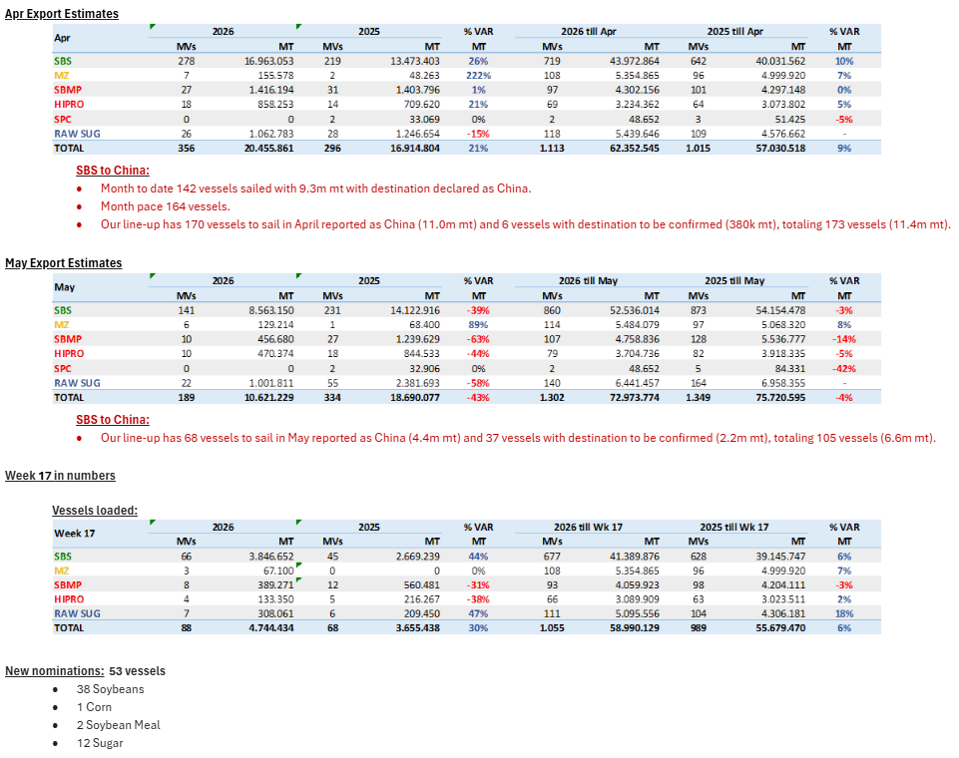
 |  |  |  |  |  |  |  |  | Grand Total | 6 | 189
 |  |  |  |  |  |  |  |  | 2026-04-28
 |  |  |  |  |  |  |  |  | Brazil
 |  |  |  |  |  |  |  |  | Commodity | Vessels | Week Est
 |  |  |  |  |  |  |  |  | Soybeans | 38 | 4790
 |  |  |  |  |  |  |  |  | Corn | 1 | 43
 |  |  |  |  |  |  |  |  | Meal | 2 | 750
 |  |  |  |  |  |  |  |  | Sugar | 12 | 689
 |  |  |  |  |  |  |  |  | DDGs | 0 | 0
 |  |  |  |  |  |  |  |  | Grand Total | 53 | 6174
 |  |  |  |  |  |  |  |  | 2026-04-28
 |  |  |  |  |  |  |  |  | Argentina
 |  |  |  |  |  |  |  |  | Commodity | Vessels | MT
 |  |  |  |  |  |  |  |  | Soybeans |  | 710
 |  |  |  |  |  |  |  |  | Corn |  | 2690
 |  |  |  |  |  |  |  |  | Wheat |  | 646
 |  |  |  |  |  |  |  |  | Meal |  | 1380
 |  |  |  |  |  |  |  |  | SBO |  | 337
 |  |  |  |  |  |  |  |  | Grand Total |  | 6296 |  |  |  | CM | Vol | Dest
 |  |  |  |  |  |  |  |  | 2026-04-28 |  |  | Row Labels | Count of Vol | Sum of Vol2 | Sunoil | 6,300 | Turkey
 |  |  |  |  |  |  |  |  | Ukraine |  |  | Corn | 13 | 364,635 | Corn | 26,600 | Turkey
 |  |  |  |  |  |  |  |  | Commodity | Vessels | MT | Sunmeal | 2 | 8,700 | Soybean | 16,500 | Tba
 |  |  |  |  |  |  |  |  | Wheat | 5 | 141 | Sunoil | 15 | 108,710 | Sunmeal | 5,700 | Turkey
 |  |  |  |  |  |  |  |  | Soybeans | 3 | 42 | Wheat | 5 | 140,800 | Wheat | 28,800 | Algeria
 |  |  |  |  |  |  |  |  | Rapeseed | 0 | 0 | Soybean | 3 | 41,500 | Corn | 28,300 | Egypt
 |  |  |  |  |  |  |  |  | Corn | 13 | 365 | Barley | 2 | 37,200 | Corn | 28,000 | Turkey
 |  |  |  |  |  |  |  |  | Sugar | 0 | 0 | (blank) |  |  | Corn | 15,000 | Syria
 |  |  |  |  |  |  |  |  | Sunoil | 15 | 109 | Grand Total | 40 | 701,545 | Wheat | 25,000 | Turkey
 |  |  |  |  |  |  |  |  | Grand Total | 40 | 702 |  |  |  | Barley | 30,000 | Libya
 |  |  |  |  |  |  |  |  |  |  |  |  |  |  | Soybean | 11,000 | Turkey
 |  |  |  |  |  |  |  |  |  |  |  |  |  |  | Soybean | 14,000 | Egypt
 |  |  |  |  |  |  |  |  |  |  |  |  |  |  | Wheat | 50,000 | Tba
 |  |  |  |  |  |  |  |  |  |  |  |  |  |  | Corn | 12,000 | Turkey
 |  |  |  |  |  |  |  |  |  |  |  |  |  |  | Wheat | 15,000 | Algeria
 |  |  |  |  |  |  |  |  |  |  |  |  |  |  | Sunoil | 6,000 | Spain
 |  |  |  |  |  |  |  |  |  |  |  |  |  |  | Sunoil | 6,000 | France
 |  |  |  |  |  |  |  |  |  |  |  |  |  |  | Corn | 27,600 | Egypt
 |  |  |  |  |  |  |  |  |  |  |  |  |  |  | Sunoil | 25,000 | France
 |  |  |  |  |  |  |  |  |  |  |  |  |  |  | Sunoil | 6,000 | France
 |  |  |  |  |  |  |  |  |  |  |  |  |  |  | Corn | 65,000 | Spain
 |  |  |  |  |  |  |  |  |  |  |  |  |  |  | Corn | 21,500 | Turkey
 |  |  |  |  |  |  |  |  |  |  |  |  |  |  | Sunoil | 6,100 | Turkey
 |  |  |  |  |  |  |  |  |  |  |  |  |  |  | Sunmeal | 3,000 | Italy
 |  |  |  |  |  |  |  |  |  |  |  |  |  |  | Corn | 46,135 | Israel
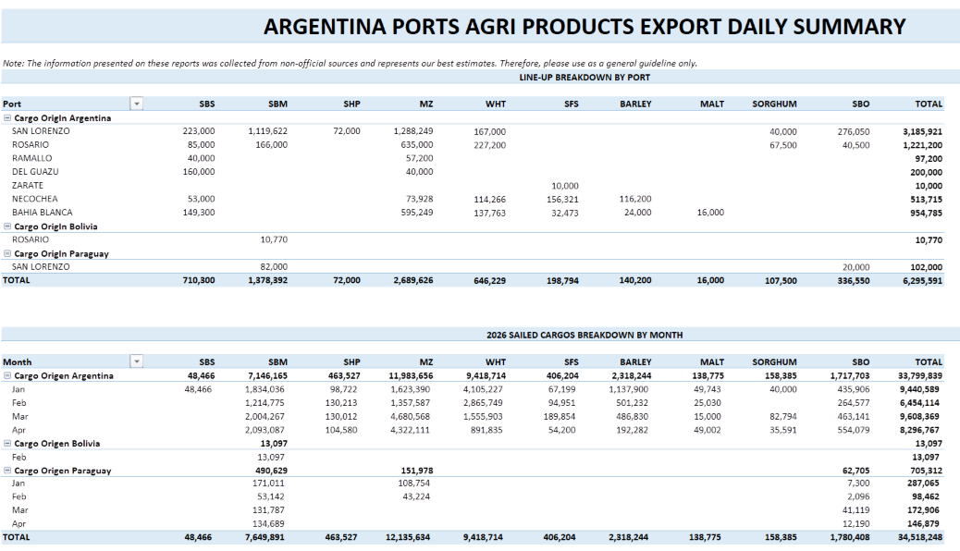
 |  |  |  |  |  |  |  |  |  |  |  |  |  |  | Corn | 25,000 | N/A
 |  |  |  |  |  |  |  |  |  |  |  |  |  |  | Barley | 7,200 | N/A
 |  |  |  |  |  |  |  |  |  |  |  |  |  |  | Sunoil | 2,500 | Italy
 |  |  |  |  |  |  |  |  |  |  |  |  |  |  | Sunoil | 5,100 | N/A
 |  |  |  |  |  |  |  |  |  |  |  |  |  |  | Sunoil | 16,000 | Netherlands
 |  |  |  |  |  |  |  |  |  |  |  |  |  |  | Sunoil | 5,500 | Lebanon
 |  |  |  |  |  |  |  |  |  |  |  |  |  |  | Corn | 33,000 | Saudi Arabia
 |  |  |  |  |  |  |  |  |  |  |  |  |  |  | Corn | 30,000 | Turkey
 |  |  |  |  |  |  |  |  |  |  |  |  |  |  | Sunoil | 3,500 | Turkey
 |  |  |  |  |  |  |  |  |  |  |  |  |  |  | Sunoil | 5,860 | Italy
 |  |  |  |  |  |  |  |  |  |  |  |  |  |  | Sunoil | 3,000 | Turkey
 |  |  |  |  |  |  |  |  |  |  |  |  |  |  | Corn | 6,500 | Cyprus
 |  |  |  |  |  |  |  |  |  |  |  |  |  |  | Sunoil | 5,850 | Spain
 |  |  |  |  |  |  |  |  |  |  |  |  |  |  | Wheat | 22,000 | Syria
 |  |  |  |  |  |  |  |  |  |  |  |  |  |  | Sunoil | 6,000 | Spain

4-21-26
MT: | COMMODITY: | DESTINATION: | MT: | COMMODITY: | DESTINATION: | MT | COMMODITY | DESTINATION
30 | CORN | MEXICO | RVT | RVT | RVT | 50 | WHT | S. KOREA
43 | CORN/DDGS/SBM | PANAMA | 30 | WHT | MEXICO | 60 | WHT | VIETNAM
RVT | RVT | RVT | 35 | CORN | VENEZUELA | 35 | WHT | JAPAN
51 | CORN | RVT | RVT | RVT | RVT | 35 | WHT | JAPAN
38 | CORN/WHT | GUATEMALA | 32 | CORN | RVT | 20 | WHT | TAIWAN
35 | CORN | NICARAGUA | 60 | SORGHUM | CHINA | 66 | CORN | VIETNAM
53 | CORN | COLOMBIA | 60 | SORGHUM | CHINA | 62 | WHT | THAILAND
69 | YSB | CHINA | 60 | SORGHUM | CHINA | 40 | WHT | S. KOREA
66 | YSB | CHINA | 30 | WHT | VENEZUELA | 33 | WHT | S. KOREA
50 | CORN | COLOMBIA | 27 | WHT | DOM REP | 65 | CORN | INDONESIA
35 | CORN | PORTUGAL | 12 | WHT | HAITI | 61 | WHT | S. KOREA
65 | YSB | RVT |  |  |  | 20 | WHT | RVT
40 | RICE | IRAQ |  |  |  | 20 | WHT | TAIWAN
70 | YSB | CHINA |  |  |  | 65 | CORN | S. KOREA
18 | CGFP/GDDG/SBM | UNITED KINGDOM |  |  |  | 67 | CORN | S. KOREA
41 | CGM/GDDG | EGYPT |  |  |  | 38 | WHT | RVT
66 | YSB | CHINA |  |  |  | 34 | CORN | TAIWAN
30 | CORN/SBM/WHT | MEXICO |  |  |  | 65 | CORN | S. KOREA
37 | CORN/WHT/YSB | COSTA RICA |  |  |  | 66 | YSB | CHINA
7 | WHT | BELIZE |  |  |  | 70 | WHT | INDONESIA
50 | CORN/GDDG/YSB | COSTA RICA |  |  |  | 68 | CORN | TAIWAN
50 | CORN | JAPAN |  |  |  | 65 | CORN | JAPAN
30 | CORN/SBM | DOM REP |  |  |  | 65 | CORN | JAPAN
51 | CORN/CGM/WHT/YSB | COLOMBIA |  |  |  | 35 | WHT | JAPAN
30 | CORN | VENEZUELA |  |  |  | 60 | CORN | JAPAN
50 | CORN/SBM | COLOMBIA |  |  |  | 65 | CORN | JAPAN
40 | CORN/YSB | VENEZUELA |  |  |  | 65 | CORN | JAPAN
7 | WHT | HAITI |  |  |  | 65 | CORN | JAPAN
32 | WHT | DOM REP |  |  |  | 65 | CORN | S. KOREA
30 | CORN/WHT | MEXICO |  |  |  | 65 | CORN | JAPAN
32 | CORN/GDDG/SBM | EL SALVADOR/GUATEMALA |  |  |  | 65 | CORN | S. KOREA
66 | YSB | CHINA |  |  |  | 65 | CORN | JAPAN
29 | CORN/SBM/YSB | VENEZUELA |  |  |  | 65 | CORN | S. KOREA
32 | CORN/SBM | VENEZUELA |  |  |  | 65 | CORN | JAPAN
55 | CORN | COLOMBIA |  |  |  | 60 | WHY | PHILIPPINES
31 | CORN/SBM | DOM REP |  |  |  | 33 | YSB | CHINA
48 | CORN | MEXICO |  |  |  | 65 | CORN | TAIWAN
7 | WHT | HAITI |  |  |  | 66 | YSB | ASIA
30 | CORN/SBM | MEXICO |  |  |  | 65 | CORN | ASIA
55 | CORN | NETHERLANDS |  |  |  | 65 | CORN | S. KOREA
42 | CORN/SBM/YSB | COLOMBIA |  |  |  | 65 | CORN | ASIA
59 | YSB | CHINA |  |  |  | 48 | SBM | PHILIPPINES
49 | CORN/DDGS/YSB | JAPAN |  |  |  | 65 | YSB | ASIA
50 | YSB | JAPAN |  |  |  | 61 | CORN | JAPAN
55 | CORN/SBM | NETHERLANDS |  |  |  | 69 | SORGHUM | CHINA
33 | CORN/GDDG/SBM | EL SALVADOR/GUATEMALA |  |  |  | 60 | CORN | JAPAN
38 | CORN/SBM/YSB | MEXICO |  |  |  | 30 | SBM | JAPAN
55 | CORN/SBM | COLOMBIA |  |  |  | 65 | SBM | S. KOREA
30 | CORN/DDGS | HONDURAS |  |  |  | 30 | SBM | JAPAN
50 | CORN | HONDURAS |  |  |  | 50 | SBM | PHILIPPINES
31 | CORN/DDGS | MEXICO |  |  |  | 50 | SBM | PHILIPPINES
50 | CORN/SBM | COLOMBIA |  |  |  | 48 | SBM | RVT
34 | CORN/RICE/SBM | COSTA RICA |  |  |  | 33 | SBM | RVT
51 | CORN/SBM | COLOMBIA |  |  |  | 33 | SBM | RVT
62 | CORN | SPAIN |  |  |  | 67 | CORN | TAIWAN
25 | YSB | INDONESIA |  |  |  | 66 | SORGHUM | CHINA
30 | CORN | RVT |  |  |  | 67 | CORN | S. KOREA
34 | YSB | INDONESIA |  |  |  | 68 | YSB | CHINA
25 | YSB | INDONESIA |  |  |  | 66 | CORN | RVT
RVT | RVT | RVT |  |  |  | 60 | CORN | JAPAN
38 | DDGS/SBM/RICE | COLOMBIA |  |  |  | 68 | CORN | S. KOREA
30 | SBM | HONDURAS |  |  |  | 68 | CORN | S. KOREA
50 | YSB | ITALY |  |  |  | 65 | CORN | JAPAN
34 | CORN/SBM/RICE | HONDURAS |  |  |  | 65 | CORN | JAPAN
41 | DDGS | TURKEY
35 | CORN | GUATEMALA
27 | RICE | COLOMBIA
RVT | RVT | RVT

Row Labels | Count of MT: | Sum of MT:2 | Row Labels | Count of MT: | Sum of MT:2 | Row Labels | Count of MT | Sum of MT2 | US Gulf
CORN | 15 | 669 | SORGHUM | 3 | 180 | CORN | 33 | 2157 | Commodity | Vessels | MT
CORN/SBM | 9 | 384 | WHT | 4 | 99 | SBM | 7 | 289 | CORN | 15 | 669
CORN/SBM/WHT | 1 | 30 | CORN | 2 | 67 | WHT | 15 | 707 | YSB | 12 | 645
CORN/YSB | 1 | 40 | (blank) |  |  | YSB | 4 | 241 | SBM | 1 | 30
RVT | 3 | 0 | RVT | 2 | 0 | RVT | 1 | 0 | WHT | 4 | 53
SBM | 1 | 30 | Grand Total | 11 | 346 | SORGHUM | 2 | 135 | CORN/SBM | 9 | 384
YSB | 12 | 645 |  |  |  | Grand Total | 62 | 3529 | CORN/SBM/WHT | 1 | 30
CORN/SBM/YSB | 3 | 109 |  |  |  |  |  |  | RVT | 3 | 0
RICE | 2 | 67 |  |  |  |  |  |  | Grand Total | 68 | 2657
CORN/GDDG/SBM | 2 | 65 |  |  |  |  |  |  | 2026-04-21
CORN/WHT | 2 | 68 |  |  |  |  |  |  | PNW
(blank) |  |  |  |  |  |  |  |  | Commodity | Vessels | MT
CORN/SBM/RICE | 1 | 34 |  |  |  |  |  |  | CORN | 33 | 2157
CORN/DDGS/SBM | 1 | 43 |  |  |  |  |  |  | SBM | 7 | 289
CORN/WHT/YSB | 1 | 37 |  |  |  |  |  |  | WHT | 15 | 707
WHT | 4 | 53 |  |  |  |  |  |  | YSB | 4 | 241
CORN/GDDG/YSB | 1 | 50 |  |  |  |  |  |  | Sorghum | 2 | 135
CORN/DDGS/YSB | 1 | 49 |  |  |  |  |  |  | RVT | 1 | 0
DDGS/SBM/RICE | 1 | 38 |  |  |  |  |  |  | Grand Total | 62 | 3529
CORN/RICE/SBM | 1 | 34 |  |  |  |  |  |  | 2026-04-21
CGFP/GDDG/SBM | 1 | 18 |  |  |  |  |  |  | Texas Gulf
CGM/GDDG | 1 | 41 |  |  |  |  |  |  | Commodity | Vessels | MT
CORN/CGM/WHT/YSB | 1 | 51 |  |  |  |  |  |  | WHT | 4 | 99
CORN/DDGS | 2 | 61 |  |  |  |  |  |  | SORGHUM | 3 | 180
DDGS | 1 | 41 |  |  |  |  |  |  | Corn | 2 | 67
Grand Total | 68 | 2657 |  |  |  |  |  |  | Soybeans | 0 | 0
 |  |  |  |  |  |  |  |  | RVT | 2 | 0
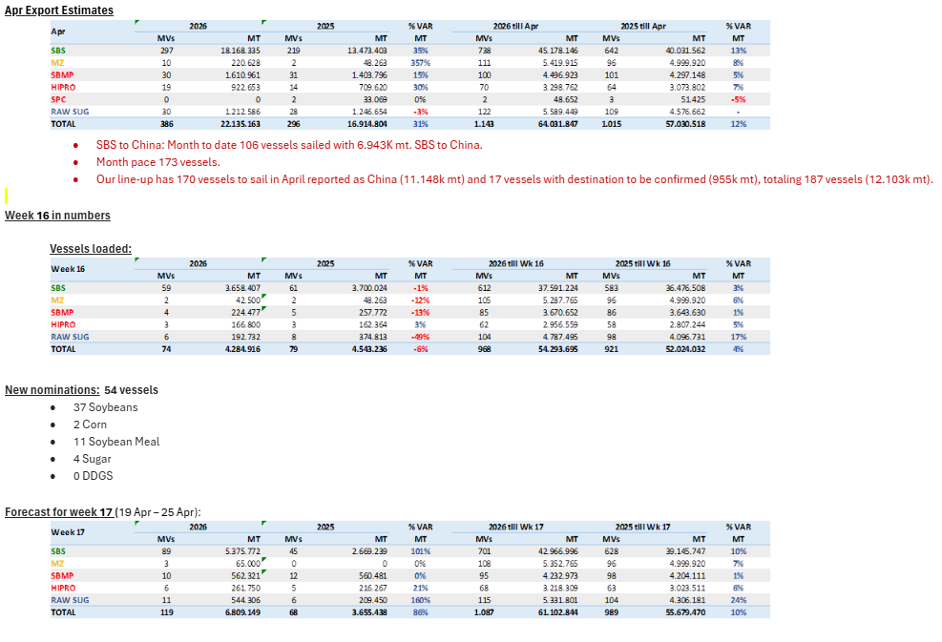
 |  |  |  |  |  |  |  |  | Grand Total | 11 | 346
 |  |  |  |  |  |  |  |  | 2026-04-21
 |  |  |  |  |  |  |  |  | Brazil
 |  |  |  |  |  |  |  |  | Commodity | Vessels | Week Est
 |  |  |  |  |  |  |  |  | Soybeans | 37 | 5376
 |  |  |  |  |  |  |  |  | Corn | 2 | 65
 |  |  |  |  |  |  |  |  | Meal | 11 | 824
 |  |  |  |  |  |  |  |  | Sugar | 4 | 544
 |  |  |  |  |  |  |  |  | DDGs | 0 | 0
 |  |  |  |  |  |  |  |  | Grand Total | 54 | 6809
 |  |  |  |  |  |  |  |  | 2026-04-21
 |  |  |  |  |  |  |  |  | Argentina
 |  |  |  |  |  |  |  |  | Commodity | Vessels | MT
 |  |  |  |  |  |  |  |  | Soybeans |  | 466
 |  |  |  |  |  |  |  |  | Corn |  | 2491
 |  |  |  |  |  |  |  |  | Wheat |  | 653
 |  |  |  |  |  |  |  |  | Meal |  | 1398
 |  |  |  |  |  |  |  |  | SBO |  | 359
 |  |  |  |  |  |  |  |  | Grand Total |  | 5922 |  |  |  | CM | Vol | Dest
 |  |  |  |  |  |  |  |  | 2026-04-21 |  |  | Row Labels | Count of Vol | Sum of Vol2 | Sunmeal | 6,500 | Egypt
 |  |  |  |  |  |  |  |  | Ukraine |  |  | Corn | 13 | 357,827 | Corn | 66,000 | Netherlands
 |  |  |  |  |  |  |  |  | Commodity | Vessels | MT | Sunmeal | 2 | 51,500 | Corn | 32,500 | Turkey
 |  |  |  |  |  |  |  |  | Wheat | 3 | 107 | Sunoil | 11 | 71,650 | Corn | 46,177 | Turkey
 |  |  |  |  |  |  |  |  | Soybeans | 2 | 24 | Wheat | 3 | 107,000 | Sunmeal | 45,000 | China
 |  |  |  |  |  |  |  |  | Rapeseed | 0 | 0 | Soybean | 2 | 24,000 | Corn | 7,150 | Cyprus
 |  |  |  |  |  |  |  |  | Corn | 13 | 358 | Barley | 1 | 30,000 | Corn | 26,600 | Turkey
 |  |  |  |  |  |  |  |  | Sugar | 0 | 0 | Wheat Bran | 2 | 6,000 | Sunoil | 8,000 | N/A
 |  |  |  |  |  |  |  |  | Sunoil | 11 | 72 | Peas | 1 | 4,000 | Wheat Bran | 3,000 | Turkey
 |  |  |  |  |  |  |  |  | Grand Total | 35 | 652 | Grand Total | 35 | 651,977 | Peas | 4,000 | Turkey
 |  |  |  |  |  |  |  |  |  |  |  |  |  |  | Wheat | 27,000 | Algeria
 |  |  |  |  |  |  |  |  |  |  |  |  |  |  | Corn | 28,300 | Egypt
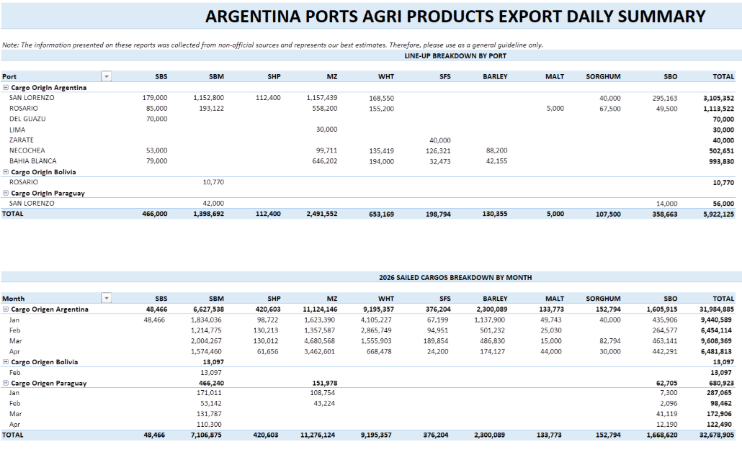
 |  |  |  |  |  |  |  |  |  |  |  |  |  |  | Sunoil | 18,600 | Netherlands
 |  |  |  |  |  |  |  |  |  |  |  |  |  |  | Corn | 15,000 | Syria
 |  |  |  |  |  |  |  |  |  |  |  |  |  |  | Sunoil | 5,950 | Italy
 |  |  |  |  |  |  |  |  |  |  |  |  |  |  | Wheat | 60,000 | Yemen
 |  |  |  |  |  |  |  |  |  |  |  |  |  |  | Corn | 11,300 | Egypt
 |  |  |  |  |  |  |  |  |  |  |  |  |  |  | Wheat | 20,000 | Turkey
 |  |  |  |  |  |  |  |  |  |  |  |  |  |  | Corn | 27,500 | Italy
 |  |  |  |  |  |  |  |  |  |  |  |  |  |  | Wheat Bran | 3,000 | Turkey
 |  |  |  |  |  |  |  |  |  |  |  |  |  |  | Barley | 30,000 | Libya
 |  |  |  |  |  |  |  |  |  |  |  |  |  |  | Corn | 31,300 | Turkey
 |  |  |  |  |  |  |  |  |  |  |  |  |  |  | Corn | 25,000 | Italy
 |  |  |  |  |  |  |  |  |  |  |  |  |  |  | Corn | 30,000 | Turkey
 |  |  |  |  |  |  |  |  |  |  |  |  |  |  | Soybean | 10,000 | Turkey
 |  |  |  |  |  |  |  |  |  |  |  |  |  |  | Sunoil | 2,950 | Lebanon
 |  |  |  |  |  |  |  |  |  |  |  |  |  |  | Sunoil | 6,300 | Italy
 |  |  |  |  |  |  |  |  |  |  |  |  |  |  | Sunoil | 5,600 | Italy
 |  |  |  |  |  |  |  |  |  |  |  |  |  |  | Corn | 11,000 | Lebanon
 |  |  |  |  |  |  |  |  |  |  |  |  |  |  | Soybean | 14,000 | Egypt
 |  |  |  |  |  |  |  |  |  |  |  |  |  |  | Sunoil | 6,000 | N/A
 |  |  |  |  |  |  |  |  |  |  |  |  |  |  | Sunoil | 5,700 | Spain
 |  |  |  |  |  |  |  |  |  |  |  |  |  |  | Sunoil | 3,300 | Portugal
 |  |  |  |  |  |  |  |  |  |  |  |  |  |  | Sunoil | 3,000 | Italy
 |  |  |  |  |  |  |  |  |  |  |  |  |  |  | Sunoil | 6,250 | Turkey

4-15-26
MT: | COMMODITY: | DESTINATION: | MT: | COMMODITY: | DESTINATION: | MT | COMMODITY | DESTINATION
30 | RVT | MEXICO | RVT | RVT | RVT | 60 | WHT | PHILIPPINES
RVT | RVT | RVT | 30 | WHT | MEXICO | 50 | WHT | S. KOREA
43 | CORN/DDGS/SBM | PANAMA | 55 | CORN | RVT | 60 | WHT | VIETNAM
RVT | RVT | RVT | 35 | CORN | VENEZUELA | 35 | WHT | JAPAN
RVT | RVT | RVT | 20 | WHT | RVT | 35 | WHT | JAPAN
50 | CORN | RVT | 32 | CORN | RVT | 60 | CORN | JAPAN
38 | CORN/WHT | GUATEMALA | 60 | SORGHUM | CHINA | 38 | WHT | CHILE
57 | YSB | EGYPT | 60 | SORGHUM | CHINA | 30 | WHT | JAPAN
33 | CORN | MEXICO | 30 | WHT | VENEZUELA | 66 | CORN | VIETNAM
69 | YSB | CHINA |  |  |  | RVT | RVT | RVT
53 | CORN | COLOMBIA |  |  |  | 40 | WHT | S. KOREA
50 | CORN | COLOMBIA |  |  |  | 62 | WHT | THAILAND
40 | RICE | IRAQ |  |  |  | 33 | WHT | S. KOREA
40 | CGFP/GDDG | IRELAND |  |  |  | 65 | CORN | INDONESIA
70 | YSB | CHINA |  |  |  | 61 | WHT | S. KOREA
34 | CORN/SBM/WHT | GUATEMALA |  |  |  | 68 | CORN | TAIWAN
50 | CORN/SBM | COLOMBIA |  |  |  | 43 | YSB | BANGLADESH
37 | CORN/WHT/YSB | COSTA RICA |  |  |  | 38 | WHT | RVT
7 | WHT | BELIZE |  |  |  | 60 | WHT | PHILIPPINES
50 | CORN/GDDG/YSB | COSTA RICA |  |  |  | 65 | CORN | S. KOREA
32 | CORN/GDDG/SBM | EL SALVADOR/GUATEMALA |  |  |  | 66 | YSB | CHINA
30 | CORN/WHT | MEXICO |  |  |  | 70 | WHT | INDONESIA
33 | CORN/GDDG/SBM | EL SALVADOR/GUATEMALA |  |  |  | 68 | CORN | TAIWAN
52 | CORN/CGM/SBM/WHT/YSB | COLOMBIA |  |  |  | 65 | CORN | JAPAN
30 | CORN | DOM REP |  |  |  | 65 | CORN | JAPAN
30 | CORN/SBM/WHT | MEXICO |  |  |  | 35 | WHT | JAPAN
38 | CORN/SBM/YSB | MEXICO |  |  |  | 65 | CORN | S. KOREA
50 | CORN | JAPAN |  |  |  | 65 | CORN | JAPAN
40 | CORN/YSB | VENEZUELA |  |  |  | 65 | CORN | JAPAN
30 | CORN/WHT | MEXICO |  |  |  | 65 | CORN | JAPAN
66 | YSB | CHINA |  |  |  | 65 | CORN | JAPAN
31 | SBM/RICE/WHT | MEXICO |  |  |  | 65 | CORN | S. KOREA
59 | YSB | CHINA |  |  |  | 65 | CORN | S. KOREA
RVT | CORN/SBM | RVT |  |  |  | 65 | CORN | JAPAN
RVT | CORN/DDGS/YSB | JAPAN |  |  |  | 60 | CORN | ASIA
62 | CORN/CGFP/GDDG/SHP | UNITED KINGDOM |  |  |  | 48 | SBM | PHILIPPINES
55 | CORN | NETHERLANDS |  |  |  | 66 | YSB | CHINA
45 | CORN/SBM | DOM REP |  |  |  | 65 | CORN | TAIWAN
50 | YSB | CHINA |  |  |  | 66 | YSB | ASIA
53 | YSB | JAPAN |  |  |  | 65 | CORN | ASIA
50 | CORN/SBM | COLOMBIA |  |  |  | 65 | CORN | S. KOREA
51 | CORN/SBM | COLOMBIA |  |  |  | 65 | CORN | ASIA
62 | CORN | SPAIN |  |  |  | 48 | SBM | PHILIPPINES
58 | YSB | INDONESIA |  |  |  | 61 | CORN | JAPAN
41 | CORN | NICARAGUA |  |  |  | 69 | SORGHUM | CHINA
25 | YSB | INDONESIA |  |  |  | 45 | SBM | ASIA
25 | YSB | INDONESIA |  |  |  | 50 | SBM | PHILIPPINES
31 | SBM | DOM REP |  |  |  | 50 | SBM | PHILIPPINES
25 | CORN/CGM | CHILE |  |  |  | 48 | SBM | RVT
38 | DDGS/SBM/RICE | COLOMBIA |  |  |  | RVT | SBM | PHILIPPINES
34 | CORN/RICE/SBM | COSTA RICA |  |  |  | 73 | CORN | S. KOREA
26 | CORN/SBM | VENEZUELA |  |  |  | 67 | CORN | TAIWAN
30 | SBM | HONDURAS |  |  |  | 65 | CORN | JAPAN
34 | CORN/SBM/RICE | HONDURAS |  |  |  | 66 | SORGHUM | CHINA
 |  |  |  |  |  | 67 | CORN | S. KOREA
 |  |  |  |  |  | 68 | CORN | JAPAN
 |  |  |  |  |  | 68 | CORN | S. KOREA
 |  |  |  |  |  | 60 | CORN | JAPAN
 |  |  |  |  |  | 68 | CORN | S. KOREA
 |  |  |  |  |  | 68 | CORN | S. KOREA
 |  |  |  |  |  | 65 | CORN | JAPAN
 |  |  |  |  |  | 65 | CORN | JAPAN

Row Labels | Count of MT: | Sum of MT:2 | Row Labels | Count of MT: | Sum of MT:2 | Row Labels | Count of MT | Sum of MT2 | US Gulf
CORN | 9 | 424 | SORGHUM | 2 | 120 | CORN | 33 | 2157 | Commodity | Vessels | MT
CORN/SBM | 6 | 222 | WHT | 3 | 80 | SBM | 7 | 289 | CORN | 9 | 424
CORN/SBM/WHT | 2 | 64 | CORN | 3 | 122 | WHT | 15 | 707 | YSB | 10 | 532
CORN/YSB | 1 | 40 | (blank) |  |  | YSB | 4 | 241 | SBM | 2 | 61
RVT | 4 | 30 | RVT | 1 | 0 | RVT | 1 | 0 | WHT | 1 | 7
SBM | 2 | 61 | Grand Total | 9 | 322 | SORGHUM | 2 | 135 | CORN/SBM | 6 | 222
YSB | 10 | 532 |  |  |  | Grand Total | 62 | 3529 | CORN/SBM/WHT | 2 | 64
CORN/SBM/YSB | 1 | 38 |  |  |  |  |  |  | RVT | 4 | 30
RICE | 1 | 40 |  |  |  |  |  |  | Grand Total | 54 | 2067
CORN/GDDG/SBM | 2 | 65 |  |  |  |  |  |  | 2026-04-14
CORN/WHT | 3 | 98 |  |  |  |  |  |  | PNW
(blank) |  |  |  |  |  |  |  |  | Commodity | Vessels | MT
CORN/SBM/RICE | 1 | 34 |  |  |  |  |  |  | CORN | 33 | 2157
CORN/CGM | 1 | 25 |  |  |  |  |  |  | SBM | 7 | 289
CORN/DDGS/SBM | 1 | 43 |  |  |  |  |  |  | WHT | 15 | 707
CGFP/GDDG | 1 | 40 |  |  |  |  |  |  | YSB | 4 | 241
CORN/WHT/YSB | 1 | 37 |  |  |  |  |  |  | Sorghum | 2 | 135
WHT | 1 | 7 |  |  |  |  |  |  | RVT | 1 | 0
CORN/GDDG/YSB | 1 | 50 |  |  |  |  |  |  | Grand Total | 62 | 3529
CORN/CGM/SBM/WHT/YSB | 1 | 52 |  |  |  |  |  |  | 2026-04-14
SBM/RICE/WHT | 1 | 31 |  |  |  |  |  |  | Texas Gulf
CORN/DDGS/YSB | 1 | 0 |  |  |  |  |  |  | Commodity | Vessels | MT
CORN/CGFP/GDDG/SHP | 1 | 62 |  |  |  |  |  |  | WHT | 3 | 80
DDGS/SBM/RICE | 1 | 38 |  |  |  |  |  |  | SORGHUM | 2 | 120
CORN/RICE/SBM | 1 | 34 |  |  |  |  |  |  | Corn | 3 | 122
Grand Total | 54 | 2067 |  |  |  |  |  |  | Soybeans | 0 | 0
 |  |  |  |  |  |  |  |  | RVT | 1 | 0
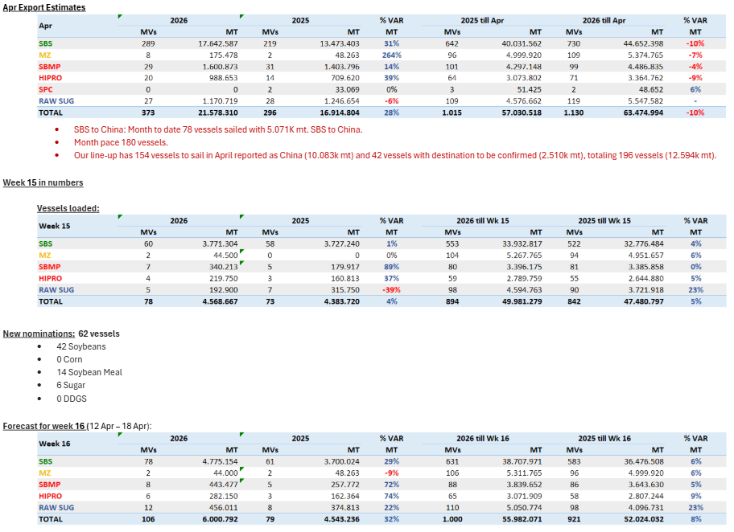
 |  |  |  |  |  |  |  |  | Grand Total | 9 | 322
 |  |  |  |  |  |  |  |  | 2026-04-14
 |  |  |  |  |  |  |  |  | Brazil
 |  |  |  |  |  |  |  |  | Commodity | Vessels | Week Est
 |  |  |  |  |  |  |  |  | Soybeans | 42 | 4775
 |  |  |  |  |  |  |  |  | Corn | 0 | 44
 |  |  |  |  |  |  |  |  | Meal | 14 | 725
 |  |  |  |  |  |  |  |  | Sugar | 6 | 456
 |  |  |  |  |  |  |  |  | DDGs | 0 | 0
 |  |  |  |  |  |  |  |  | Grand Total | 62 | 6001
 |  |  |  |  |  |  |  |  | 2026-04-14
 |  |  |  |  |  |  |  |  | Argentina
 |  |  |  |  |  |  |  |  | Commodity | Vessels | MT
 |  |  |  |  |  |  |  |  | Soybeans |  | 263
 |  |  |  |  |  |  |  |  | Corn |  | 3011
 |  |  |  |  |  |  |  |  | Wheat |  | 618
 |  |  |  |  |  |  |  |  | Meal |  | 1595
 |  |  |  |  |  |  |  |  | SBO |  | 337
 |  |  |  |  |  |  |  |  | Grand Total |  | 6301 |  |  |  | CM | Vol | Dest
 |  |  |  |  |  |  |  |  | 2026-04-14 |  |  | Row Labels | Count of Vol | Sum of Vol2 | Soybean | 9,500 | Turkey
 |  |  |  |  |  |  |  |  | Ukraine |  |  | Corn | 15 | 443,250 | Wheat | 53,000 | Spain
 |  |  |  |  |  |  |  |  | Commodity | Vessels | MT | Sunmeal | 3 | 99,213 | Sunmeal | 6,500 | Egypt
 |  |  |  |  |  |  |  |  | Wheat | 7 | 273 | Sunoil | 9 | 78,650 | Wheat | 59,000 | N/A
 |  |  |  |  |  |  |  |  | Soybeans | 2 | 15 | Wheat | 7 | 273,000 | Corn | 26,300 | Libya
 |  |  |  |  |  |  |  |  | Rapeseed | 0 | 0 | Soybean | 2 | 15,000 | Corn | 33,000 | Turkey
 |  |  |  |  |  |  |  |  | Corn | 15 | 443 | Wheat Bran | 2 | 9,183 | Corn | 30,700 | Turkey
 |  |  |  |  |  |  |  |  | Sugar | 0 | 0 | Grain | 2 | 116,000 | Corn | 66,000 | Netherlands
 |  |  |  |  |  |  |  |  | Sunoil | 9 | 79 | Peas | 2 | 8,400 | Sunoil | 6,300 | Italy
 |  |  |  |  |  |  |  |  | Grand Total | 42 | 1043 | Grand Total | 42 | 1,042,696 | Wheat | 29,000 | Algeria
 |  |  |  |  |  |  |  |  |  |  |  |  |  |  | Corn | 30,000 | Turkey
 |  |  |  |  |  |  |  |  |  |  |  |  |  |  | Sunmeal | 47,713 | China
 |  |  |  |  |  |  |  |  |  |  |  |  |  |  | Wheat Bran | 6,183 | Turkey
 |  |  |  |  |  |  |  |  |  |  |  |  |  |  | Corn | 3,400 | Greece
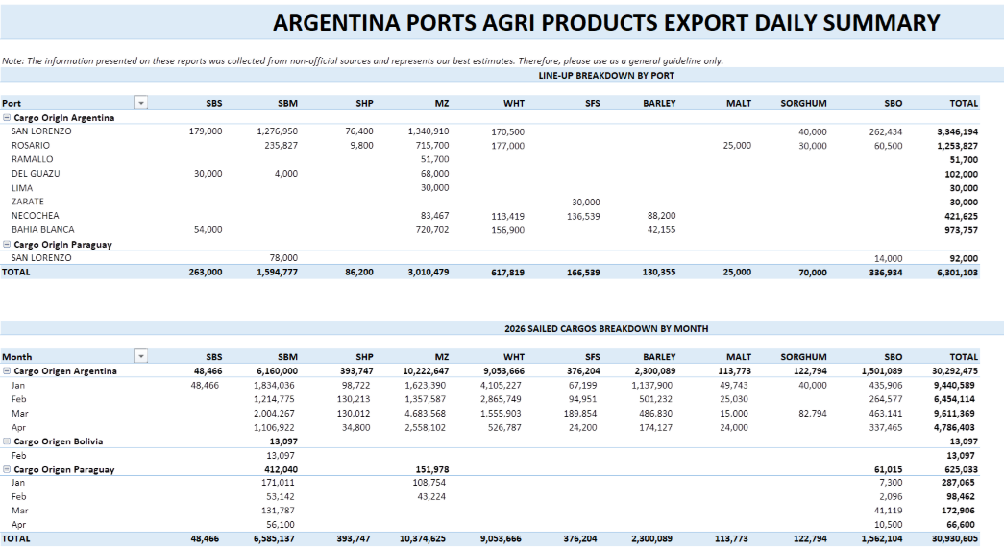
 |  |  |  |  |  |  |  |  |  |  |  |  |  |  | Corn | 48,000 | Israel
 |  |  |  |  |  |  |  |  |  |  |  |  |  |  | Soybean | 5,500 | Egypt
 |  |  |  |  |  |  |  |  |  |  |  |  |  |  | Wheat | 30,000 | Algeria
 |  |  |  |  |  |  |  |  |  |  |  |  |  |  | Sunmeal | 45,000 | China
 |  |  |  |  |  |  |  |  |  |  |  |  |  |  | Corn | 30,300 | Turkey
 |  |  |  |  |  |  |  |  |  |  |  |  |  |  | Corn | 7,150 | Cyprus
 |  |  |  |  |  |  |  |  |  |  |  |  |  |  | Corn | 26,500 | Italy
 |  |  |  |  |  |  |  |  |  |  |  |  |  |  | Corn | 28,000 | Turkey
 |  |  |  |  |  |  |  |  |  |  |  |  |  |  | Sunoil | 7,300 | Italy
 |  |  |  |  |  |  |  |  |  |  |  |  |  |  | Sunoil | 12,000 | Turkey
 |  |  |  |  |  |  |  |  |  |  |  |  |  |  | Corn | 32,500 | Israel
 |  |  |  |  |  |  |  |  |  |  |  |  |  |  | Grain | 50,000 | Spain
 |  |  |  |  |  |  |  |  |  |  |  |  |  |  | Wheat Bran | 3,000 | N/A
 |  |  |  |  |  |  |  |  |  |  |  |  |  |  | Wheat | 15,000 | Egypt
 |  |  |  |  |  |  |  |  |  |  |  |  |  |  | Peas | 4,400 | Italy
 |  |  |  |  |  |  |  |  |  |  |  |  |  |  | Peas | 4,000 | Turkey
 |  |  |  |  |  |  |  |  |  |  |  |  |  |  | Corn | 16,400 | Turkey
 |  |  |  |  |  |  |  |  |  |  |  |  |  |  | Corn | 50,000 | N/A
 |  |  |  |  |  |  |  |  |  |  |  |  |  |  | Grain | 66,000 | Egypt
 |  |  |  |  |  |  |  |  |  |  |  |  |  |  | Corn | 15,000 | Syria
 |  |  |  |  |  |  |  |  |  |  |  |  |  |  | Wheat | 27,000 | Algeria
 |  |  |  |  |  |  |  |  |  |  |  |  |  |  | Sunoil | 7,250 | Spain
 |  |  |  |  |  |  |  |  |  |  |  |  |  |  | Sunoil | 18,600 | Netherlands
 |  |  |  |  |  |  |  |  |  |  |  |  |  |  | Sunoil | 6,300 | Italy
 |  |  |  |  |  |  |  |  |  |  |  |  |  |  | Sunoil | 12,000 | Spain
 |  |  |  |  |  |  |  |  |  |  |  |  |  |  | Wheat | 60,000 | Yemen
 |  |  |  |  |  |  |  |  |  |  |  |  |  |  | Sunoil | 5,600 | Italy
 |  |  |  |  |  |  |  |  |  |  |  |  |  |  | Sunoil | 3,300 | Spain

4-7-26
MT: | COMMODITY: | DESTINATION: | MT: | COMMODITY: | DESTINATION: | MT | COMMODITY | DESTINATION
RVT | RVT | RVT | RVT | RVT | RVT | 66 | YSB | CHINA
33 | CORN/SBM/WHT | EL SALVADOR | 30 | WHT | MEXICO | 65 | CORN | JAPAN
52 | CORN | JAPAN | 45 | CORN | RVT | 65 | CORN | S. KOREA
43 | CORN/DDGS/SBM | PANAMA | RVT | RVT | RVT | 65 | CORN | S. KOREA
RVT | RVT | RVT | 7 | CORN | JAMAICA | 65 | CORN | JAPAN
RVT | RVT | RVT | RVT | RVT | RVT | 65 | CORN | JAPAN
35 | CORN/RICE/SBM | COSTA RICA | RVT | RVT | RVT | 65 | CORN | S. KOREA
50 | CORN | RVT | 35 | CORN | VENEZUELA | 65 | CORN | S. KOREA
58 | YSB | EGYPT | 66 | SORGHUM | CHINA | 60 | CORN | ASIA
61 | CORN | SPAIN | 63 | SORGHUM | CHINA | RVT | RVT | RVT
RVT | RVT | RVT | 60 | SORGHUM | CHINA | 48 | SBM | PHILIPPINES
50 | CORN/YSB | COLOMBIA | 60 | SORGHUM | CHINA | 66 | YSB | CHINA
65 | YSB | CHINA | 60 | SORGHUM | CHINA | 65 | CORN | ASIA
69 | YSB | CHINA |  |  |  | 65 | CORN | TAIWAN
RVT | RVT | RVT |  |  |  | 66 | YSB | ASIA
50 | YSB | CHINA |  |  |  | 65 | CORN | S. KOREA
57 | YSB | EGYPT |  |  |  | 65 | CORN | ASIA
53 | CORN | COLOMBIA |  |  |  | 48 | SBM | PHILIPPINES
40 | RICE | IRAQ |  |  |  | 1900-02-14 | SBM | RVT
35 | RICE | SENEGAL |  |  |  | 1900-02-14 | SBM | ASIA
40 | CGFP/GDDG | IRELAND |  |  |  | RVT | SBM | PHILIPPINES
RVT | SBM | ECUADOR |  |  |  | RVT | SBM | PHILIPPINES
65 | CORN | SPAIN |  |  |  | 1900-03-08 | CORN | TAIWAN
37 | CORN/WHT | HONDURAS |  |  |  | 1900-03-10 | CORN | S. KOREA
50 | CORN/SBM | COLOMBIA |  |  |  | 1900-03-13 | CORN | S. KOREA
37 | CORN/SBM/YSB | VENEZUELA |  |  |  | 1900-03-07 | CORN | TAIWAN
66 | YSB | CHINA |  |  |  | 1900-03-05 | CORN | JAPAN
48 | CORN/WHT | MEXICO |  |  |  | 1900-03-06 | SORGHUM | CHINA
50 | CORN/SBM | COLOMBIA |  |  |  | 1900-03-07 | CORN | S. KOREA
34 | CORN/WHT | NICARAGUA |  |  |  | 1900-03-05 | CORN | JAPAN
62 | CORN/CGFP/GDDG/SHP | UNITED KINGDOM |  |  |  | 1900-03-08 | CORN | JAPAN
32 | CORN/SBM/WHT | GUATEMALA |  |  |  | 1900-03-08 | CORN | S. KOREA
7 | WHT | BELIZE |  |  |  | 1900-03-08 | CORN | S. KOREA
32 | CORN/GDDG/SBM | EL SALVADOR/GUATEMALA |  |  |  | 60 | CORN | JAPAN
30 | CORN/WHT | MEXICO
57 | YSB | EGYPT
44 | SBM/WHT | ECUADOR
59 | YSB | CHINA
51 | CORN/SBM | COLOMBIA
RVT | CORN/SBM | RVT
31 | SBM/RICE/WHT | MEXICO
65 | CORN | SPAIN
66 | YSB | CHINA
31 | CORN/SBM | DOM REP
50 | CORN | COLOMBIA
RVT | RVT | RVT
52 | CORN/YSB | JAPAN
55 | CORN | COLOMBIA
RVT | RVT | RVT
RVT | RVT | RVT
71 | YSB | SPAIN
34 | CORN | VENEZUELA
55 | CORN | SPAIN
58 | YSB | INDONESIA
50 | CORN/YSB | JAPAN
RVT | RVT | RVT
25 | YSB | INDONESIA
35 | RICE | COLOMBIA
43 | DDGS/SBM | MOROCCO
31 | SBM | DOM REP
38 | DDGS/SBM/RICE | COLOMBIA
27 | RVT | COLOMBIA
RVT | CORN/SBM/RICE | HONDURAS
RVT | RVT | RVT
RVT | RVT | RVT

Row Labels | Count of MT: | Sum of MT:2 | Row Labels | Count of MT: | Sum of MT:2 | Row Labels | Count of MT | Sum of MT2 | US Gulf
CORN | 13 | 651 | SORGHUM | 7 | 429 | CORN | 27 | 1754 | Commodity | Vessels | MT
CORN/SBM | 7 | 282 | WHT | 5 | 174 | SBM | 2 | 93 | CORN | 13 | 651
CORN/SBM/WHT | 2 | 33 | CORN | 2 | 52 | WHT | 9 | 446 | YSB | 14 | 763
CORN/YSB | 5 | 233 | (blank) |  |  | YSB | 8 | 504 | SBM | 3 | 63
RVT | 8 | 0 | Grand Total | 14 | 655 | (blank) |  |  | WHT | 0 | 0
SBM | 3 | 63 |  |  |  | RVT | 2 | 0 | CORN/SBM | 7 | 282
YSB | 14 | 763 |  |  |  | Grand Total | 48 | 2797 | CORN/SBM/WHT | 2 | 33
CORN/SBM/YSB | 1 | 44 |  |  |  |  |  |  | RVT | 8 | 0
RICE | 2 | 75 |  |  |  |  |  |  | Grand Total | 72 | 2780
CORN/GDDG/SBM | 1 | 32 |  |  |  |  |  |  | 2026-04-07
CORN/WHT | 4 | 150 |  |  |  |  |  |  | PNW
(blank) |  |  |  |  |  |  |  |  | Commodity | Vessels | MT
CORN/SBM/RICE | 1 | 50 |  |  |  |  |  |  | CORN | 27 | 1754
CORN/CGM | 1 | 50 |  |  |  |  |  |  | SBM | 2 | 93
SBM/WHT | 3 | 121 |  |  |  |  |  |  | WHT | 9 | 446
CORN/SBM/WHT/YSB | 1 | 14 |  |  |  |  |  |  | YSB | 8 | 504
DDGS/SBM | 1 | 30 |  |  |  |  |  |  | Sorghum | 0 | 0
DDGS/RICE/SBM | 1 | 48 |  |  |  |  |  |  | RVT | 2 | 0
CORN/GDDGS/WHT/SBM | 1 | 33 |  |  |  |  |  |  | Grand Total | 48 | 2797
CORN/RICE | 1 | 45 |  |  |  |  |  |  | 2026-04-07
CORN/GDDG/SHP/SBM/WHT | 1 | 36 |  |  |  |  |  |  | Texas Gulf
DDGS | 1 | 27 |  |  |  |  |  |  | Commodity | Vessels | MT
Grand Total | 72 | 2780 |  |  |  |  |  |  | WHT | 5 | 174
 |  |  |  |  |  |  |  |  | SORGHUM | 7 | 429
 |  |  |  |  |  |  |  |  | Corn | 2 | 52
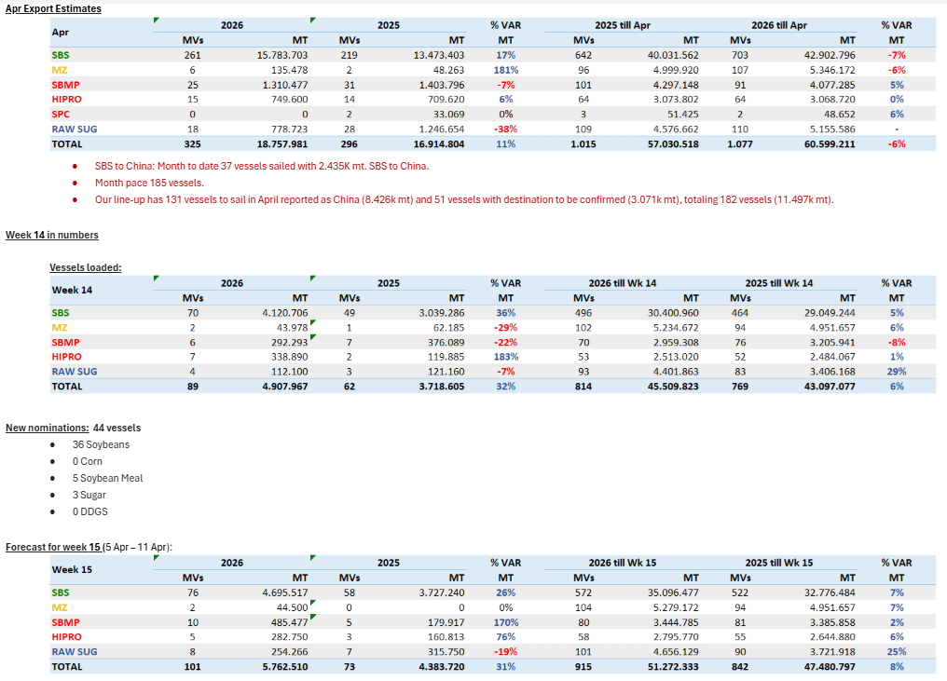
 |  |  |  |  |  |  |  |  | Soybeans | 0 | 0
 |  |  |  |  |  |  |  |  | RVT | 0 | 0
 |  |  |  |  |  |  |  |  | Grand Total | 14 | 655
 |  |  |  |  |  |  |  |  | 2026-04-07
 |  |  |  |  |  |  |  |  | Brazil
 |  |  |  |  |  |  |  |  | Commodity | Vessels | Week Est
 |  |  |  |  |  |  |  |  | Soybeans | 36 | 4696
 |  |  |  |  |  |  |  |  | Corn | 0 | 45
 |  |  |  |  |  |  |  |  | Meal | 5 | 768
 |  |  |  |  |  |  |  |  | Sugar | 3 | 254
 |  |  |  |  |  |  |  |  | DDGs | 0 | 0
 |  |  |  |  |  |  |  |  | Grand Total | 44 | 5763
 |  |  |  |  |  |  |  |  | 2026-04-07
 |  |  |  |  |  |  |  |  | Argentina
 |  |  |  |  |  |  |  |  | Commodity | Vessels | MT
 |  |  |  |  |  |  |  |  | Soybeans |  | 44
 |  |  |  |  |  |  |  |  | Corn |  | 3470
 |  |  |  |  |  |  |  |  | Wheat |  | 606
 |  |  |  |  |  |  |  |  | Meal |  | 1542
 |  |  |  |  |  |  |  |  | SBO |  | 286
 |  |  |  |  |  |  |  |  | Grand Total |  | 6386 |  |  |  | CM | Vol | Dest
 |  |  |  |  |  |  |  |  | 2026-04-07 |  |  | Row Labels | Count of Vol | Sum of Vol2 | Soybean | 29,150 | France
 |  |  |  |  |  |  |  |  | Ukraine |  |  | Corn | 16 | 427,564 | Wheat | 54,000 | Djibouti
 |  |  |  |  |  |  |  |  | Commodity | Vessels | MT | Sunmeal | 1 | 6,000 | Corn | 30,000 | Turkey
 |  |  |  |  |  |  |  |  | Wheat | 9 | 447 | Sunoil | 12 | 127,170 | Corn | 30,000 | Egypt
 |  |  |  |  |  |  |  |  | Soybeans | 2 | 32 | Wheat | 9 | 446,623 | Corn | 28,500 | Turkey
 |  |  |  |  |  |  |  |  | Rapeseed | 0 | 0 | Soybean | 2 | 32,150 | Wheat | 53,000 | Spain
 |  |  |  |  |  |  |  |  | Corn | 16 | 428 | Grand Total | 40 | 1,039,507 | Wheat | 60,000 | Indonesia
 |  |  |  |  |  |  |  |  | Sugar | 0 | 0 |  |  |  | Corn | 43,000 | Spain
 |  |  |  |  |  |  |  |  | Sunoil | 12 | 127 |  |  |  | Sunoil | 5,850 | Turkey
 |  |  |  |  |  |  |  |  | Grand Total | 40 | 1040 |  |  |  | Wheat | 59,000 | Bangladesh
 |  |  |  |  |  |  |  |  |  |  |  |  |  |  | Corn | 25,550 | Italy
 |  |  |  |  |  |  |  |  |  |  |  |  |  |  | Sunoil | 6,250 | Turkey
 |  |  |  |  |  |  |  |  |  |  |  |  |  |  | Corn | 30,000 | Turkey
 |  |  |  |  |  |  |  |  |  |  |  |  |  |  | Sunoil | 25,000 | India
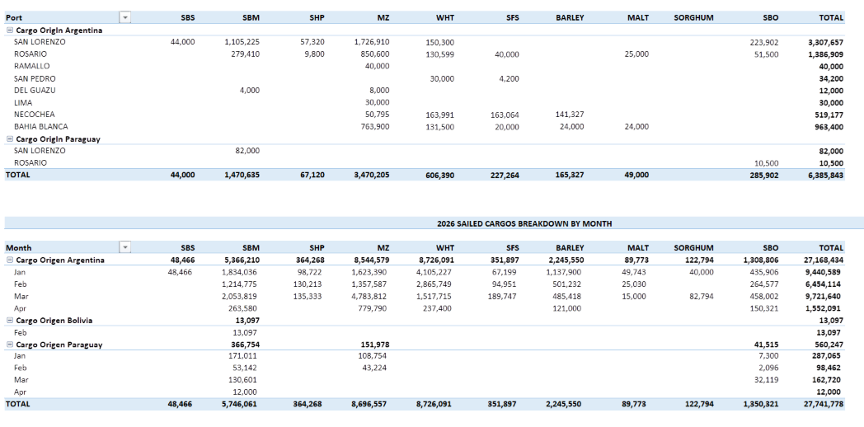
 |  |  |  |  |  |  |  |  |  |  |  |  |  |  | Sunmeal | 6,000 | Turkey
 |  |  |  |  |  |  |  |  |  |  |  |  |  |  | Corn | 10,000 | Tunisia
 |  |  |  |  |  |  |  |  |  |  |  |  |  |  | Corn | 7,014 | Cyprus
 |  |  |  |  |  |  |  |  |  |  |  |  |  |  | Corn | 29,300 | Saudi Arabia
 |  |  |  |  |  |  |  |  |  |  |  |  |  |  | Wheat | 66,000 | Egypt
 |  |  |  |  |  |  |  |  |  |  |  |  |  |  | Corn | 29,000 | Turkey
 |  |  |  |  |  |  |  |  |  |  |  |  |  |  | Corn | 25,200 | Turkey
 |  |  |  |  |  |  |  |  |  |  |  |  |  |  | Corn | 30,000 | Spain
 |  |  |  |  |  |  |  |  |  |  |  |  |  |  | Wheat | 29,100 | Algeria
 |  |  |  |  |  |  |  |  |  |  |  |  |  |  | Sunoil | 5,800 | Spain
 |  |  |  |  |  |  |  |  |  |  |  |  |  |  | Corn | 28,000 | Turkey
 |  |  |  |  |  |  |  |  |  |  |  |  |  |  | Sunoil | 3,000 | Italy
 |  |  |  |  |  |  |  |  |  |  |  |  |  |  | Wheat | 50,523 | Egypt
 |  |  |  |  |  |  |  |  |  |  |  |  |  |  | Soybean | 3,000 | Turkey
 |  |  |  |  |  |  |  |  |  |  |  |  |  |  | Corn | 22,000 | Turkey
 |  |  |  |  |  |  |  |  |  |  |  |  |  |  | Sunoil | 5,820 | Spain
 |  |  |  |  |  |  |  |  |  |  |  |  |  |  | Corn | 45,000 | Israel
 |  |  |  |  |  |  |  |  |  |  |  |  |  |  | Sunoil | 30,000 | India
 |  |  |  |  |  |  |  |  |  |  |  |  |  |  | Wheat | 15,000 | Egypt
 |  |  |  |  |  |  |  |  |  |  |  |  |  |  | Corn | 15,000 | Syria
 |  |  |  |  |  |  |  |  |  |  |  |  |  |  | Sunoil | 2,000 | Spain
 |  |  |  |  |  |  |  |  |  |  |  |  |  |  | Sunoil | 7,250 | Spain
 |  |  |  |  |  |  |  |  |  |  |  |  |  |  | Sunoil | 12,000 | Turkey
 |  |  |  |  |  |  |  |  |  |  |  |  |  |  | Sunoil | 18,600 | Netherlands
 |  |  |  |  |  |  |  |  |  |  |  |  |  |  | Sunoil | 5,600 | Italy
 |  |  |  |  |  |  |  |  |  |  |  |  |  |  | Wheat | 60,000 | Yemen

4-1-26
MT: | COMMODITY: | DESTINATION: | MT: | COMMODITY: | DESTINATION: | MT | COMMODITY | DESTINATION |  |  |  |  |  |  | 31K | CORN | MEXICO
31 | CORN | MEXICO | 30 | WHT | MEXICO | 55 | WHT | ASIA |  |  |  |  |  |  | RVT | RVT | RVT
RVT | RVT | RVT | 30 | WHT | MEXICO | 35 | WHT | TAIWAN |  |  |  |  |  |  | 34K | CORN | GUATEMALA
34 | CORN | GUATEMALA | 45 | CORN | RVT | 66 | WHT | THAILAND |  |  |  |  |  |  | RVT | RVT | RVT
RVT | RVT | RVT | 58 | SORGHUM | RVT | 50 | WHT | S. KOREA |  |  |  |  |  |  | 52K | CORN | JAPAN
52 | CORN | JAPAN | RVT | RVT | RVT | 60 | WHT | PHILIPPINES |  |  |  |  |  |  | 33K | CORN/SBM/WHT | EL SALVADOR
33 | CORN/SBM/WHT | EL SALVADOR | 7 | CORN | JAMAICA | 50 | WHT | S. KOREA |  |  |  |  |  |  | 43K | CORN/DDGS/SBM | PANAMA
43 | CORN/DDGS/SBM | PANAMA | RVT | RVT | RVT | 65 | CORN | S. KOREA |  |  |  |  |  |  | 70K | YSB | CHINA
70 | YSB | CHINA | RVT | RVT | RVT | 20 | WHT | TAIWAN |  |  |  |  |  |  | 50K | CORN | COLOMBIA
50 | CORN | COLOMBIA | 66 | SORGHUM | RVT | 53 | WHT | JAPAN |  |  |  |  |  |  | 30K | CORN | MEXICO
30 | CORN | MEXICO | 66 | SORGHUM | CHINA | 38 | WHT | CHILE |  |  |  |  |  |  | 57K | YSB | EGYPT
57 | YSB | EGYPT | 63 | SORGHUM | CHINA | 30 | WHT | JAPAN |  |  |  |  |  |  | RVT | RVT | RVT
RVT | RVT | RVT | 60 | SORGHUM | CHINA | 55 | WHT | PHILIPPINES |  |  |  |  |  |  | 50K | CORN/YSB | COLOMBIA
50 | CORN/YSB | COLOMBIA | 60 | SORGHUM | CHINA | 55 | WHT | PHILIPPINES |  |  |  |  |  |  | 69K | YSB | CHINA
69 | YSB | CHINA | 60 | SORGHUM | CHINA | 30 | WHT | PANAMA |  |  |  |  |  |  | 55K | YSB | EGYPT
55 | YSB | EGYPT |  |  |  | 66 | YSB | CHINA |  |  |  |  |  |  | 52K | CORN/YSB | JAPAN
52 | CORN/YSB | JAPAN |  |  |  | 47 | WHT | TANZANIA |  |  |  |  |  |  | 53K | CORN | COLOMBIA
53 | CORN | COLOMBIA |  |  |  | 68 | CORN | TAIWAN |  |  |  |  |  |  | 40K | RICE | IRAQ
40 | RICE | IRAQ |  |  |  | 60 | CORN | JAPAN |  |  |  |  |  |  | 35K | RICE | SENEGAL
35 | RICE | SENEGAL |  |  |  | 38 | WHT | RVT |  |  |  |  |  |  | 66K | CORN | SPAIN
66 | CORN | SPAIN |  |  |  | 70 | WHT | RVT |  |  |  |  |  |  | RVT | SBM | ECUADOR
RVT | SBM | ECUADOR |  |  |  | 66 | YSB | CHINA |  |  |  |  |  |  | 65K | CORN | SPAIN
65 | CORN | SPAIN |  |  |  | 66 | YSB | CHINA |  |  |  |  |  |  | 34K | CORN/WHT | NICARAGUA
34 | CORN/WHT | NICARAGUA |  |  |  | 66 | YSB | RVT |  |  |  |  |  |  | 30K | CORN/SBM | MEXICO
30 | CORN/SBM | MEXICO |  |  |  | 66 | YSB | CHINA |  |  |  |  |  |  | 33K | CORN | VENEZUELA
33 | CORN | VENEZUELA |  |  |  | 65 | CORN | S. KOREA |  |  |  |  |  |  | RVT | RVT | RVT
RVT | RVT | RVT |  |  |  | 68 | CORN | TAIWAN |  |  |  |  |  |  | 45K | CORN/RICE | MEXICO
45 | CORN/RICE | MEXICO |  |  |  | 70 | CORN | S. KOREA |  |  |  |  |  |  | 65K | CORN | SPAIN
65 | CORN | SPAIN |  |  |  | 73 | CORN | S. KOREA |  |  |  |  |  |  | 45K | CORN | MEXICO
45 | CORN | MEXICO |  |  |  | 67 | CORN | TAIWAN |  |  |  |  |  |  | 36K | CORN/YSB | MEXICO
36 | CORN/YSB | MEXICO |  |  |  | 68 | CORN | S. KOREA |  |  |  |  |  |  | 37K | CORN/WHT | HONDURAS
37 | CORN/WHT | HONDURAS |  |  |  | 33 | CORN | JAPAN |  |  |  |  |  |  | 66K | YSB | CHINA
66 | YSB | CHINA |  |  |  | 65 | CORN | JAPAN |  |  |  |  |  |  | 66K | YSB | CHINA
66 | YSB | CHINA |  |  |  | 68 | CORN | JAPAN |  |  |  |  |  |  | 50K | CORN/SBM | COLOMBIA
50 | CORN/SBM | COLOMBIA |  |  |  | 68 | CORN | S. KOREA |  |  |  |  |  |  | 34K | CORN/WHT | NICARAGUA
34 | CORN/WHT | NICARAGUA |  |  |  | 66 | CORN | S. KOREA |  |  |  |  |  |  | 48K | CORN/WHT | MEXICO
48 | CORN/WHT | MEXICO |  |  |  | 68 | CORN | TAIWAN |  |  |  |  |  |  | 37K | CORN/SBM/YSB | VENEZUELA
37 | CORN/SBM/YSB | VENEZUELA |  |  |  | 66 | YSB | CHINA |  |  |  |  |  |  | 66K | YSB | CHINA
66 | YSB | CHINA |  |  |  | 65 | CORN | VIETNAM |  |  |  |  |  |  | 32K | CORN/SBM/WHT | GUATEMALA
32 | CORN/SBM/WHT | GUATEMALA |  |  |  | 66 | CORN | S. KOREA |  |  |  |  |  |  | 50K | CORN/SBM | COLOMBIA
50 | CORN/SBM | COLOMBIA |  |  |  | 65 | CORN | S. KOREA |  |  |  |  |  |  | 32K | CORN/GDDG/SBM | EL SALVADOR/GUATEMALA
32 | CORN/GDDG/SBM | EL SALVADOR/GUATEMALA |  |  |  | 60 | CORN | ASIA |  |  |  |  |  |  | 50K | CORN/YSB | JAPAN
50 | CORN/YSB | JAPAN |  |  |  | RVT | RVT | RVT |  |  |  |  |  |  | 44K | CORN/SBM | DOM REP
44 | CORN/SBM | DOM REP |  |  |  | 48 | SBM | PHILIPPINES |  |  |  |  |  |  | 49K | CORN/SBM/WHT | EL SALVADOR
49 | CORN/SBM/WHT | EL SALVADOR |  |  |  | 66 | YSB | CHINA |  |  |  |  |  |  | 57K | YSB | EGYPT
57 | YSB | EGYPT |  |  |  | RVT | RVT | RVT |  |  |  |  |  |  | 60K | YSB | CHINA
60 | YSB | CHINA |  |  |  | 65 | CORN | TAIWAN |  |  |  |  |  |  | 43K | SBM/WHT | ECUADOR
43 | SBM/WHT | ECUADOR |  |  |  | 66 | YSB | ASIA |  |  |  |  |  |  | 31K | SBM/RICE/WHT | MEXICO
31 | SBM/RICE/WHT | MEXICO |  |  |  | RVT | RVT | RVT |  |  |  |  |  |  | 55K | CORN | SPAIN
55 | CORN | SPAIN |  |  |  | RVT | RVT | RVT |  |  |  |  |  |  | RVT | RVT | RVT
RVT | RVT | RVT |  |  |  | RVT | SBM | PHILIPPINES |  |  |  |  |  |  | 66K | YSB | CHINA
66 | YSB | CHINA |  |  |  | RVT | SBM | PHILIPPINES |  |  |  |  |  |  | 48K | CORN/SBM | COSTA RICA/NICARAGUA
48 | CORN/SBM | COSTA RICA/NICARAGUA |  |  |  | 65 | CORN | JAPAN |  |  |  |  |  |  | 38K | CORN/DDGS | HONDURAS
38 | CORN/DDGS | HONDURAS |  |  |  | 68 | CORN | TAIWAN |  |  |  |  |  |  | 58K | YSB | EGYPT
58 | YSB | EGYPT |  |  |  | 70 | CORN | S. KOREA |  |  |  |  |  |  | 31K | CORN/SBM | DOM REP
31 | CORN/SBM | DOM REP |  |  |  | 73 | CORN | S. KOREA |  |  |  |  |  |  | 50K | YSB | CHINA
50 | YSB | CHINA |  |  |  | 67 | CORN | TAIWAN |  |  |  |  |  |  | 50K | CORN | COLOMBIA
50 | CORN | COLOMBIA |  |  |  | 65 | CORN | JAPAN |  |  |  |  |  |  | RVT | CORN | SPAIN
RVT | CORN | SPAIN |  |  |  | 66 | CORN | S. KOREA |  |  |  |  |  |  | RVT | RVT | RVT
RVT | RVT | RVT |  |  |  | 65 | CORN | JAPAN |  |  |  |  |  |  | RVT | RVT | RVT
RVT | RVT | RVT |  |  |  | 68 | CORN | JAPAN |  |  |  |  |  |  | RVT | RVT | RVT
RVT | RVT | RVT |  |  |  | 68 | CORN | S. KOREA |  |  |  |  |  |  | RVT | RVT | RVT
RVT | RVT | RVT |  |  |  | 68 | CORN | S. KOREA |  |  |  |  |  |  | RVT | RVT | RVT
RVT | RVT | RVT |  |  |  | 68 | CORN | TAIWAN |  |  |  |  |  |  | 33K | CORN | VENEZUELA
33 | CORN | VENEZUELA |  |  |  |  |  |  |  |  |  |  |  |  | RVT | RVT | RVT
RVT | RVT | RVT |  |  |  |  |  |  |  |  |  |  |  |  | RVT | CORN | COLOMBIA
RVT | CORN | COLOMBIA |  |  |  |  |  |  |  |  |  |  |  |  | 58K | YSB | INDONESIA
58 | YSB | INDONESIA |  |  |  |  |  |  |  |  |  |  |  |  | RVT | YSB | SPAIN
RVT | YSB | SPAIN |  |  |  |  |  |  |  |  |  |  |  |  | 48K | DDGS/RICE/SBM | COLOMBIA
48 | DDGS/RICE/SBM | COLOMBIA |  |  |  |  |  |  |  |  |  |  |  |  | 34K | CORN/RICE | EL SALVADOR
34 | CORN/RICE | EL SALVADOR |  |  |  |  |  |  |  |  |  |  |  |  | 33K | SBM | ECUADOR
33 | SBM | ECUADOR |  |  |  |  |  |  |  |  |  |  |  |  | 35K | RICE | COLOMBIA
35 | RICE | COLOMBIA |  |  |  |  |  |  |  |  |  |  |  |  | 40K | DDGS/SBM | MOROCCO
40 | DDGS/SBM | MOROCCO |  |  |  |  |  |  |  |  |  |  |  |  | RVT | RVT | RVT
RVT | RVT | RVT |  |  |  |  |  |  |  |  |  |  |  |  | RVT | RVT | RVT
RVT | RVT | RVT |  |  |  |  |  |  |  |  |  |  |  |  | RVT | RVT | RVT
RVT | RVT | RVT

Row Labels | Count of MT: | Sum of MT:2 | Row Labels | Count of MT: | Sum of MT:2 | Row Labels | Count of MT | Sum of MT2 | US Gulf
CORN | 16 | 662 | SORGHUM | 7 | 433 | CORN | 32 | 2104 | Commodity | Vessels | MT
CORN/SBM | 6 | 253 | WHT | 2 | 60 | SBM | 3 | 48 | CORN | 16 | 662
CORN/SBM/WHT | 3 | 114 | CORN | 2 | 52 | WHT | 16 | 752 | YSB | 14 | 798
CORN/YSB | 4 | 188 | (blank) |  |  | YSB | 8 | 528 | SBM | 2 | 33
RVT | 14 | 0 | RVT | 3 | 0 | RVT | 4 | 0 | WHT
SBM | 2 | 33 | Grand Total | 14 | 545 | Grand Total | 63 | 3432 | CORN/SBM | 6 | 253
YSB | 14 | 798 |  |  |  |  |  |  | CORN/SBM/WHT | 3 | 114
CORN/SBM/YSB | 1 | 37 |  |  |  |  |  |  | RVT | 14 | 0
RICE | 3 | 110 |  |  |  |  |  |  | Grand Total | 76 | 2702
CORN/GDDG/SBM | 1 | 32 |  |  |  |  |  |  | 2026-04-01
CORN/WHT | 4 | 153 |  |  |  |  |  |  | PNW
(blank) |  |  |  |  |  |  |  |  | Commodity | Vessels | MT
SBM/WHT | 1 | 43 |  |  |  |  |  |  | CORN | 32 | 2104
DDGS/SBM | 1 | 40 |  |  |  |  |  |  | SBM | 3 | 48
DDGS/RICE/SBM | 1 | 48 |  |  |  |  |  |  | WHT | 16 | 752
CORN/RICE | 2 | 79 |  |  |  |  |  |  | YSB | 8 | 528
CORN/DDGS/SBM | 1 | 43 |  |  |  |  |  |  | Sorghum | 0 | 0
SBM/RICE/WHT | 1 | 31 |  |  |  |  |  |  | RVT | 4 | 0
CORN/DDGS | 1 | 38 |  |  |  |  |  |  | Grand Total | 63 | 3432
Grand Total | 76 | 2702 |  |  |  |  |  |  | 2026-04-01
 |  |  |  |  |  |  |  |  | Texas Gulf
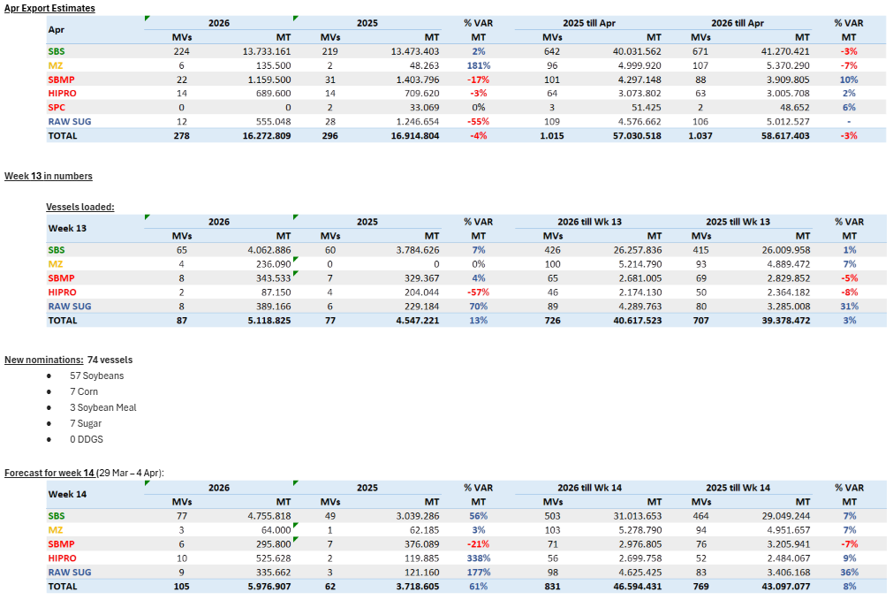
 |  |  |  |  |  |  |  |  | Commodity | Vessels | MT
 |  |  |  |  |  |  |  |  | WHT | 2 | 60
 |  |  |  |  |  |  |  |  | SORGHUM | 7 | 433
 |  |  |  |  |  |  |  |  | Corn | 2 | 52
 |  |  |  |  |  |  |  |  | Soybeans | 0 | 0
 |  |  |  |  |  |  |  |  | RVT | 3 | 0
 |  |  |  |  |  |  |  |  | Grand Total | 14 | 545
 |  |  |  |  |  |  |  |  | 2026-04-01
 |  |  |  |  |  |  |  |  | Brazil
 |  |  |  |  |  |  |  |  | Commodity | Vessels | Week Est
 |  |  |  |  |  |  |  |  | Soybeans | 57 | 4756
 |  |  |  |  |  |  |  |  | Corn | 7 | 64
 |  |  |  |  |  |  |  |  | Meal | 3 | 821
 |  |  |  |  |  |  |  |  | Sugar | 7 | 336
 |  |  |  |  |  |  |  |  | DDGs | 0 | 0
 |  |  |  |  |  |  |  |  | Grand Total | 74 | 5977
 |  |  |  |  |  |  |  |  | 2026-04-01
 |  |  |  |  |  |  |  |  | Argentina
 |  |  |  |  |  |  |  |  | Commodity | Vessels | MT
 |  |  |  |  |  |  |  |  | Soybeans |  | 0
 |  |  |  |  |  |  |  |  | Corn |  | 3879
 |  |  |  |  |  |  |  |  | Wheat |  | 775
 |  |  |  |  |  |  |  |  | Meal |  | 1550
 |  |  |  |  |  |  |  |  | SBO |  | 425
 |  |  |  |  |  |  |  |  | Grand Total |  | 7151 |  |  |  |  |  | CM | Vol | Dest
 |  |  |  |  |  |  |  |  | 2026-04-01 |  |  | Row Labels | Count of Vol | Sum of Vol2 |  |  | Peas | 7,500 | Turkey
 |  |  |  |  |  |  |  |  | Ukraine |  |  | Corn | 10 | 310,628 |  |  | Sunoil | 5,000 | Italy
 |  |  |  |  |  |  |  |  | Commodity | Vessels | MT | Sunmeal | 3 | 31,000 |  |  | Corn | 31,500 | Italy
 |  |  |  |  |  |  |  |  | Wheat | 5 | 258 | Sunoil | 9 | 84,830 |  |  | Corn | 29,500 | Tunisia
 |  |  |  |  |  |  |  |  | Soybeans | 1 | 29 | Wheat | 5 | 258,000 |  |  | Soybean | 29,150 | France
 |  |  |  |  |  |  |  |  | Rapeseed | 0 | 0 | Peas | 1 | 7,500 |  |  | Corn | 2,000 | N/A
 |  |  |  |  |  |  |  |  | Corn | 10 | 311 | Soybean | 1 | 29,150 |  |  | Sunoil | 11,900 | Netherlands
 |  |  |  |  |  |  |  |  | Sugar | 1 | 5 | Sugar | 1 | 5,000 |  |  | Sunmeal | 10,000 | Netherlands
 |  |  |  |  |  |  |  |  | Sunoil | 9 | 85 | Soyoil | 1 | 5,000 |  |  | Sunmeal | 15,000 | France
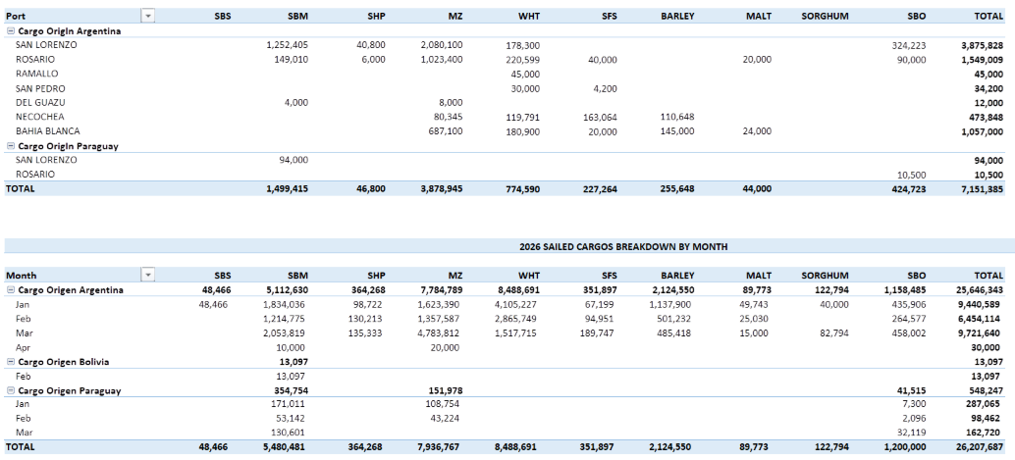
 |  |  |  |  |  |  |  |  | Grand Total | 31 | 731 | (blank) |  |  |  |  | Sugar | 5,000 | Libya
 |  |  |  |  |  |  |  |  |  |  |  | Grand Total | 31 | 731,108 |  |  | Soyoil | 5,000 | France
 |  |  |  |  |  |  |  |  |  |  |  |  |  |  |  |  | Sunoil | 7,000 | France
 |  |  |  |  |  |  |  |  |  |  |  |  |  |  |  |  | Wheat | 30,000 | Algeria
 |  |  |  |  |  |  |  |  |  |  |  |  |  |  |  |  | Corn | 61,208 | Netherlands
 |  |  |  |  |  |  |  |  |  |  |  |  |  |  |  |  | Wheat | 54,000 | Djibouti
 |  |  |  |  |  |  |  |  |  |  |  |  |  |  |  |  | Corn | 21,500 | Turkey
 |  |  |  |  |  |  |  |  |  |  |  |  |  |  |  |  | Corn | 30,000 | Turkey
 |  |  |  |  |  |  |  |  |  |  |  |  |  |  |  |  | Corn | 30,000 | Egypt
 |  |  |  |  |  |  |  |  |  |  |  |  |  |  |  |  | Sunoil | 11,930 | Iraq
 |  |  |  |  |  |  |  |  |  |  |  |  |  |  |  |  | Corn | 46,420 | Turkey
 |  |  |  |  |  |  |  |  |  |  |  |  |  |  |  |  | Corn | 28,500 | Turkey
 |  |  |  |  |  |  |  |  |  |  |  |  |  |  |  |  | Sunoil | 6,000 | Spain
 |  |  |  |  |  |  |  |  |  |  |  |  |  |  |  |  | Wheat | 55,000 | N/A
 |  |  |  |  |  |  |  |  |  |  |  |  |  |  |  |  | Wheat | 60,000 | Indonesia
 |  |  |  |  |  |  |  |  |  |  |  |  |  |  |  |  | Sunoil | 5,900 | Turkey
 |  |  |  |  |  |  |  |  |  |  |  |  |  |  |  |  | Sunoil | 5,850 | Turkey
 |  |  |  |  |  |  |  |  |  |  |  |  |  |  |  |  | Wheat | 59,000 | N/A
 |  |  |  |  |  |  |  |  |  |  |  |  |  |  |  |  | Sunoil | 6,250 | Turkey
 |  |  |  |  |  |  |  |  |  |  |  |  |  |  |  |  | Corn | 30,000 | N/A
 |  |  |  |  |  |  |  |  |  |  |  |  |  |  |  |  | Sunoil | 25,000 | India
 |  |  |  |  |  |  |  |  |  |  |  |  |  |  |  |  | Sunmeal | 6,000 | Turkey

3-24-26
MT: | COMMODITY: | DESTINATION: | MT: | COMMODITY: | DESTINATION: | MT | COMMODITY | DESTINATION
34 | CORN | MEXICO | 53 | SORGHUM | RVT | 55 | WHT | ASIA
31 | CORN | MEXICO | 30 | WHT | MEXICO | 35 | WHT | TAIWAN
34 | CORN/WHT | GUATEMALA | 18 | WHT | RVT | 66 | WHT | THAILAND
RVT | RVT | RVT | 30 | WHT | MEXICO | 60 | WHT | PHILIPPINES
RVT | RVT | RVT | 43 | WHT | RVT | 50 | WHT | S. KOREA
33 | CORN | JAPAN | 57 | SORGHUM | RVT | 65 | CORN | S. KOREA
30 | CORN | GUATEMALA | 45 | CORN | RVT | 60 | YSB | CHINA
33 | CORN/SBM/WHT | EL SALVADOR | 53 | WHT | VENEZUELA | 50 | WHT | S. KOREA
71 | CORN | PORTUGAL | 58 | SORGHUM | RVT | 65 | CORN | S. KOREA
57 | YSB | CHINA | 7 | CORN | JAMAICA | 20 | WHT | TAIWAN
70 | YSB | CHINA | 66 | SORGHUM | CHINA | 66 | CORN | S. KOREA
RVT | RVT | RVT | 66 | SORGHUM | RVT | 65 | CORN | JAPAN
32 | CORN/YSB | COLOMBIA | 66 | SORGHUM | CHINA | 55 | WHT | PHILIPPINES
57 | YSB | EGYPT | 63 | SORGHUM | CHINA | 55 | WHT | PHILIPPINES
55 | YSB | RVT |  |  |  | 65 | CORN | JAPAN
30 | CORN/SBM | NICARAGUA |  |  |  | 62 | CORN | JAPAN
40 | RICE | IRAQ |  |  |  | 66 | YSB | CHINA
32 | CORN/GDDG/SBM | EL SALVADOR |  |  |  | 66 | YSB | CHINA
RVT | SBM | ECUADOR |  |  |  | 66 | YSB | CHINA
33 | CORN/GDDGS/WHT/SBM | HONDURAS |  |  |  | 66 | YSB | RVT
44 | CORN/SBM/YSB | COLOMBIA |  |  |  | 66 | YSB | CHINA
51 | CORN | COLOMBIA |  |  |  | 63 | CORN | JAPAN
66 | YSB | CHINA |  |  |  | 66 | YSB | CHINA
66 | CORN | SPAIN |  |  |  | 66 | CORN | S. KOREA
48 | SBM/WHT | DOM REP |  |  |  | 65 | CORN | VIETNAM
14 | CORN/SBM/WHT/YSB | BARBADOS & GRENADA |  |  |  | 48 | YSB | S. KOREA
29 | CORN/SBM | MEXICO |  |  |  | 66 | CORN | S. KOREA
45 | CORN/RICE | MEXICO |  |  |  | 65 | CORN | S. KOREA
30 | CORN/SBM | VENEZUELA |  |  |  | 60 | CORN | ASIA
65 | CORN | SPAIN |  |  |  | RVT | RVT | RVT
65 | CORN/YSB | SPAIN |  |  |  | RVT | RVT | RVT
34 | CORN/WHT | NICARAGUA |  |  |  | 65 | CORN | TAIWAN
34 | CORN/WHT | NICARAGUA |  |  |  | 48 | SBM | PHILIPPINES
RVT | RVT | RVT |  |  |  | 45 | SBM | RVT
36 | CORN/YSB | MEXICO |  |  |  | 67 | CORN | S. KOREA
66 | YSB | CHINA |  |  |  | 70 | CORN | INDONESIA
66 | YSB | CHINA |  |  |  | 65 | CORN | JAPAN
50 | CORN/SBM | COLOMBIA |  |  |  | 68 | CORN | TAIWAN
50 | CORN/YSB | COLOMBIA |  |  |  | 70 | CORN | S. KOREA
50 | CORN/YSB | JAPAN |  |  |  | 73 | CORN | S. KOREA
48 | CORN/WHT | MEXICO |  |  |  | 67 | CORN | TAIWAN
66 | YSB | CHINA |  |  |  | 68 | CORN | S. KOREA
50 | CORN/SBM/RICE | COLOMBIA/PANAMA |  |  |  | 33 | CORN | JAPAN
51 | CORN/SBM | COLOMBIA |  |  |  | 65 | CORN | JAPAN
44 | CORN/SBM | DOM REP |  |  |  | 68 | CORN | JAPAN
RVT | CORN/SBM/WHT | EL SALVADOR |  |  |  | 68 | CORN | S. KOREA
58 | YSB | CHINA |  |  |  | 66 | CORN | S. KOREA
43 | SBM/WHT | ECUADOR |  |  |  | 68 | CORN | TAIWAN
55 | YSB | EGYPT
36 | CORN/GDDG/SHP/SBM/WHT | COSTA RICA/NICARAGUA
50 | CORN/CGM | EGYPT
30 | SBM | HONDURAS
59 | CORN | UNITED KINGDOM
48 | CORN/SBM | COSTA RICA/NICARAGUA
53 | YSB | EGYPT
58 | CORN | SPAIN
69 | YSB | CHINA
RVT | RVT | RVT
50 | CORN | COLOMBIA
53 | CORN | RVT
RVT | RVT | RVT
RVT | RVT | RVT
RVT | RVT | RVT
RVT | YSB | SPAIN
25 | YSB | INDONESIA
30 | DDGS/SBM | GUATEMALA
30 | SBM/WHT | ECUADOR
27 | DDGS | TURKEY
48 | DDGS/RICE/SBM | COLOMBIA
50 | CORN | COLOMBIA
35 | RICE | COLOMBIA
33 | SBM | ECUADOR

Row Labels | Count of MT: | Sum of MT:2 | Row Labels | Count of MT: | Sum of MT:2 | Row Labels | Count of MT | Sum of MT2 | US Gulf
CORN | 13 | 651 | SORGHUM | 7 | 429 | CORN | 27 | 1754 | Commodity | Vessels | MT
CORN/SBM | 7 | 282 | WHT | 5 | 174 | SBM | 2 | 93 | CORN | 13 | 651
CORN/SBM/WHT | 2 | 33 | CORN | 2 | 52 | WHT | 9 | 446 | YSB | 14 | 763
CORN/YSB | 5 | 233 | (blank) |  |  | YSB | 8 | 504 | SBM | 3 | 63
RVT | 8 | 0 | Grand Total | 14 | 655 | (blank) |  |  | WHT | 0 | 0
SBM | 3 | 63 |  |  |  | RVT | 2 | 0 | CORN/SBM | 7 | 282
YSB | 14 | 763 |  |  |  | Grand Total | 48 | 2797 | CORN/SBM/WHT | 2 | 33
CORN/SBM/YSB | 1 | 44 |  |  |  |  |  |  | RVT | 8 | 0
RICE | 2 | 75 |  |  |  |  |  |  | Grand Total | 72 | 2780
CORN/GDDG/SBM | 1 | 32 |  |  |  |  |  |  | 2026-03-24
CORN/WHT | 4 | 150 |  |  |  |  |  |  | PNW
(blank) |  |  |  |  |  |  |  |  | Commodity | Vessels | MT
CORN/SBM/RICE | 1 | 50 |  |  |  |  |  |  | CORN | 27 | 1754
CORN/CGM | 1 | 50 |  |  |  |  |  |  | SBM | 2 | 93
SBM/WHT | 3 | 121 |  |  |  |  |  |  | WHT | 9 | 446
CORN/SBM/WHT/YSB | 1 | 14 |  |  |  |  |  |  | YSB | 8 | 504
DDGS/SBM | 1 | 30 |  |  |  |  |  |  | Sorghum | 0 | 0
DDGS/RICE/SBM | 1 | 48 |  |  |  |  |  |  | RVT | 2 | 0
CORN/GDDGS/WHT/SBM | 1 | 33 |  |  |  |  |  |  | Grand Total | 48 | 2797
CORN/RICE | 1 | 45 |  |  |  |  |  |  | 2026-03-24
CORN/GDDG/SHP/SBM/WHT | 1 | 36 |  |  |  |  |  |  | Texas Gulf
DDGS | 1 | 27 |  |  |  |  |  |  | Commodity | Vessels | MT
Grand Total | 72 | 2780 |  |  |  |  |  |  | WHT | 5 | 174
 |  |  |  |  |  |  |  |  | SORGHUM | 7 | 429
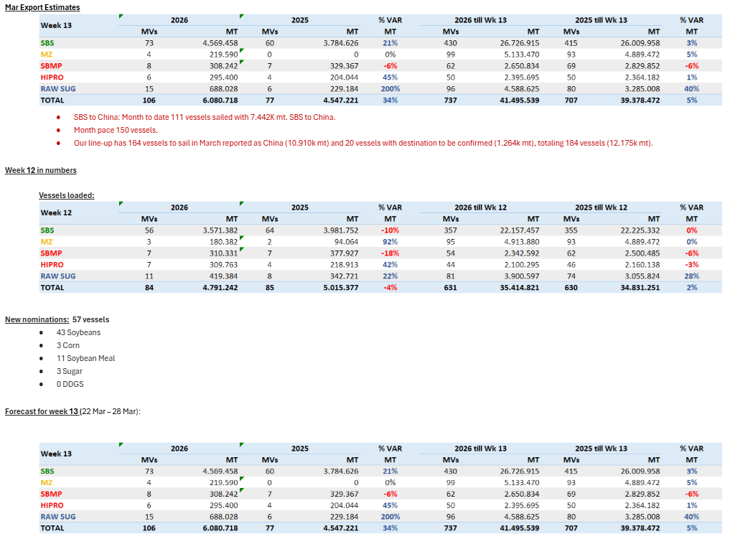
 |  |  |  |  |  |  |  |  | Corn | 2 | 52
 |  |  |  |  |  |  |  |  | Soybeans | 0 | 0
 |  |  |  |  |  |  |  |  | RVT | 0 | 0
 |  |  |  |  |  |  |  |  | Grand Total | 14 | 655
 |  |  |  |  |  |  |  |  | 2026-03-24
 |  |  |  |  |  |  |  |  | Brazil
 |  |  |  |  |  |  |  |  | Commodity | Vessels | Week Est
 |  |  |  |  |  |  |  |  | Soybeans | 43 | 4569
 |  |  |  |  |  |  |  |  | Corn | 3 | 220
 |  |  |  |  |  |  |  |  | Meal | 11 | 603
 |  |  |  |  |  |  |  |  | Sugar | 3 | 688
 |  |  |  |  |  |  |  |  | DDGs | 0 | 0
 |  |  |  |  |  |  |  |  | Grand Total | 57 | 6081
 |  |  |  |  |  |  |  |  | 2026-03-24
 |  |  |  |  |  |  |  |  | Argentina
 |  |  |  |  |  |  |  |  | Commodity | Vessels | MT
 |  |  |  |  |  |  |  |  | Soybeans |  | 0
 |  |  |  |  |  |  |  |  | Corn |  | 2938
 |  |  |  |  |  |  |  |  | Wheat |  | 780
 |  |  |  |  |  |  |  |  | Meal |  | 1020
 |  |  |  |  |  |  |  |  | SBO |  | 256
 |  |  |  |  |  |  |  |  | Grand Total |  | 5587 |  |  |  | CM | Vol | Dest
 |  |  |  |  |  |  |  |  | 2026-03-24 |  |  | Row Labels | Count of Vol | Sum of Vol2 | Corn | 61,514 | Spain
 |  |  |  |  |  |  |  |  | Ukraine |  |  | Corn | 10 | 304,414 | Wheat | 9,781 | Spain
 |  |  |  |  |  |  |  |  | Commodity | Vessels | MT | Sunmeal | 3 | 86,600 | Corn | 12,000 | Egypt
 |  |  |  |  |  |  |  |  | Wheat | 1 | 10 | Sunoil | 9 | 83,255 | Rapeoil | 6,000 | Bulgaria
 |  |  |  |  |  |  |  |  | Soybeans | 1 | 30 | Wheat | 1 | 9,781 | Corn | 30,900 | Egypt
 |  |  |  |  |  |  |  |  | Rapeseed | 0 | 0 | Rapeoil | 1 | 6,000 | Sunoil | 5,900 | N/A
 |  |  |  |  |  |  |  |  | Corn | 10 | 304 | Soybean | 1 | 30,000 | Sunoil | 19,300 | Netherlands
 |  |  |  |  |  |  |  |  | Sugar | 1 | 5 | Soyoil | 1 | 5,000 | Corn | 21,500 | Turkey
 |  |  |  |  |  |  |  |  | Sunoil | 9 | 83 | Sugar | 1 | 5,000 | Sunoil | 10,000 | Egypt
 |  |  |  |  |  |  |  |  | Grand Total | 27 | 530 | (blank) |  |  | Corn | 32,000 | Italy
 |  |  |  |  |  |  |  |  |  |  |  | Grand Total | 27 | 530,050 | Corn | 30,000 | Tunisia
 |  |  |  |  |  |  |  |  |  |  |  |  |  |  | Sunoil | 6,250 | Turkey
 |  |  |  |  |  |  |  |  |  |  |  |  |  |  | Sunoil | 5,950 | Italy
 |  |  |  |  |  |  |  |  |  |  |  |  |  |  | Corn | 30,000 | Tunisia
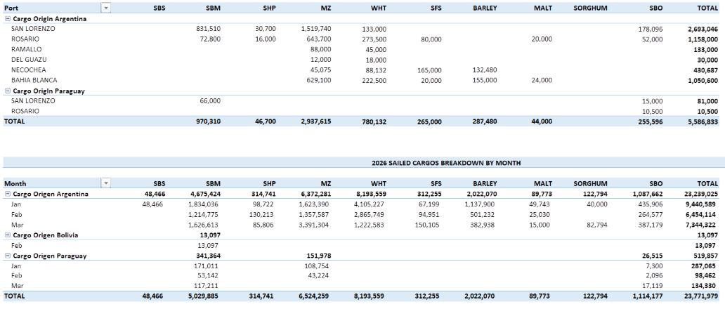
 |  |  |  |  |  |  |  |  |  |  |  |  |  |  | Corn | 28,000 | Turkey
 |  |  |  |  |  |  |  |  |  |  |  |  |  |  | Soybean | 30,000 | France
 |  |  |  |  |  |  |  |  |  |  |  |  |  |  | Sunmeal | 61,600 | China
 |  |  |  |  |  |  |  |  |  |  |  |  |  |  | Sunoil | 10,655 | Italy
 |  |  |  |  |  |  |  |  |  |  |  |  |  |  | Corn | 28,500 | Turkey
 |  |  |  |  |  |  |  |  |  |  |  |  |  |  | Sunoil | 6,200 | Spain
 |  |  |  |  |  |  |  |  |  |  |  |  |  |  | Soyoil | 5,000 | France
 |  |  |  |  |  |  |  |  |  |  |  |  |  |  | Sunoil | 7,000 | France
 |  |  |  |  |  |  |  |  |  |  |  |  |  |  | Sunoil | 12,000 | Netherlands
 |  |  |  |  |  |  |  |  |  |  |  |  |  |  | Sunmeal | 10,000 | Netherlands
 |  |  |  |  |  |  |  |  |  |  |  |  |  |  | Sunmeal | 15,000 | France
 |  |  |  |  |  |  |  |  |  |  |  |  |  |  | Sugar | 5,000 | Libya
 |  |  |  |  |  |  |  |  |  |  |  |  |  |  | Corn | 30,000 | Turkey

3-17-26
MT: | COMMODITY: | DESTINATION: | MT: | COMMODITY: | DESTINATION: | MT | COMMODITY | DESTINATION
30 | CORN | MEXICO | 52 | WHT | RVT | 32 | WHT | JAPAN
RVT | RVT | RVT | 30 | WHT | MEXICO | 65 | CORN | VIETNAM
32 | CORN | GUATEMALA | 18 | WHT | RVT | 50 | WHT | PHILIPPINES
RVT | RVT | RVT | 53 | SORGHUM | RVT | 60 | YSB | CHINA
RVT | RVT | RVT | RVT | RVT | RVT | 65 | CORN | S. KOREA
RVT | RVT | RVT | 57 | SORGHUM | RVT | 50 | WHT | S. KOREA
32 | CORN/RICE/SBM | GUATEMALA | 57 | SORGHUM | RVT | 65 | CORN | S. KOREA
30 | CORN | GUATEMALA | 45 | CORN | RVT | 50 | CORN/WHT | JAPAN
33 | CORN | JAPAN | 7 | WHT | HAITI | 50 | WHT | JAPAN
32 | CORN/SBM/WHT | EL SALVADOR | 59 | SORGHUM | RVT | 20 | WHT | TAIWAN
34 | CORN | GUATEMALA | 66 | SORGHUM | CHINA | 65 | CORN | JAPAN
RVT | RVT | RVT | 66 | SORGHUM | RVT | 66 | CORN | S. KOREA
50 | CORN/WHT | NICARAGUA | 66 | SORGHUM | CHINA | 55 | WHT | PHILIPPINES
46 | CORN/WHT | HONDURAS | 63 | SORGHUM | CHINA | 65 | YSB | CHINA
70 | YSB | CHINA |  |  |  | 65 | CORN | JAPAN
33 | CORN | ALGERIA |  |  |  | 65 | CORN | S. KOREA
30 | SBM | HONDURAS |  |  |  | 65 | YSB | CHINA
30 | GDDG/SBM | MOROCCO |  |  |  | 65 | CORN | JAPAN
40 | RICE | IRAQ |  |  |  | 62 | CORN | JAPAN
42 | CGFP/CGM | TURKEY |  |  |  | 66 | YSB | CHINA
50 | CORN/SBM | COLOMBIA |  |  |  | 66 | YSB | RVT
32 | CORN | DOM REP |  |  |  | 65 | CORN | TAIWAN
30 | CORN/SBM | MEXICO |  |  |  | 67 | YSB | CHINA
47 | CORN/SBM/RICE | HONDURAS |  |  |  | 63 | CORN | JAPAN
50 | CORN/SBM | COLOMBIA |  |  |  | 60 | CORN | JAPAN
49 | CORN/CGM/SBM/YSB | COLOMBIA |  |  |  | 66 | YSB | CHINA
32 | CORN/GDDG/SBM | EL SALVADOR |  |  |  | 66 | CORN | S. KOREA
26 | CORN/GDDG | RVT |  |  |  | 48 | YSB | S. KOREA
31 | CORN | MEXICO |  |  |  | 65 | CORN | VIETNAM
52 | CORN | JAPAN |  |  |  | 66 | CORN | S. KOREA
55 | CORN | EGYPT |  |  |  | 65 | CORN | S. KOREA
50 | CORN/CGM | EGYPT |  |  |  | 60 | CORN | ASIA
RVT | RVT | RVT |  |  |  | 45 | SBM | RVT
48 | SBM/WHT | DOM REP |  |  |  | 45 | SBM | RVT
RVT | RVT | RVT |  |  |  | 67 | CORN | S. KOREA
30 | CORN/SBM/WHT | DOM REP |  |  |  | 70 | CORN | INDONESIA
RVT | SBM | ECUADOR |  |  |  | 65 | CORN | JAPAN
66 | YSB | CHINA |  |  |  | 70 | CORN | S. KOREA
44 | CORN/SBM/YSB | COLOMBIA |  |  |  | 73 | CORN | S. KOREA
66 | YSB | CHINA |  |  |  | 68 | CORN | RVT
14 | CORN/SBM/WHT/YSB | BARBADOS & GRENADA |  |  |  | 66 | CORN | RVT
51 | CORN | COLOMBIA |  |  |  | 68 | CORN | RVT
66 | CORN | SPAIN |  |  |  | 65 | CORN | JAPAN
50 | CORN/YSB | JAPAN |  |  |  | 68 | CORN | JAPAN
66 | YSB | CHINA |  |  |  | 68 | CORN | S. KOREA
65 | CORN | SPAIN |  |  |  | 68 | CORN | S. KOREA
52 | CORN/SBM/YSB | COLOMBIA |  |  |  | 66 | CORN | RVT
40 | CORN | RVT |  |  |  | 68 | CORN | TAIWAN
31 | CORN/SBM | VENEZUELA
50 | CORN/SBM/RICE | RVT
51 | CORN/SBM | COLOMBIA
44 | CORN/SBM | DOM REP
RVT | CORN/SBM/WHT | EL SALVADOR
RVT | RVT | RVT
66 | YSB | CHINA
RVT | RVT | RVT
50 | CORN/SBM | COLOMBIA
RVT | RVT | RVT
RVT | RVT | RVT
27 | YSB | JAPAN
RVT | CORN | ALGERIA
RVT | CORN | RVT
53 | YSB | CHINA
RVT | RVT | RVT
RVT | RVT | RVT
RVT | RVT | RVT
36 | YSB | INDONESIA
RVT | RVT | RVT
50 | CORN | COLOMBIA
27 | RICE | COLOMBIA
29 | RVT | COLOMBIA
38 | SBM | ECUADOR
66 | SBM | POLAND
21 | CGM | CHILE
30 | SBM/WHT | ECUADOR
35 | CORN/SBM | COSTA RICA/PANAMA
30 | DDGS/SBM | GUATEMALA
RVT | RVT | TURKEY
50 | DDGS/RICE/SBM | COLOMBIA
RVT | RVT | RVT

Row Labels | Count of MT: | Sum of MT:2 | Row Labels | Count of MT: | Sum of MT:2 | Row Labels | Count of MT | Sum of MT2 | US Gulf
CORN | 17 | 634 | RVT | 1 | 0 | CORN | 31 | 2043 | Commodity | Vessels | MT
CORN/RICE/SBM | 1 | 32 | SORGHUM | 8 | 487 | SBM | 2 | 90 | CORN | 17 | 634
CORN/SBM | 8 | 341 | WHT | 4 | 107 | WHT | 6 | 257 | YSB | 8 | 450
CORN/SBM/WHT | 3 | 62 | CORN | 1 | 45 | YSB | 8 | 503 | SBM | 4 | 134
CORN/YSB | 1 | 50 | (blank) |  |  | CORN/WHT | 1 | 50 | WHT | 0 | 0
RVT | 18 | 29 | Grand Total | 14 | 639 | (blank) |  |  | CORN/SBM | 8 | 341
SBM | 4 | 134 |  |  |  | Grand Total | 48 | 2943 | CORN/SBM/WHT | 3 | 62
YSB | 8 | 450 |  |  |  |  |  |  | RVT | 18 | 29
CORN/SBM/YSB | 2 | 96 |  |  |  |  |  |  | Grand Total | 80 | 2510
GDDG/SBM | 1 | 30 |  |  |  |  |  |  | 2026-03-17
RICE | 2 | 67 |  |  |  |  |  |  | PNW
CORN/GDDG/SBM | 1 | 32 |  |  |  |  |  |  | Commodity | Vessels | MT
CORN/WHT | 2 | 96 |  |  |  |  |  |  | CORN | 31 | 2043
CORN/GDDG | 1 | 26 |  |  |  |  |  |  | SBM | 2 | 90
(blank) |  |  |  |  |  |  |  |  | WHT | 6 | 257
CGFP/CGM | 1 | 42 |  |  |  |  |  |  | YSB | 8 | 503
CORN/SBM/RICE | 2 | 97 |  |  |  |  |  |  | Sorghum | 0 | 0
CORN/CGM/SBM/YSB | 1 | 49 |  |  |  |  |  |  | RVT | 0 | 0
CORN/CGM | 1 | 50 |  |  |  |  |  |  | Grand Total | 48 | 2943
SBM/WHT | 2 | 78 |  |  |  |  |  |  | 2026-03-17
CGM | 1 | 21 |  |  |  |  |  |  | Texas Gulf
CORN/SBM/WHT/YSB | 1 | 14 |  |  |  |  |  |  | Commodity | Vessels | MT
DDGS/SBM | 1 | 30 |  |  |  |  |  |  | WHT | 4 | 107
DDGS/RICE/SBM | 1 | 50 |  |  |  |  |  |  | SORGHUM | 8 | 487
Grand Total | 80 | 2510 |  |  |  |  |  |  | Corn | 1 | 45
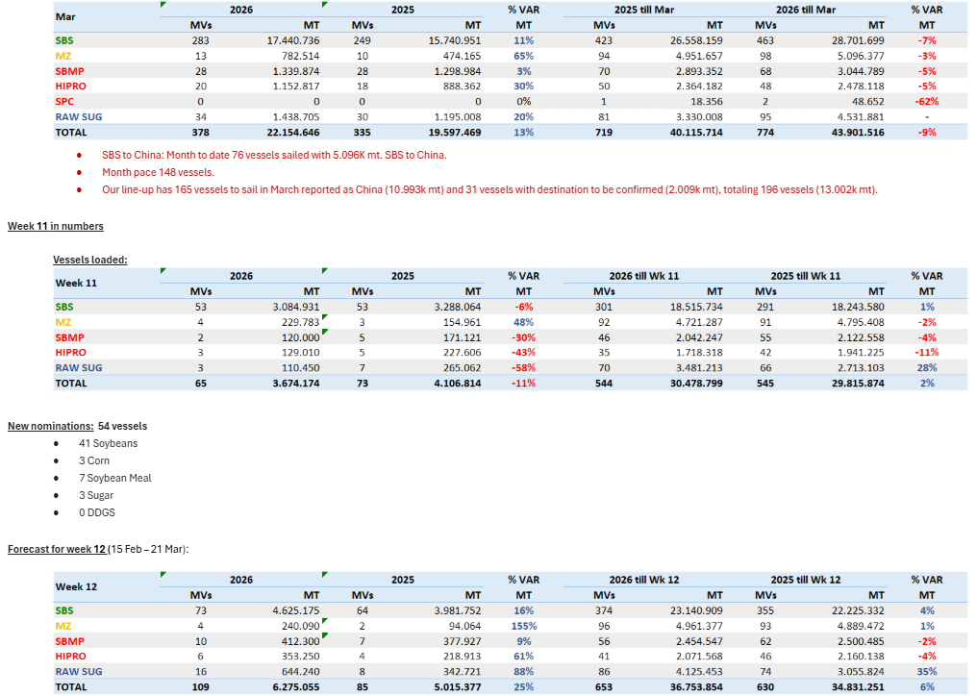
 |  |  |  |  |  |  |  |  | Soybeans | 0 | 0
 |  |  |  |  |  |  |  |  | RVT | 1 | 0
 |  |  |  |  |  |  |  |  | Grand Total | 14 | 639
 |  |  |  |  |  |  |  |  | 2026-03-17
 |  |  |  |  |  |  |  |  | Brazil
 |  |  |  |  |  |  |  |  | Commodity | Vessels | Week Est
 |  |  |  |  |  |  |  |  | Soybeans | 41 | 4625
 |  |  |  |  |  |  |  |  | Corn | 3 | 240
 |  |  |  |  |  |  |  |  | Meal | 7 | 765
 |  |  |  |  |  |  |  |  | Sugar | 3 | 644
 |  |  |  |  |  |  |  |  | DDGs | 0 | 0
 |  |  |  |  |  |  |  |  | Grand Total | 54 | 6275
 |  |  |  |  |  |  |  |  | 2026-03-17
 |  |  |  |  |  |  |  |  | Argentina
 |  |  |  |  |  |  |  |  | Commodity | Vessels | MT
 |  |  |  |  |  |  |  |  | Soybeans |  | 0
 |  |  |  |  |  |  |  |  | Corn |  | 2869
 |  |  |  |  |  |  |  |  | Wheat |  | 968
 |  |  |  |  |  |  |  |  | Meal |  | 1340
 |  |  |  |  |  |  |  |  | SBO |  | 287
 |  |  |  |  |  |  |  |  | Grand Total |  | 6083 |  |  |  | CM | Vol | Dest
 |  |  |  |  |  |  |  |  | 2026-03-17 |  |  | Row Labels | Count of Vol | Sum of Vol2 | Wheat | 6,200 | Lebanon
 |  |  |  |  |  |  |  |  | Ukraine |  |  | Corn | 14 | 382,650 | Corn | 49,750 | South Korea
 |  |  |  |  |  |  |  |  | Commodity | Vessels | MT | Sunmeal | 2 | 7,775 | Corn | 26,500 | Libya
 |  |  |  |  |  |  |  |  | Wheat | 9 | 217 | Sunoil | 10 | 134,700 | Wheat | 30,000 | Algeria
 |  |  |  |  |  |  |  |  | Soybeans | 0 | 0 | Wheat | 9 | 216,500 | Corn | 29,700 | Turkey
 |  |  |  |  |  |  |  |  | Rapeseed | 2 | 61 | Rapeseed | 2 | 60,500 | Corn | 16,000 | Lebanon
 |  |  |  |  |  |  |  |  | Corn | 14 | 383 | Wheat Bran | 1 | 6,900 | Rapeseed | 31,000 | United Kingdom
 |  |  |  |  |  |  |  |  | Sugar | 0 | 0 | Beet Pulp | 1 | 1,775 | Corn | 23,000 | N/A
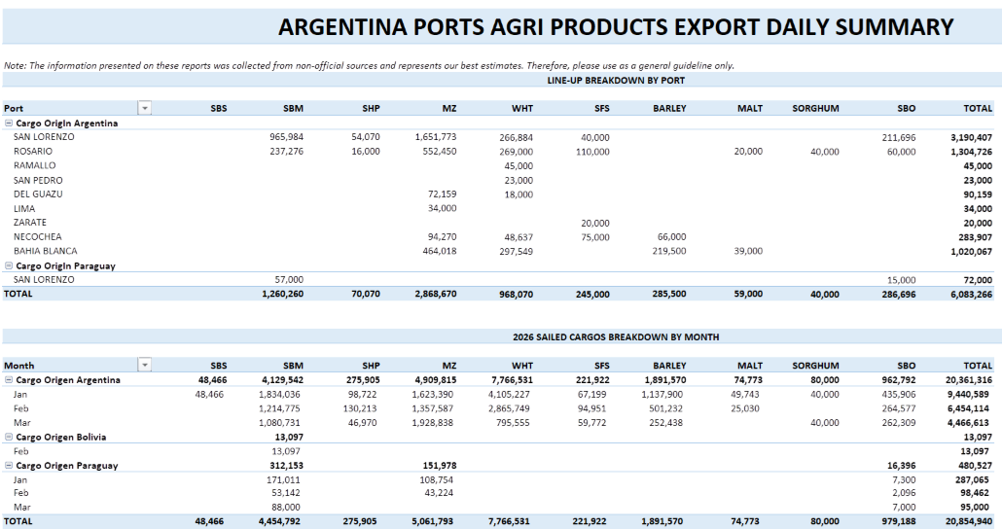
 |  |  |  |  |  |  |  |  | Sunoil | 10 | 135 | Grand Total | 39 | 810,800 | Corn | 18,000 | Egypt
 |  |  |  |  |  |  |  |  | Grand Total | 39 | 811 |  |  |  | Wheat | 14,000 | Egypt
 |  |  |  |  |  |  |  |  |  |  |  |  |  |  | Sunoil | 9,000 | Lebanon
 |  |  |  |  |  |  |  |  |  |  |  |  |  |  | Sunmeal | 6,000 | Italy
 |  |  |  |  |  |  |  |  |  |  |  |  |  |  | Corn | 13,000 | Turkey
 |  |  |  |  |  |  |  |  |  |  |  |  |  |  | Corn | 66,000 | Netherlands
 |  |  |  |  |  |  |  |  |  |  |  |  |  |  | Corn | 27,700 | Egypt
 |  |  |  |  |  |  |  |  |  |  |  |  |  |  | Sunoil | 13,000 | Spain
 |  |  |  |  |  |  |  |  |  |  |  |  |  |  | Wheat Bran | 6,900 | Turkey
 |  |  |  |  |  |  |  |  |  |  |  |  |  |  | Corn | 12,000 | Turkey
 |  |  |  |  |  |  |  |  |  |  |  |  |  |  | Rapeseed | 29,500 | Germany
 |  |  |  |  |  |  |  |  |  |  |  |  |  |  | Wheat | 5,000 | Turkey
 |  |  |  |  |  |  |  |  |  |  |  |  |  |  | Corn | 30,000 | Libya
 |  |  |  |  |  |  |  |  |  |  |  |  |  |  | Wheat | 30,000 | Algeria
 |  |  |  |  |  |  |  |  |  |  |  |  |  |  | Corn | 14,000 | Tunisia
 |  |  |  |  |  |  |  |  |  |  |  |  |  |  | Wheat | 48,000 | Yemen
 |  |  |  |  |  |  |  |  |  |  |  |  |  |  | Wheat | 6,300 | Yemen
 |  |  |  |  |  |  |  |  |  |  |  |  |  |  | Sunoil | 44,000 | India
 |  |  |  |  |  |  |  |  |  |  |  |  |  |  | Wheat | 50,000 | Bangladesh
 |  |  |  |  |  |  |  |  |  |  |  |  |  |  | Sunoil | 7,000 | Spain
 |  |  |  |  |  |  |  |  |  |  |  |  |  |  | Sunoil | 5,500 | United Kingdom
 |  |  |  |  |  |  |  |  |  |  |  |  |  |  | Wheat | 27,000 | Italy
 |  |  |  |  |  |  |  |  |  |  |  |  |  |  | Corn | 27,000 | N/A
 |  |  |  |  |  |  |  |  |  |  |  |  |  |  | Sunmeal | 1,775 | N/A
 |  |  |  |  |  |  |  |  |  |  |  |  |  |  | Beet Pulp | 1,775 | N/A
 |  |  |  |  |  |  |  |  |  |  |  |  |  |  | Sunoil | 3,000 | Italy
 |  |  |  |  |  |  |  |  |  |  |  |  |  |  | Sunoil | 32,000 | Iraq
 |  |  |  |  |  |  |  |  |  |  |  |  |  |  | Sunoil | 6,300 | Spain
 |  |  |  |  |  |  |  |  |  |  |  |  |  |  | Sunoil | 9,000 | Spain
 |  |  |  |  |  |  |  |  |  |  |  |  |  |  | Corn | 30,000 | Turkey
 |  |  |  |  |  |  |  |  |  |  |  |  |  |  | Sunoil | 5,900 | N/A

3-10-26
MT: | COMMODITY: | DESTINATION: | MT: | COMMODITY: | DESTINATION: | MT | COMMODITY | DESTINATION
RVT | RVT | RVT | 52 | WHT | RVT | 30 | WHT | TAIWAN
32 | CORN/SBM | GUATEMALA | 30 | WHT | MEXICO | 35 | WHT | JAPAN
30 | SBM/YSB/WHT | VENEZUELA | RVT | RVT | RVT | 67 | YSB | RVT
RVT | RVT | RVT | 18 | WHT | RVT | 62 | CORN | JAPAN
RVT | RVT | RVT | 53 | SORGHUM | RVT | 65 | CORN | VIETNAM
RVT | CORN/RICE/SBM | GUATEMALA | 33 | WHT | RVT | 50 | WHT | PHILIPPINES
32 | CORN | GUATEMALA | 31 | WHT | HAITI | 60 | YSB | CHINA
35 | CORN | GUATEMALA | 33 | WHT | RVT | 67 | YSB | CHINA
33 | CORN | JAPAN | 12 | WHT | RVT | 50 | CORN/WHT | JAPAN
50 | CORN/YSB | JAPAN | 51 | CORN/YSB | RVT | 66 | SBM | CHINA
55 | YSB | EGYPT | 57 | SORGHUM | RVT | 20 | WHT | TAIWAN
65 | WHT | RVT | 57 | SORGHUM | RVT | 50 | WHT | JAPAN
70 | YSB | CHINA | 43 | WHT | RVT | 65 | CORN | JAPAN
33 | CORN | ALGERIA | 66 | SORGHUM | CHINA | 65 | CORN | JAPAN
RVT | RVT | RVT | 7 | WHT | HAITI | 65 | CORN | JAPAN
RVT | RVT | RVT | 59 | SORGHUM | RVT | 65 | CORN | S. KOREA
50 | CORN/SBM | COLOMBIA | 66 | SORGHUM | CHINA | 65 | YSB | CHINA
50 | CORN/WHT | NICARAGUA | 66 | SORGHUM | CHINA | 65 | YSB | CHINA
30 | SBM | HONDURAS | 68 | SORGHUM | RVT | 65 | CORN | JAPAN
40 | RICE | IRAQ | 66 | SORGHUM | RVT | 65 | CORN | TAIWAN
30 | GDDG/SBM | MOROCCO | 66 | SORGHUM | CHINA | 67 | YSB | CHINA
42 | CGFP/CGM | TURKEY | 63 | SORGHUM | CHINA | 33 | SBM | JAPAN
49 | CORN/GDDG/SBM | MOROCCO |  |  |  | 70 | WHT | RVT
63 | YSB | CHINA |  |  |  | 63 | CORN | JAPAN
34 | CORN/GDDG | MEXICO |  |  |  | 60 | CORN | JAPAN
15 | WHT | JAMAICA |  |  |  | 66 | YSB | CHINA
38 | CORN | DOM REP |  |  |  | 66 | CORN | S. KOREA
574 | YSB | CHINA |  |  |  | 66 | CORN | S. KOREA
66 | YSB | CHINA |  |  |  | 45 | SBM | RVT
40 | CORN | JAPAN |  |  |  | 45 | SBM | RVT
67 | YSB | CHINA |  |  |  | 67 | CORN | JAPAN/TAIWAN
32 | CORN | DOM REP |  |  |  | 67 | CORN | S. KOREA
50 | CORN/SBM | COLOMBIA |  |  |  | 70 | CORN | INDONESIA
30 | CORN/SBM | MEXICO |  |  |  | 65 | CORN | JAPAN
36 | CORN/SBM/WHT | COLOMBIA |  |  |  | 70 | CORN | S. KOREA
26 | CORN/GDDG | RVT |  |  |  | 74 | CORN | TAIWAN
31 | CORN | MEXICO |  |  |  | 61 | CORN | RVT
47 | CORN/SBM/RICE | HONDURAS |  |  |  | 68 | CORN | RVT
49 | CORN/CGM/SBM/YSB | COLOMBIA |  |  |  | 66 | CORN | RVT
50 | CORN/SBM | COLOMBIA |  |  |  | 68 | CORN | RVT
31 | CORN | MEXICO |  |  |  | 66 | CORN | RVT
55 | CORN | EGYPT
30 | CORN/SBM/WHT | DOM REP
50 | CORN/CGM | EGYPT
48 | SBM/WHT | DOM REP
45 | SBM | ECUADOR
66 | YSB | CHINA
44 | CORN/SBM/YSB | COLOMBIA
51 | CORN | COLOMBIA
66 | YSB | CHINA
60 | CORN | SPAIN
47 | CORN/RICE/SBM | EL SALVADOR
50 | CORN/SBM | COLOMBIA
44 | CORN/RICE/SBM | EL SALVADOR
52 | CORN/SBM/YSB | COLOMBIA
40 | CORN | RVT
31 | CORN/SBM | VENEZUELA
56 | YSB | CHINA
50 | RVT | RVT
45 | CORN | MEXICO
30 | CORN | IRELAND
30 | CORN/SBM | JAMAICA
33 | CORN | COLOMBIA
70 | YSB | CHINA
70 | YSB | CHINA
RVT | RVT | RVT
53 | YSB | EGYPT
27 | YSB | JAPAN
35 | CORN | ALGERIA
66 | YSB | CHINA
55 | CORN | COLOMBIA
RVT | RVT | RVT
RVT | RVT | RVT
61 | CORN | RVT
RVT | RVT | RVT
RVT | RVT | RVT
RVT | RVT | RVT
RVT | RVT | RVT
RVT | RVT | RVT
34 | YSB | INDONESIA
32 | SBM | VENEZUELA
66 | SBM | POLAND
43 | DDGS/SBM/SHP | MOROCCO
27 | RICE | COLOMBIA
38 | SBM | ECUADOR
21 | CGM | CHILE
29 | RVT | COLOMBIA
35 | CORN/SBM | COSTA RICA/PANAMA
RVT | RVT | RVT
RVT | RVT | RVT
56 | YSB | EGYPT
RVT | RVT | RVT

Row Labels | Count of MT: | Sum of MT:2 | Row Labels | Count of MT: | Sum of MT:2 | Row Labels | Count of MT | Sum of MT2 | US Gulf
CORN | 19 | 770 | RVT | 1 | 0 | CORN | 23 | 1514 | Commodity | Vessels | MT
CORN/RICE/SBM | 3 | 91 | SORGHUM | 11 | 687 | SBM | 4 | 189 | CORN | 19 | 770
CORN/SBM | 9 | 358 | WHT | 9 | 259 | WHT | 6 | 255 | YSB | 16 | 1459
CORN/SBM/WHT | 2 | 66 | CORN/YSB | 1 | 51 | YSB | 7 | 457 | SBM | 5 | 211
CORN/YSB | 1 | 50 | Grand Total | 22 | 997 | CORN/WHT | 1 | 50 | WHT | 2 | 80
RVT | 18 | 79 |  |  |  | (blank) |  |  | CORN/SBM | 9 | 358
SBM | 5 | 211 |  |  |  | Grand Total | 41 | 2465 | CORN/SBM/WHT | 2 | 66
WHT | 2 | 80 |  |  |  |  |  |  | RVT | 18 | 79
YSB | 16 | 1459 |  |  |  |  |  |  | Grand Total | 92 | 3846
CORN/SBM/YSB | 2 | 96 |  |  |  |  |  |  | 2026-03-10
SBM/YSB/WHT | 1 | 30 |  |  |  |  |  |  | PNW
GDDG/SBM | 1 | 30 |  |  |  |  |  |  | Commodity | Vessels | MT
RICE | 2 | 67 |  |  |  |  |  |  | CORN | 23 | 1514
CORN/GDDG/SBM | 1 | 49 |  |  |  |  |  |  | SBM | 4 | 189
CORN/WHT | 1 | 50 |  |  |  |  |  |  | WHT | 6 | 255
CORN/GDDG | 2 | 60 |  |  |  |  |  |  | YSB | 7 | 457
DDGS/SBM/SHP | 1 | 43 |  |  |  |  |  |  | Sorghum | 0 | 0
(blank) |  |  |  |  |  |  |  |  | RVT | 2 | 0
CGFP/CGM | 1 | 42 |  |  |  |  |  |  | Grand Total | 41 | 2465
CORN/SBM/RICE | 1 | 47 |  |  |  |  |  |  | 2026-03-10
CORN/CGM/SBM/YSB | 1 | 49 |  |  |  |  |  |  | Texas Gulf
CORN/CGM | 1 | 50 |  |  |  |  |  |  | Commodity | Vessels | MT
SBM/WHT | 1 | 48 |  |  |  |  |  |  | WHT | 9 | 259
CGM | 1 | 21 |  |  |  |  |  |  | SORGHUM | 11 | 687
Grand Total | 92 | 3846 |  |  |  |  |  |  | Corn | 0 | 0
 |  |  |  |  |  |  |  |  | Soybeans | 0 | 0
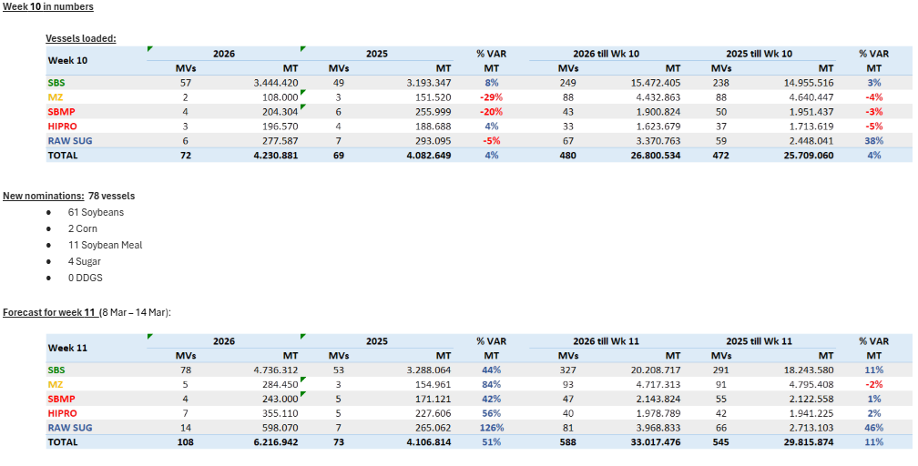
 |  |  |  |  |  |  |  |  | RVT | 1 | 51
 |  |  |  |  |  |  |  |  | Grand Total | 22 | 997
 |  |  |  |  |  |  |  |  | 2026-03-10
 |  |  |  |  |  |  |  |  | Brazil
 |  |  |  |  |  |  |  |  | Commodity | Vessels | Week Est
 |  |  |  |  |  |  |  |  | Soybeans | 61 | 4736
 |  |  |  |  |  |  |  |  | Corn | 2 | 285
 |  |  |  |  |  |  |  |  | Meal | 11 | 600
 |  |  |  |  |  |  |  |  | Sugar | 4 | 598
 |  |  |  |  |  |  |  |  | DDGs | 0 | 0
 |  |  |  |  |  |  |  |  | Grand Total | 78 | 6213
 |  |  |  |  |  |  |  |  | 2026-03-10
 |  |  |  |  |  |  |  |  | Argentina
 |  |  |  |  |  |  |  |  | Commodity | Vessels | MT
 |  |  |  |  |  |  |  |  | Soybeans |  | 0
 |  |  |  |  |  |  |  |  | Corn |  | 2218
 |  |  |  |  |  |  |  |  | Wheat |  | 910
 |  |  |  |  |  |  |  |  | Meal |  | 1410
 |  |  |  |  |  |  |  |  | SBO |  | 370
 |  |  |  |  |  |  |  |  | Grand Total |  | 5640 |  |  |  | CM | Vol | Dest
 |  |  |  |  |  |  |  |  | 2026-03-10 |  |  | Row Labels | Count of Vol | Sum of Vol2 | Corn | 5,500 | Greece
 |  |  |  |  |  |  |  |  | Ukraine |  |  | Corn | 7 | 181,815 | Corn | 30,000 | Israel
 |  |  |  |  |  |  |  |  | Commodity | Vessels | MT | Sunmeal | 1 | 6,000 | Wheat | 6,200 | Greece
 |  |  |  |  |  |  |  |  | Wheat | 6 | 132 | Sunoil | 10 | 142,150 | Wheat | 5,000 | Turkey
 |  |  |  |  |  |  |  |  | Soybeans | 0 | 0 | Wheat | 6 | 132,000 | Corn | 49,745 | South Korea
 |  |  |  |  |  |  |  |  | Rapeseed | 1 | 30 | Rapemeal | 1 | 10,000 | Corn | 26,500 | Libya
 |  |  |  |  |  |  |  |  | Corn | 7 | 182 | Rapeseed | 1 | 29,500 | Wheat | 30,800 | Algeria
 |  |  |  |  |  |  |  |  | Sugar | 0 | 0 | Grand Total | 26 | 501,465 | Wheat | 30,000 | Algeria
 |  |  |  |  |  |  |  |  | Sunoil | 10 | 142 |  |  |  | Sunoil | 3,000 | Italy
 |  |  |  |  |  |  |  |  | Grand Total | 26 | 501 |  |  |  | Corn | 29,700 | Turkey
 |  |  |  |  |  |  |  |  |  |  |  |  |  |  | Corn | 16,000 | Turkey
 |  |  |  |  |  |  |  |  |  |  |  |  |  |  | Sunoil | 12,000 | Netherlands
 |  |  |  |  |  |  |  |  |  |  |  |  |  |  | Rapemeal | 10,000 | Israel
 |  |  |  |  |  |  |  |  |  |  |  |  |  |  | Sunoil | 5,300 | Turkey
 |  |  |  |  |  |  |  |  |  |  |  |  |  |  | Sunoil | 18,600 | Netherlands
 |  |  |  |  |  |  |  |  |  |  |  |  |  |  | Sunmeal | 6,000 | Italy
 |  |  |  |  |  |  |  |  |  |  |  |  |  |  | Wheat | 30,000 | Egypt
 |  |  |  |  |  |  |  |  |  |  |  |  |  |  | Sunoil | 13,000 | Spain
 |  |  |  |  |  |  |  |  |  |  |  |  |  |  | Corn | 24,370 | Turkey
 |  |  |  |  |  |  |  |  |  |  |  |  |  |  | Sunoil | 6,000 | Italy
 |  |  |  |  |  |  |  |  |  |  |  |  |  |  | Sunoil | 5,250 | Italy
 |  |  |  |  |  |  |  |  |  |  |  |  |  |  | Sunoil | 32,000 | Iraq
 |  |  |  |  |  |  |  |  |  |  |  |  |  |  | Sunoil | 40,000 | India
 |  |  |  |  |  |  |  |  |  |  |  |  |  |  | Rapeseed | 29,500 | Germany
 |  |  |  |  |  |  |  |  |  |  |  |  |  |  | Sunoil | 7,000 | Spain
 |  |  |  |  |  |  |  |  |  |  |  |  |  |  | Wheat | 30,000 | Algeria

3-4-26
MT: | COMMODITY: | DESTINATION: | MT: | COMMODITY: | DESTINATION: | MT | COMMODITY | DESTINATION
RVT | RVT | RVT | RVT | RVT | RVT | 63 | WHT | RVT
32 | CORN/SBM/WHT | GUATEMALA | 30 | WHT | MEXICO | 35 | WHT | JAPAN
7 | WHT | DOM REP | 35 | CORN | VENEZUELA | 30 | WHT | TAIWAN
30 | SBM/YSB/WHT | VENEZUELA | 31 | WHT | COLOMBIA | 65 | WHT | RVT
RVT | RVT | RVT | 57 | WHT | BANGLADESH | 65 | CORN | S. KOREA
32 | CORN/SBM | GUATEMALA | 33 | WHT | RVT | 62 | CORN | JAPAN
37 | CORN | VENEZUELA | 33 | WHT | RVT | 43 | WHT | S. KOREA
RVT | CORN | PORTUGAL/SPAIN | 31 | WHT | HAITI | 65 | CORN | VIETNAM
70 | YSB | CHINA | 60 | SORGHUM | RVT | 68 | YSB | RVT
65 | WHT | RVT | 66 | SORGHUM | CHINA | 60 | YSB | CHINA
55 | YSB | RVT | 66 | SORGHUM | CHINA | 65 | WHT | RVT
33 | CORN | ALGERIA | 7 | WHT | HAITI | 66 | YSB | ASIA
40 | RICE | IRAQ | 59 | SORGHUM | RVT | 66 | WHT | PHILIPPINES
28 | CGFP | IRELAND | 66 | SORGHUM | CHINA | 66 | SBM | CHINA
30 | GDDG/SBM | MOROCCO | 66 | SORGHUM | CHINA | 50 | CORN/WHT | JAPAN
...
Row Labels | Count of MT: | Sum of MT:2 | Row Labels | Count of MT: | Sum of MT:2 | Row Labels | Count of MT | Sum of MT2 | US Gulf
RICE | 2 | 67 |  |  |  |  |  |  | SBM | 6 | 279
CORN/GDDG/SBM | 2 | 94 |  |  |  |  |  |  | WHT | 10 | 507
CORN/WHT | 3 | 142 |  |  |  |  |  |  | YSB | 11 | 723
CORN/GDDG | 2 | 68 |  |  |  |  |  |  | Sorghum | 0 | 0
CORN/DDGS/RICE | 1 | 32 |  |  |  |  |  |  | RVT | 2 | 0
SBM/SHP | 1 | 48 |  |  |  |  |  |  | Grand Total | 58 | 3390
DDGS/SBM/SHP | 1 | 43 |  |  |  |  |  |  | 2026-03-04
(blank) |  |  |  |  |  |  |  |  | Texas Gulf
Grand Total | 84 | 3003 |  |  |  |  |  |  | Commodity | Vessels | MT
 |  |  |  |  |  |  |  |  | WHT | 7 | 222
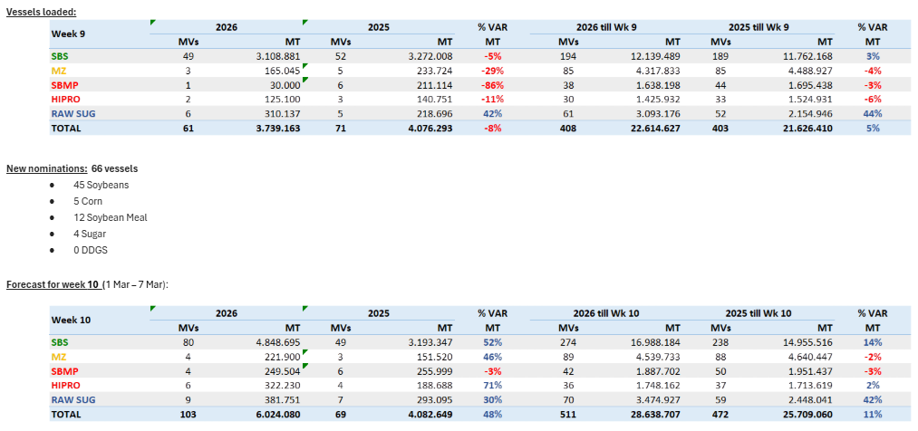
 |  |  |  |  |  |  |  |  | SORGHUM | 8 | 517
 |  |  |  |  |  |  |  |  | Corn | 1 | 35
 |  |  |  |  |  |  |  |  | Soybeans | 0 | 0
 |  |  |  |  |  |  |  |  | RVT | 1 | 0
 |  |  |  |  |  |  |  |  | Grand Total | 17 | 774
 |  |  |  |  |  |  |  |  | 2026-03-04
 |  |  |  |  |  |  |  |  | Brazil
 |  |  |  |  |  |  |  |  | Commodity | Vessels | Week Est
 |  |  |  |  |  |  |  |  | Soybeans | 46 | 4849
 |  |  |  |  |  |  |  |  | Corn | 5 | 221
 |  |  |  |  |  |  |  |  | Meal | 12 | 571
 |  |  |  |  |  |  |  |  | Sugar | 4 | 382
 |  |  |  |  |  |  |  |  | DDGs | 0 | 0
 |  |  |  |  |  |  |  |  | Grand Total | 66 | 6024
 |  |  |  |  |  |  |  |  | 2026-03-04
 |  |  |  |  |  |  |  |  | Argentina
 |  |  |  |  |  |  |  |  | Commodity | Vessels | MT
 |  |  |  |  |  |  |  |  | Soybeans |  | 0
 |  |  |  |  |  |  |  |  | Corn |  | 2195
 |  |  |  |  |  |  |  |  | Wheat |  | 1001
 |  |  |  |  |  |  |  |  | Meal |  | 1465
 |  |  |  |  |  |  |  |  | SBO |  | 381
 |  |  |  |  |  |  |  |  | Grand Total |  | 5753
 |  |  |  |  |  |  |  |  | 2026-03-04
 |  |  |  |  |  |  |  |  | Ukraine
 |  |  |  |  |  |  |  |  | Commodity | Vessels | MT
 |  |  |  |  |  |  |  |  | Wheat | 2 | 60
 |  |  |  |  |  |  |  |  | Soybeans | 1 | 64
 |  |  |  |  |  |  |  |  | Rapeseed | 0 | 0
 |  |  |  |  |  |  |  |  | Corn | 7 | 201
 |  |  |  |  |  |  |  |  | Sugar | 0 | 0
 |  |  |  |  |  |  |  |  | Sunoil | 13 | 142
...

2-25-26
...
 | Row Labels | Count of MT: | Sum of MT:2 | Row Labels | Count of MT: | Sum of MT:2 | Row Labels | Count of MT | Sum of MT2
· Month pace 83 vessels.
· Our line-up has 134 vessels to sail in February reported as China (8.683k mt) and 6 vessels with destination to be confirmed (315k mt), totaling 140 vessels (8.999k mt).
...
 | Row Labels | Count of MT: | Sum of MT:2 | Row Labels | Count of MT: | Sum of MT:2 | Row Labels | Count of MT | Sum of MT2
Week 7 in numbers
Vessels loaded:
...
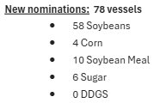
 | Row Labels | Count of MT: | Sum of MT:2 | Row Labels | Count of MT: | Sum of MT:2 | Row Labels | Count of MT | Sum of MT2 | US Gulf LW
 |  |  |  |  |  |  |  |  |  | Argentina
 |  |  |  |  |  |  |  |  |  | Commodity | Vessels | MT
 |  |  |  |  |  |  |  |  |  | Soybeans |  | 0
 |  |  |  |  |  |  |  |  |  | Corn |  | 1451
 |  |  |  |  |  |  |  |  |  | Wheat |  | 1329
 |  |  |  |  |  |  |  |  |  | Meal |  | 1700
 |  |  |  |  |  |  |  |  |  | SBO |  | 341
 |  |  |  |  |  |  |  |  |  | Grand Total |  | 5413
 |  |  |  |  |  |  |  |  |  | 2026-02-25
 |  |  |  |  |  |  |  |  |  | Ukraine
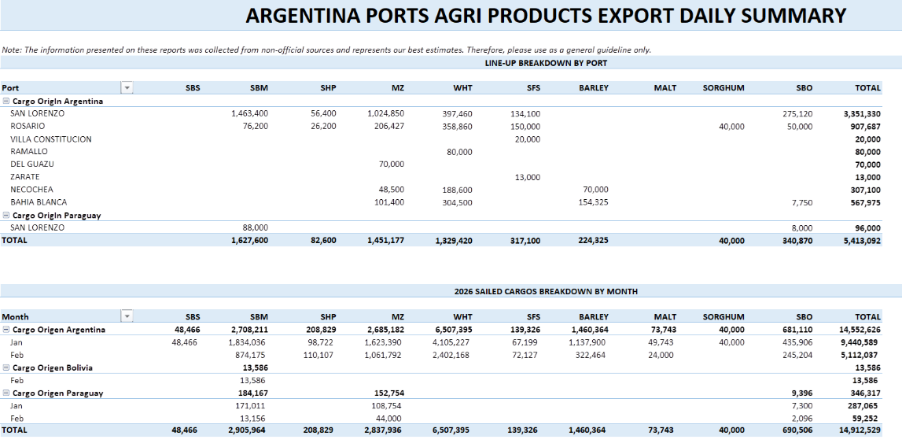
 |  |  |  |  |  |  |  |  |  | Commodity | Vessels | Mon Est
 |  |  |  |  |  |  |  |  |  | Wheat | 5 | 123
 |  |  |  |  |  |  |  |  |  | Soybeans | 1 | 6
 |  |  |  |  |  |  |  |  |  | Rapeseed | 1 | 30
 |  |  |  |  |  |  |  |  |  | Corn | 17 | 548
 |  |  |  |  |  |  |  |  |  | Sugar | 1 | 8
 |  |  |  |  |  |  |  |  |  | Sunoil | 5 | 24
 |  |  |  |  |  |  |  |  |  | Grand Total | 35 | 824
...

2-19-26
...
 | MT: | COMMODITY: | DESTINATION: | MT: | COMMODITY: | DESTINATION: | MT | COMMODITY | DESTINATION
 |  |  |  |  |  |  |  |  |  | WHT | 13
 |  |  |  |  |  |  |  |  |  | YSB | 6
New nominations: 77 vessels |  |  |  |  |  |  |  |  |  | Sorghum | 7
· 64 Soybeans |  |  |  |  |  |  |  |  |  | RVT | 4
· 1 Corn |  |  |  |  |  |  |  |  |  | Grand Total | 63
· 7 Soybean Meal |  |  |  |  |  |  |  |  |  | 2026-08-11
· 5 Sugar |  |  |  |  |  |  |  |  |  | Texas Gulf
· 0 DDGS |  |  |  |  |  |  |  |  |  | Commodity | Vessels
 |  |  |  |  |  |  |  |  |  | WHT | 4
 |  |  |  |  |  |  |  |  |  | SORGHUM | 9
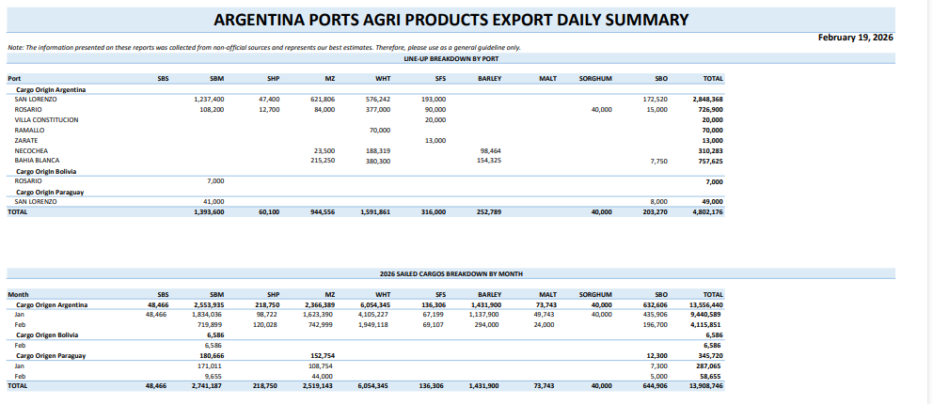
 |  |  |  |  |  |  |  |  |  | Corn | 2
 |  |  |  |  |  |  |  |  |  | Soybeans | 0
 |  |  |  |  |  |  |  |  |  | RVT | 1
 |  |  |  |  |  |  |  |  |  | Grand Total | 16
...
 | MT: | COMMODITY: | DESTINATION: | MT: | COMMODITY: | DESTINATION: | MT | COMMODITY | DESTINATION
 |  |  |  |  |  |  |  |  |  | 2026-08-11
 |  |  |  |  |  |  |  |  |  | Brazil
 |  |  |  |  |  |  |  |  |  | Commodity | Vessels
 |  |  |  |  |  |  |  |  |  | Soybeans | 64
 |  |  |  |  |  |  |  |  |  | Corn | 1
 |  |  |  |  |  |  |  |  |  | Meal | 7
 |  |  |  |  |  |  |  |  |  | Sugar | 5
 |  |  |  |  |  |  |  |  |  | DDGs | 0
 |  |  |  |  |  |  |  |  |  | Grand Total | 77
 |  |  |  |  |  |  |  |  |  | 2026-08-11
 |  |  |  |  |  |  |  |  |  | Argentina
 |  |  |  |  |  |  |  |  |  | Commodity | Vessels
 |  |  |  |  |  |  |  |  |  | Soybeans
 |  |  |  |  |  |  |  |  |  | Corn
 |  |  |  |  |  |  |  |  |  | Wheat
 |  |  |  |  |  |  |  |  |  | Meal
 |  |  |  |  |  |  |  |  |  | SBO
 |  |  |  |  |  |  |  |  |  | Grand Total
 |  |  |  |  |  |  |  |  |  | 2026-08-11
 |  |  |  |  |  |  |  |  |  | Ukraine
 |  |  |  |  |  |  |  |  |  | Commodity | Vessels
 |  |  |  |  |  |  |  |  |  | Wheat | 5
 |  |  |  |  |  |  |  |  |  | Soybeans | 6
 |  |  |  |  |  |  |  |  |  | Rapeseed | 1
 |  |  |  |  |  |  |  |  |  | Corn | 26
 |  |  |  |  |  |  |  |  |  | Sugar | 2
...

2-9-26
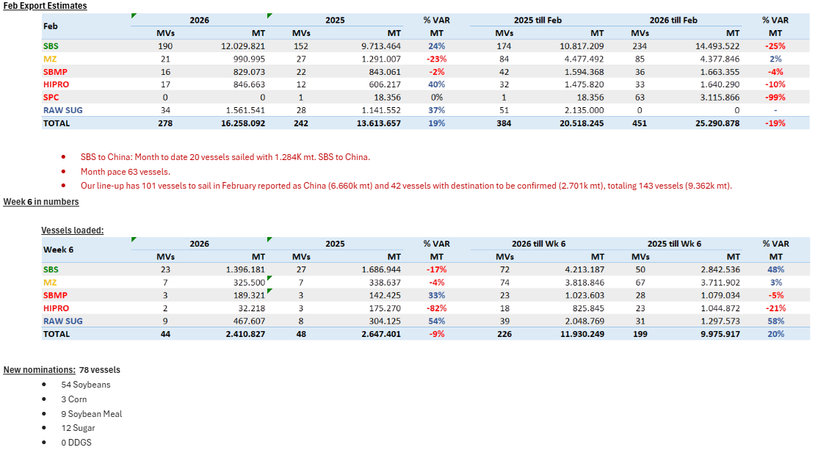
...
Row Labels | Count of DESTINATION | Sum of QUANTITY
Soybean | 6 | 73,000
Sugar | 2 | 11,500
Sunoil | 13 | 105,410
Sunseed | 1 | 2,500
Wheat | 5 | 161,000
Wheat Bran | 2 | 11,750
Barley | 1 | 2,900
Grand Total | 61 | 1,302,927

2-2-26
...
MT: | COMMODITY: | DESTINATION: | MT: | COMMODITY: | DESTINATION: | MT | COMMODITY | DESTINATION
 |  |  |  |  |  |  |  |  | Grand Total | 17 | 755 | Rapeoil | 1,384 | Italy | Chornomorsk
 |  |  |  |  |  |  |  |  |  |  |  | Sunoil | 5,160 | Italy | Chornomorsk
 |  |  |  |  |  |  |  |  |  |  |  | Corn | 27,000 | Tunisia | Chornomorsk
 |  |  |  |  |  |  |  |  |  |  |  | Corn | 27,700 | Italy | Odesa
 |  |  |  |  |  |  |  |  |  |  |  | Wheat | 60,000 | Bangladesh | Odesa
 |  |  |  |  |  |  |  |  |  |  |  | Corn | 66,000 | Portugal | Pivdennyi
 |  |  |  |  |  |  |  |  |  |  |  | Soybean | 11,000 | Turkey | Chornomorsk
 |  |  |  |  |  |  |  |  |  |  |  | Sunoil | 2,900 | N/A | Chornomorsk
 |  |  |  |  |  |  |  |  |  |  |  | Sunoil | 1,300 | Spain | Odesa
 |  |  |  |  |  |  |  |  |  |  |  | Rapeoil | 5,000 | Spain | Odesa
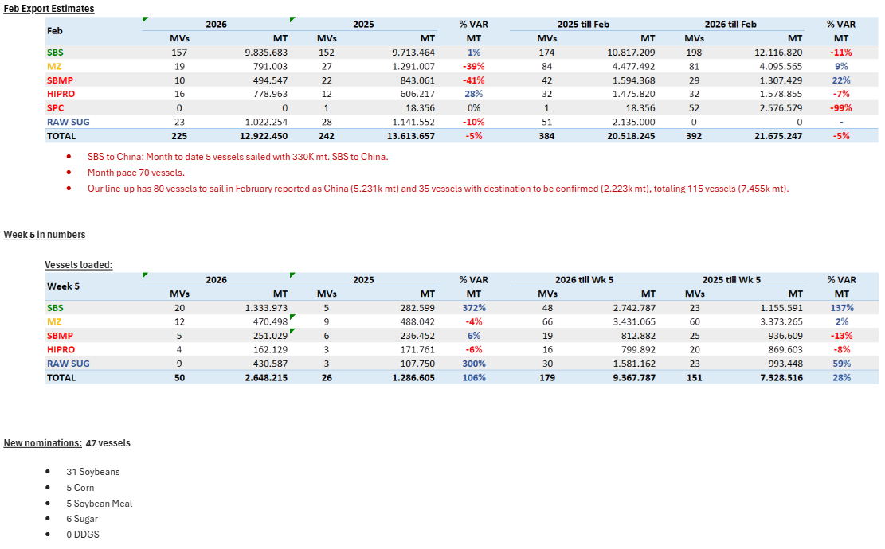
 |  |  |  |  |  |  |  |  |  |  |  | Sunoil | 6,600 | Italy | Pivdennyi
 |  |  |  |  |  |  |  |  |  |  |  | Corn | 48,000 | Spain | Chornomorsk
 |  |  |  |  |  |  |  |  |  |  |  | Soybean | 10,000 | N/A | Chornomorsk
 |  |  |  |  |  |  |  |  |  |  |  | Corn | 30,000 | N/A | Chornomorsk
 |  |  |  |  |  |  |  |  |  |  |  | Sunoil | 12,000 | Spain | Chornomorsk
 |  |  |  |  |  |  |  |  |  |  |  | Sunoil | 2,900 | Syria | Pivdennyi
 |  |  |  |  |  |  |  |  |  |  |  | Sunoil | 12,000 | Spain | Odesa
 |  |  |  |  |  |  |  |  |  |  |  | Corn | 25,550 | Italy | Chornomorsk
 |  |  |  |  |  |  |  |  |  |  |  | Wheat Bran | 6,400 | Turkey | Chornomorsk
 |  |  |  |  |  |  |  |  |  |  |  | Sunoil | 6,300 | Italy | Odesa
 |  |  |  |  |  |  |  |  |  |  |  | Corn | 30,000 | Italy | Odesa
 |  |  |  |  |  |  |  |  |  |  |  | Rapeseed | 30,000 | Germany | Odesa

 |  |  |  |  |  |  |  |  |  |  |  | Row Labels | Count of DESTINATION | Sum of QUANTITY
 |  |  |  |  |  |  |  |  |  |  |  | Beet Pulp | 1 | 4,365
 |  |  |  |  |  |  |  |  |  |  |  | Corn | 24 | 923,208
 |  |  |  |  |  |  |  |  |  |  |  | Grain | 1 | 30,000
 |  |  |  |  |  |  |  |  |  |  |  | Rapeoil | 2 | 6,384
 |  |  |  |  |  |  |  |  |  |  |  | Rapeseed | 2 | 70,000
 |  |  |  |  |  |  |  |  |  |  |  | Soybean | 5 | 74,500
 |  |  |  |  |  |  |  |  |  |  |  | Sugar | 3 | 16,480
 |  |  |  |  |  |  |  |  |  |  |  | Sunoil | 10 | 61,660
 |  |  |  |  |  |  |  |  |  |  |  | Sunseed | 1 | 2,500
 |  |  |  |  |  |  |  |  |  |  |  | Wheat | 2 | 87,000
 |  |  |  |  |  |  |  |  |  |  |  | Wheat Bran | 2 | 11,750
 |  |  |  |  |  |  |  |  |  |  |  | Grand Total | 53 | 1,287,847

1-26-26
...
Row Labels | Sum of MT:2 | Count of MT: | Row Labels | Sum of MT: | Count of MT:2 | Row Labels | Sum of MT: | Count of MT:2 | US Gulf
RVT | 0 | 12 |  |  |  |  |  |  | RVT | 2 | 0
SBM | 87 | 2 |  |  |  |  |  |  | Grand Total | 44 | 2314
SBM/WHT/YSB | 31 | 1 |  |  |  |  |  |  | 2026-01-26
WHT | 62 | 3 |  |  |  |  |  |  | Texas Gulf
YSB | 1411 | 24 |  |  |  |  |  |  | Commodity | Vessels | MT
Grand Total | 3362 | 86 |  |  |  |  |  |  | WHT | 6 | 216
 |  |  |  |  |  |  |  |  | SORGHUM | 8 | 506
 |  |  |  |  |  |  |  |  | Corn | 3 | 93
 |  |  |  |  |  |  |  |  | Soybeans | 0 | 0
 |  |  |  |  |  |  |  |  | RVT | 2 | 0
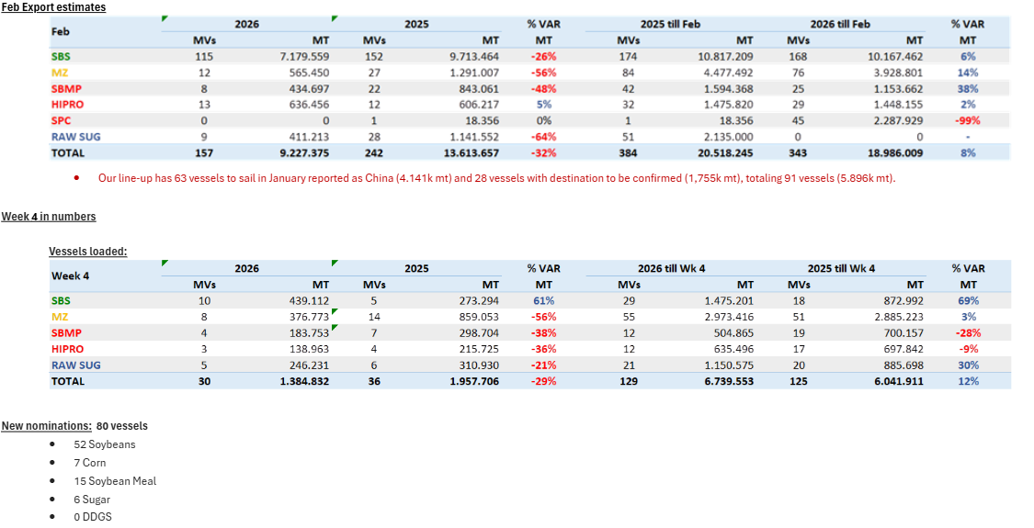
 |  |  |  |  |  |  |  |  | Grand Total | 19 | 815

1-20-26
...
 |  |  | US Gulf
CGM/DDGS | 1 | 28 | Grand Total | 55 | 2021
SBM/WHT/YSB | 1 | 31 | 2026-01-20
CORN | 1 | 30 | Texas Gulf
CGFP/GDDG/SBM/SHP | 1 | 59 | Commodity | Vessels | MT
CORN/GDDG/SBM/YSB | 2 | 64 | WHT | 5 | 172
WHT | 2 | 32 | SORGHUM | 5 | 324
CORN/GDDG | 1 | 32 | Corn | 1 | 33
Grand Total | 86 | 3335 | Soybeans | 0 | 0
 |  |  | RVT | 2 | 0
 |  |  | Grand Total | 13 | 529
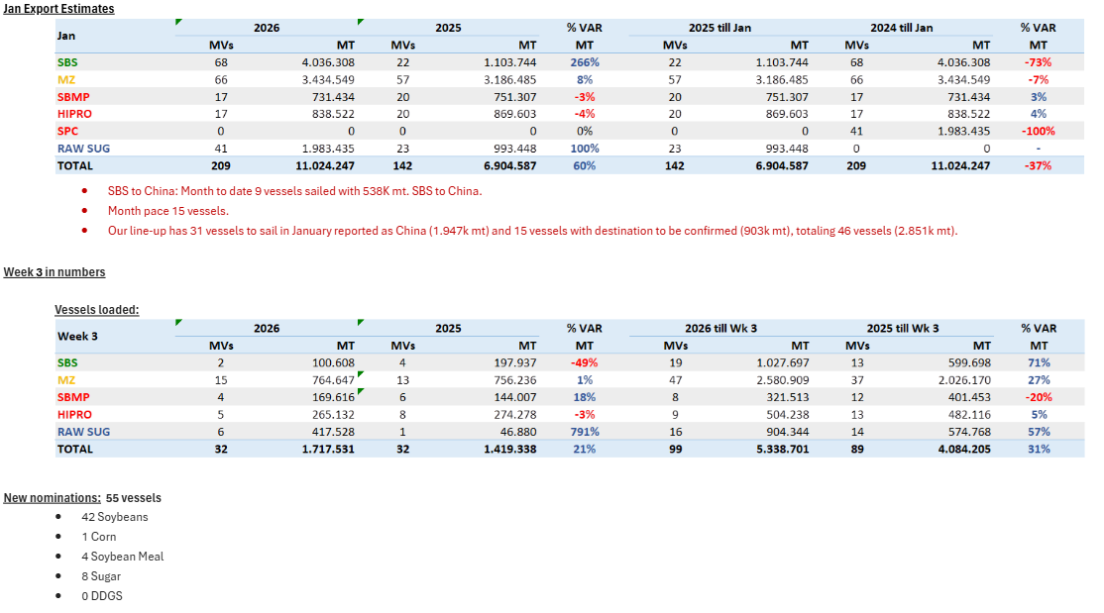
 |  |  | Brazil
 |  |  | Commodity | Vessels | Mon Est
 |  |  | Soybeans | 42 | 4036
 |  |  | Corn | 1 | 3435
 |  |  | Meal | 4 | 1570
 |  |  | Sugar | 8 | 1983
 |  |  | DDGs | 0 | 0
 |  |  | Grand Total | 55 | 11024
 |  |  | 2026-01-20
 |  |  | Argentina
 |  |  | Commodity | Vessels | MT
 |  |  | Soybeans
 |  |  | Corn
 |  |  | Wheat
 |  |  | Meal
 |  |  | SBO
 |  |  | Grand Total |  |  | CMT
 |  |  | 2026-01-20 |  |  | Soybean
 |  |  | Ukraine |  |  | Corn
 |  |  | Commodity | Vessels | Mon Est | Sunmeal
 |  |  | Wheat | 2 | 73 | Soybean
 |  |  | Soybeans | 7 | 49 | Corn
 |  |  | Rapeseed | 0 | 0 | Corn
 |  |  | Corn | 21 | 730 | Soybean
 |  |  | Sugar | 0 | 0 | Corn
 |  |  | Sunoil | 7 | 97 | Sunoil
 |  |  | Grand Total | 43 | 1094 | Corn
 |  |  |  |  |  | Soybean
 |  |  |  |  |  | Corn
 |  |  |  |  |  | Corn
 |  |  |  |  |  | Corn
 |  |  |  |  |  | Corn
 |  |  |  |  |  | Wheat
 |  |  |  |  |  | Corn
 |  |  |  |  |  | Sunoil
 |  |  |  |  |  | Corn
 |  |  |  |  |  | Sunoil
 |  |  |  |  |  | Corn
 |  |  |  |  |  | Grain
...

1-12-26
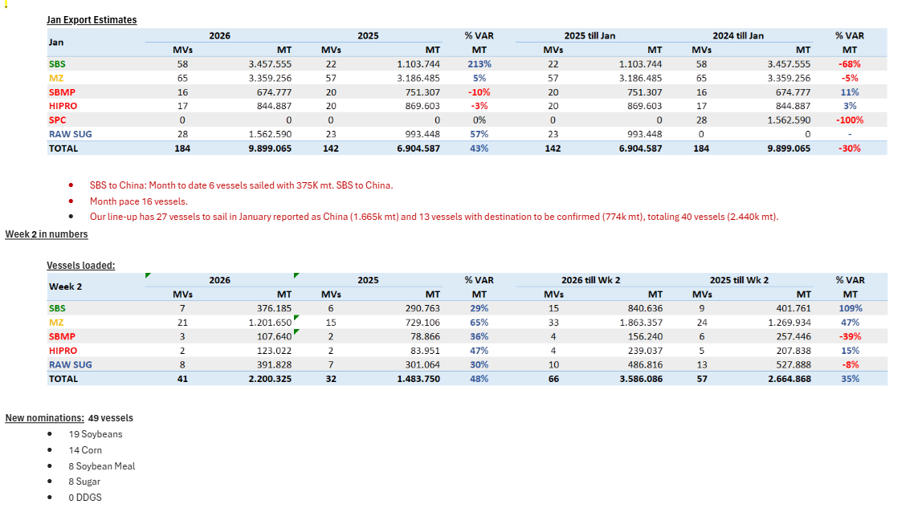
...
 |  |  | Row Labels | Count of QUANTITY | Sum of QUANTITY2
CORN/RICE/WHT | 1 | 33
CORN/SBM/YSB | 2 | 80
CORN/CGFP/CGM/WHT | 1 | 18
CORN/YSB | 2 | 103
YSB/WHT | 1 | 35
CGFP/DDGS | 1 | 0
CGM/DDGS | 1 | 28
Grand Total | 95 | 3782

1-5-26
...
Row Labels | Count of MT: | Sum of MT:2 | Row Labels | Count of MT: | Sum of MT:2 | Row Labels | Count of MT: | Sum of MT:2
RICE/SBM/SHP | 1 | 45 |  |  |  |  |  |  | PNW
RICE/WHT | 1 | 55 |  |  |  |  |  |  | Commodity | Vessels | MT
RVT | 17 | 0 |  |  |  |  |  |  | CORN | 18 | 1189
SBM | 2 | 60 |  |  |  |  |  |  | SBM | 5 | 212
SBM/WHT | 2 | 25 |  |  |  |  |  |  | WHT | 12 | 585
YSB | 30 | 1779 |  |  |  |  |  |  | YSB | 11 | 666
Grand Total | 78 | 2904 |  |  |  |  |  |  | CORN/SBM | 1 | 70
 |  |  |  |  |  |  |  |  | RVT | 3 | 0
 |  |  |  |  |  |  |  |  | Grand Total | 50 | 2722
 |  |  |  |  |  |  |  |  | 2026-01-05
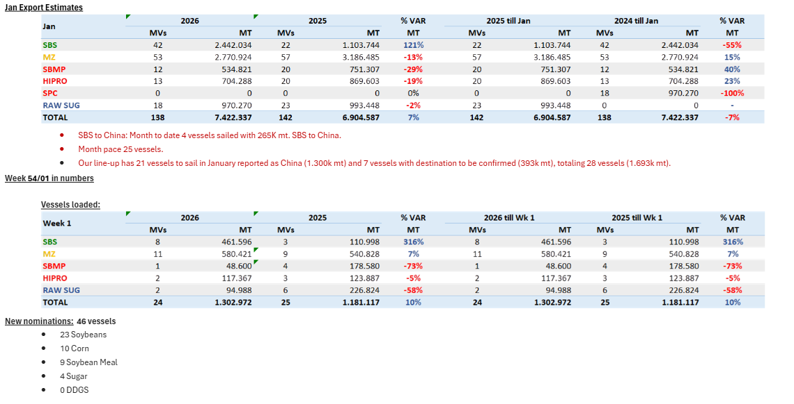
 |  |  |  |  |  |  |  |  | Texas Gulf
 |  |  |  |  |  |  |  |  | Commodity | Vessels | MT
 |  |  |  |  |  |  |  |  | WHT | 1 | 30
 |  |  |  |  |  |  |  |  | SORGHUM | 5 | 284
 |  |  |  |  |  |  |  |  | Corn | 0 | 0
 |  |  |  |  |  |  |  |  | Soybeans | 1 | 55
 |  |  |  |  |  |  |  |  | RVT | 2 | 0
 |  |  |  |  |  |  |  |  | Grand Total | 9 | 369

11-4-25
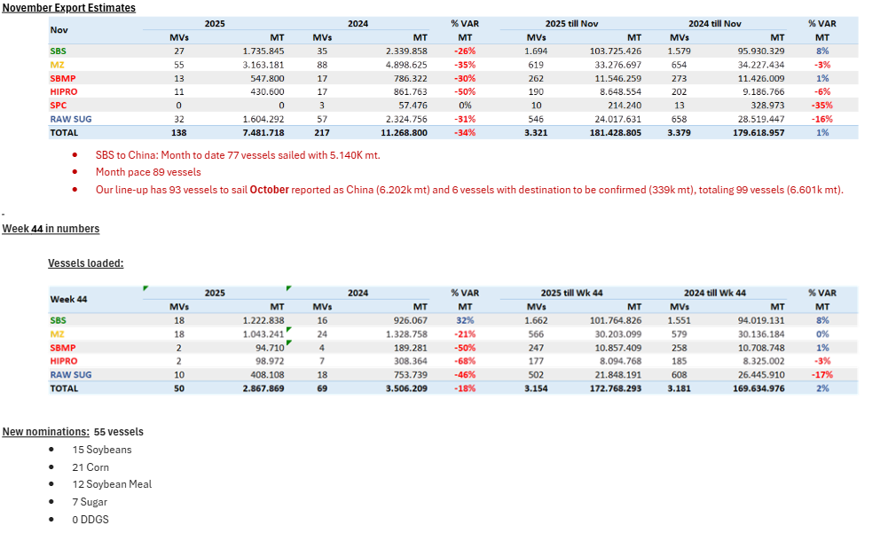
...
Row Labels | Count of MT: | Sum of MT:2 | Row Labels | Count of MT | Sum of MT2 | Row Labels | Count of MT | Sum of MT2
CORN/YSB/WHT | 1 | 50
DDGS | 1 | 28
DDGS/SBM | 1 | 30
RVT | 10 | 28
SBM | 2 | 95
WHT | 1 | 30
YSB | 21 | 1194
Grand Total | 64 | 2557

